SCMH1 _multivariate
Reported by Tex Li-Hsing Chi. tex@gate.sinica.edu.tw 2019-08-16

Table 2. The clinicopathological features of HNSCC cohort and SCMH1 expression. (Chi square test)
Cutoff at -0.137 (49.8%)
 |  | SCMH1 expression |  | SCMH1 expression |  | (Optimised)
 | Features | Low | (%) | High | (%) | Case no | P-value | Remark | Matthews
Gender | Female | 152 | 36.6 | 154 | 37.1 | 415 | 0.9766 | 0 | 0
2 | Male | 55 | 13.3 | 54 | 13
Age at diagnosis | <=65y | 137 | 33 | 137 | 33 | 415 | 1 | 0 | 0
4 | >65y | 70 | 16.9 | 71 | 17.1
Clinical T Status | T1+T2 | 69 | 16.6 | 80 | 19.3 | 415 | 0.3239 | 0 | 0
6 | T3+T4 | 138 | 33.3 | 128 | 30.8
Clinical N Status | N0 | 108 | 26 | 108 | 26 | 415 | 1 | 0 | 0
8 | N1-3 | 99 | 23.9 | 100 | 24.1
Clinical M Status | M0 | 206 | 49.6 | 206 | 49.6 | 415 | 1 | 0 | 0
10 | M1 | 1 | 0.2 | 2 | 0.5
Clinical Stage | Stage I+II | 46 | 11.1 | 56 | 13.5 | 415 | 0.3182 | 0 | 0
12 | Stage III+IV | 161 | 38.8 | 152 | 36.6
Surgical Margin status | Negative | 161 | 38.8 | 157 | 37.8 | 415 | 0.6429 | 0 | 0
14 | Positive | 46 | 11.1 | 51 | 12.3
Tobacco Exposure | Low | 85 | 20.5 | 76 | 18.3 | 415 | 0.3655 | 0 | 0
16 | High | 122 | 29.4 | 132 | 31.8

Table 3. Univariate/Multivariate Cox's proportional hazards regression analyses on OS time of SCMH1 gene expression in HNSCC

 |  | Univariate |  |  |  | Multivariate
 | Features | HR | CI95%(L) | CI95%(H) | P-value | HR | CI95%(L) | CI95%(H) | P-value
1 | Female | 1 |  |  |  | 1
Gender | Male | 1.157 | 0.843 | 1.587 | 0.367 | 1.203 | 0.861 | 1.682 | 0.279
11 | <=65y | 1 |  |  |  | 1
Age at diagnosis | >65y | 1.329 | 0.99 | 1.784 | 0.058 | 1.398 | 1.027 | 1.902 | 0.033
12 | T1+T2 | 1 |  |  |  | 1
Clinical T Status | T3+T4 | 1.409 | 1.028 | 1.931 | 0.033 | 2.192 | 1.159 | 4.145 | 0.016
13 | N0 | 1 |  |  |  | 1
Clinical N Status | N1-3 | 1.185 | 0.89 | 1.577 | 0.246 | 1.248 | 0.874 | 1.782 | 0.223
14 | M0 | 1 |  |  |  | 1
Clinical M Status | M1 | 4.097 | 1.009 | 16.644 | 0.049 | 9.467 | 2.065 | 43.41 | 0.004
15 | Stage I+II | 1 |  |  |  | 1
Clinical Stage | Stage III+IV | 1.245 | 0.882 | 1.759 | 0.213 | 0.5 | 0.233 | 1.073 | 0.075
16 | Negative | 1 |  |  |  | 1
Surgical Margin status | Positive | 1.591 | 1.155 | 2.191 | 0.004 | 1.689 | 1.22 | 2.338 | 0.002
17 | Low | 1 |  |  |  | 1
Tobacco Exposure | High | 1.364 | 1.008 | 1.844 | 0.044 | 1.467 | 1.063 | 2.025 | 0.02
18 | Low | 1 |  |  |  | 1
RNAseq(z-score) | High | 0.938 | 0.704 | 1.25 | 0.662 | 0.904 | 0.676 | 1.211 | 0.5

Table 4. Univariate/Multivariate Cox's proportional hazards regression analyses on RFS time of SCMH1 gene expression in HNSCC

 |  | Univariate |  |  |  | Multivariate
 | Features | HR | CI95%(L) | CI95%(H) | P-value | HR | CI95%(L) | CI95%(H) | P-value
1 | Female | 1 |  |  |  | 1
Gender | Male | 1.157 | 0.843 | 1.587 | 0.367 | 1.203 | 0.861 | 1.682 | 0.279
11 | <=65y | 1 |  |  |  | 1
Age at diagnosis | >65y | 1.329 | 0.99 | 1.784 | 0.058 | 1.398 | 1.027 | 1.902 | 0.033
12 | T1+T2 | 1 |  |  |  | 1
Clinical T Status | T3+T4 | 1.409 | 1.028 | 1.931 | 0.033 | 2.192 | 1.159 | 4.145 | 0.016
13 | N0 | 1 |  |  |  | 1
Clinical N Status | N1-3 | 1.185 | 0.89 | 1.577 | 0.246 | 1.248 | 0.874 | 1.782 | 0.223
14 | M0 | 1 |  |  |  | 1
Clinical M Status | M1 | 4.097 | 1.009 | 16.644 | 0.049 | 9.467 | 2.065 | 43.41 | 0.004
15 | Stage I+II | 1 |  |  |  | 1
Clinical Stage | Stage III+IV | 1.245 | 0.882 | 1.759 | 0.213 | 0.5 | 0.233 | 1.073 | 0.075
16 | Negative | 1 |  |  |  | 1
Surgical Margin status | Positive | 1.591 | 1.155 | 2.191 | 0.004 | 1.689 | 1.22 | 2.338 | 0.002
17 | Low | 1 |  |  |  | 1
Tobacco Exposure | High | 1.364 | 1.008 | 1.844 | 0.044 | 1.467 | 1.063 | 2.025 | 0.02
18 | Low | 1 |  |  |  | 1
RNAseq(z-score) | High | 0.938 | 0.704 | 1.25 | 0.662 | 0.904 | 0.676 | 1.211 | 0.5

Kaplan-Meier survival estimate: Cutoff at -0.137 (49.8%)



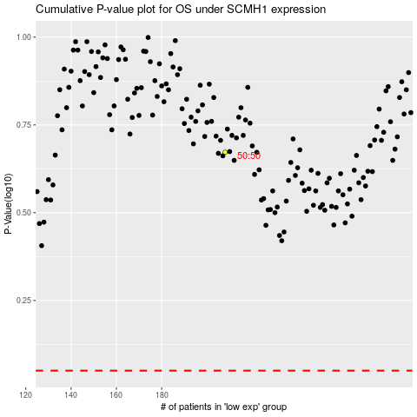

 |  |  |  |  |  | cases_OS | p_OS | rank | exp
 |  |  |  |  |  |  | cases_RFS | p_RFS | rank | exp

