SCN11A _multivariate
Reported by Tex Li-Hsing Chi. tex@gate.sinica.edu.tw 2019-08-16

Table 2. The clinicopathological features of HNSCC cohort and SCN11A expression. (Chi square test)
Cutoff at -0.274 (50.0%)
 |  | SCN11A expression |  | SCN11A expression |  | (Optimised)
 | Features | Low | (%) | High | (%) | Case no | P-value | Remark | Matthews
Gender | Female | 153 | 36.9 | 153 | 36.9 | 415 | 1 | 0 | 0
2 | Male | 54 | 13 | 55 | 13.3
Age at diagnosis | <=65y | 139 | 33.5 | 135 | 32.5 | 415 | 0.7044 | 0 | 0
4 | >65y | 68 | 16.4 | 73 | 17.6
Clinical T Status | T1+T2 | 64 | 15.4 | 85 | 20.5 | 415 | 0.0445 | 1 | 0
6 | T3+T4 | 143 | 34.5 | 123 | 29.6
Clinical N Status | N0 | 107 | 25.8 | 109 | 26.3 | 415 | 0.9624 | 0 | 0
8 | N1-3 | 100 | 24.1 | 99 | 23.9
Clinical M Status | M0 | 205 | 49.4 | 207 | 49.9 | 415 | 0.6232 | 0 | 0
10 | M1 | 2 | 0.5 | 1 | 0.2
Clinical Stage | Stage I+II | 47 | 11.3 | 55 | 13.3 | 415 | 0.4413 | 0 | 0
12 | Stage III+IV | 160 | 38.6 | 153 | 36.9
Surgical Margin status | Negative | 160 | 38.6 | 158 | 38.1 | 415 | 0.8167 | 0 | 0
14 | Positive | 47 | 11.3 | 50 | 12
Tobacco Exposure | Low | 80 | 19.3 | 81 | 19.5 | 415 | 1 | 0 | 0
16 | High | 127 | 30.6 | 127 | 30.6

Table 3. Univariate/Multivariate Cox's proportional hazards regression analyses on OS time of SCN11A gene expression in HNSCC

 |  | Univariate |  |  |  | Multivariate
 | Features | HR | CI95%(L) | CI95%(H) | P-value | HR | CI95%(L) | CI95%(H) | P-value
1 | Female | 1 |  |  |  | 1
Gender | Male | 1.157 | 0.843 | 1.587 | 0.367 | 1.193 | 0.853 | 1.668 | 0.303
11 | <=65y | 1 |  |  |  | 1
Age at diagnosis | >65y | 1.329 | 0.99 | 1.784 | 0.058 | 1.413 | 1.037 | 1.925 | 0.029
12 | T1+T2 | 1 |  |  |  | 1
Clinical T Status | T3+T4 | 1.409 | 1.028 | 1.931 | 0.033 | 2.156 | 1.138 | 4.084 | 0.018
13 | N0 | 1 |  |  |  | 1
Clinical N Status | N1-3 | 1.185 | 0.89 | 1.577 | 0.246 | 1.232 | 0.863 | 1.758 | 0.252
14 | M0 | 1 |  |  |  | 1
Clinical M Status | M1 | 4.097 | 1.009 | 16.644 | 0.049 | 9.148 | 1.993 | 41.997 | 0.004
15 | Stage I+II | 1 |  |  |  | 1
Clinical Stage | Stage III+IV | 1.245 | 0.882 | 1.759 | 0.213 | 0.514 | 0.239 | 1.105 | 0.088
16 | Negative | 1 |  |  |  | 1
Surgical Margin status | Positive | 1.591 | 1.155 | 2.191 | 0.004 | 1.693 | 1.223 | 2.342 | 0.002
17 | Low | 1 |  |  |  | 1
Tobacco Exposure | High | 1.364 | 1.008 | 1.844 | 0.044 | 1.462 | 1.06 | 2.018 | 0.021
18 | Low | 1 |  |  |  | 1
RNAseq(z-score) | High | 0.903 | 0.678 | 1.203 | 0.486 | 0.886 | 0.661 | 1.188 | 0.42

Table 4. Univariate/Multivariate Cox's proportional hazards regression analyses on RFS time of SCN11A gene expression in HNSCC

 |  | Univariate |  |  |  | Multivariate
 | Features | HR | CI95%(L) | CI95%(H) | P-value | HR | CI95%(L) | CI95%(H) | P-value
1 | Female | 1 |  |  |  | 1
Gender | Male | 1.157 | 0.843 | 1.587 | 0.367 | 1.193 | 0.853 | 1.668 | 0.303
11 | <=65y | 1 |  |  |  | 1
Age at diagnosis | >65y | 1.329 | 0.99 | 1.784 | 0.058 | 1.413 | 1.037 | 1.925 | 0.029
12 | T1+T2 | 1 |  |  |  | 1
Clinical T Status | T3+T4 | 1.409 | 1.028 | 1.931 | 0.033 | 2.156 | 1.138 | 4.084 | 0.018
13 | N0 | 1 |  |  |  | 1
Clinical N Status | N1-3 | 1.185 | 0.89 | 1.577 | 0.246 | 1.232 | 0.863 | 1.758 | 0.252
14 | M0 | 1 |  |  |  | 1
Clinical M Status | M1 | 4.097 | 1.009 | 16.644 | 0.049 | 9.148 | 1.993 | 41.997 | 0.004
15 | Stage I+II | 1 |  |  |  | 1
Clinical Stage | Stage III+IV | 1.245 | 0.882 | 1.759 | 0.213 | 0.514 | 0.239 | 1.105 | 0.088
16 | Negative | 1 |  |  |  | 1
Surgical Margin status | Positive | 1.591 | 1.155 | 2.191 | 0.004 | 1.693 | 1.223 | 2.342 | 0.002
17 | Low | 1 |  |  |  | 1
Tobacco Exposure | High | 1.364 | 1.008 | 1.844 | 0.044 | 1.462 | 1.06 | 2.018 | 0.021
18 | Low | 1 |  |  |  | 1
RNAseq(z-score) | High | 0.903 | 0.678 | 1.203 | 0.486 | 0.886 | 0.661 | 1.188 | 0.42

Kaplan-Meier survival estimate: Cutoff at -0.274 (50.0%)



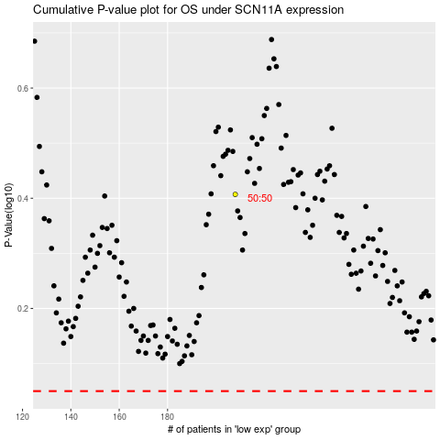

 |  |  |  |  |  | cases_OS | p_OS | rank | exp
 |  |  |  |  |  |  | cases_RFS | p_RFS | rank | exp

