SCN1B _multivariate
Reported by Tex Li-Hsing Chi. tex@gate.sinica.edu.tw 2019-08-16

Table 2. The clinicopathological features of HNSCC cohort and SCN1B expression. (Chi square test)
Cutoff at -0.245 (50.0%)
 |  | SCN1B expression |  | SCN1B expression |  | (Optimised)
 | Features | Low | (%) | High | (%) | Case no | P-value | Remark | Matthews
Gender | Female | 150 | 36.1 | 156 | 37.6 | 415 | 0.6344 | 0 | 0
2 | Male | 57 | 13.7 | 52 | 12.5
Age at diagnosis | <=65y | 138 | 33.3 | 136 | 32.8 | 415 | 0.8634 | 0 | 0
4 | >65y | 69 | 16.6 | 72 | 17.3
Clinical T Status | T1+T2 | 66 | 15.9 | 83 | 20 | 415 | 0.1095 | 0 | 0
6 | T3+T4 | 141 | 34 | 125 | 30.1
Clinical N Status | N0 | 110 | 26.5 | 106 | 25.5 | 415 | 0.7294 | 0 | 0
8 | N1-3 | 97 | 23.4 | 102 | 24.6
Clinical M Status | M0 | 204 | 49.2 | 208 | 50.1 | 415 | 0.1232 | 0 | 0
10 | M1 | 3 | 0.7 | 0 | 0
Clinical Stage | Stage I+II | 41 | 9.9 | 61 | 14.7 | 415 | 0.0325 | 1 | 0
12 | Stage III+IV | 166 | 40 | 147 | 35.4
Surgical Margin status | Negative | 157 | 37.8 | 161 | 38.8 | 415 | 0.729 | 0 | 0
14 | Positive | 50 | 12 | 47 | 11.3
Tobacco Exposure | Low | 89 | 21.4 | 72 | 17.3 | 415 | 0.0872 | 0 | 0
16 | High | 118 | 28.4 | 136 | 32.8

Table 3. Univariate/Multivariate Cox's proportional hazards regression analyses on OS time of SCN1B gene expression in HNSCC

 |  | Univariate |  |  |  | Multivariate
 | Features | HR | CI95%(L) | CI95%(H) | P-value | HR | CI95%(L) | CI95%(H) | P-value
1 | Female | 1 |  |  |  | 1
Gender | Male | 1.157 | 0.843 | 1.587 | 0.367 | 1.215 | 0.87 | 1.696 | 0.254
11 | <=65y | 1 |  |  |  | 1
Age at diagnosis | >65y | 1.329 | 0.99 | 1.784 | 0.058 | 1.379 | 1.013 | 1.876 | 0.041
12 | T1+T2 | 1 |  |  |  | 1
Clinical T Status | T3+T4 | 1.409 | 1.028 | 1.931 | 0.033 | 2.18 | 1.152 | 4.123 | 0.017
13 | N0 | 1 |  |  |  | 1
Clinical N Status | N1-3 | 1.185 | 0.89 | 1.577 | 0.246 | 1.212 | 0.848 | 1.732 | 0.292
14 | M0 | 1 |  |  |  | 1
Clinical M Status | M1 | 4.097 | 1.009 | 16.644 | 0.049 | 10.464 | 2.267 | 48.307 | 0.003
15 | Stage I+II | 1 |  |  |  | 1
Clinical Stage | Stage III+IV | 1.245 | 0.882 | 1.759 | 0.213 | 0.537 | 0.249 | 1.157 | 0.112
16 | Negative | 1 |  |  |  | 1
Surgical Margin status | Positive | 1.591 | 1.155 | 2.191 | 0.004 | 1.658 | 1.2 | 2.29 | 0.002
17 | Low | 1 |  |  |  | 1
Tobacco Exposure | High | 1.364 | 1.008 | 1.844 | 0.044 | 1.422 | 1.032 | 1.96 | 0.031
18 | Low | 1 |  |  |  | 1
RNAseq(z-score) | High | 1.24 | 0.93 | 1.654 | 0.143 | 1.247 | 0.928 | 1.676 | 0.143

Table 4. Univariate/Multivariate Cox's proportional hazards regression analyses on RFS time of SCN1B gene expression in HNSCC

 |  | Univariate |  |  |  | Multivariate
 | Features | HR | CI95%(L) | CI95%(H) | P-value | HR | CI95%(L) | CI95%(H) | P-value
1 | Female | 1 |  |  |  | 1
Gender | Male | 1.157 | 0.843 | 1.587 | 0.367 | 1.215 | 0.87 | 1.696 | 0.254
11 | <=65y | 1 |  |  |  | 1
Age at diagnosis | >65y | 1.329 | 0.99 | 1.784 | 0.058 | 1.379 | 1.013 | 1.876 | 0.041
12 | T1+T2 | 1 |  |  |  | 1
Clinical T Status | T3+T4 | 1.409 | 1.028 | 1.931 | 0.033 | 2.18 | 1.152 | 4.123 | 0.017
13 | N0 | 1 |  |  |  | 1
Clinical N Status | N1-3 | 1.185 | 0.89 | 1.577 | 0.246 | 1.212 | 0.848 | 1.732 | 0.292
14 | M0 | 1 |  |  |  | 1
Clinical M Status | M1 | 4.097 | 1.009 | 16.644 | 0.049 | 10.464 | 2.267 | 48.307 | 0.003
15 | Stage I+II | 1 |  |  |  | 1
Clinical Stage | Stage III+IV | 1.245 | 0.882 | 1.759 | 0.213 | 0.537 | 0.249 | 1.157 | 0.112
16 | Negative | 1 |  |  |  | 1
Surgical Margin status | Positive | 1.591 | 1.155 | 2.191 | 0.004 | 1.658 | 1.2 | 2.29 | 0.002
17 | Low | 1 |  |  |  | 1
Tobacco Exposure | High | 1.364 | 1.008 | 1.844 | 0.044 | 1.422 | 1.032 | 1.96 | 0.031
18 | Low | 1 |  |  |  | 1
RNAseq(z-score) | High | 1.24 | 0.93 | 1.654 | 0.143 | 1.247 | 0.928 | 1.676 | 0.143

Kaplan-Meier survival estimate: Cutoff at -0.245 (50.0%)



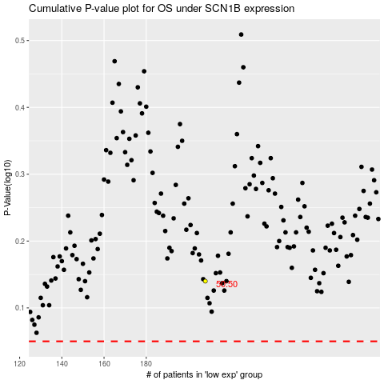

 |  |  |  |  |  | cases_OS | p_OS | rank | exp
 |  |  |  |  |  |  | cases_RFS | p_RFS | rank | exp

