SCN3B _multivariate
Reported by Tex Li-Hsing Chi. tex@gate.sinica.edu.tw 2019-08-16

Table 2. The clinicopathological features of HNSCC cohort and SCN3B expression. (Chi square test)
Cutoff at -0.341 (52.7%)
 |  | SCN3B expression |  | SCN3B expression |  | (Optimised)
 | Features | Low | (%) | High | (%) | Case no | P-value | Remark | Matthews
Gender | Female | 169 | 40.7 | 137 | 33 | 415 | 0.0831 | 0 | 0
2 | Male | 49 | 11.8 | 60 | 14.5
Age at diagnosis | <=65y | 143 | 34.5 | 131 | 31.6 | 415 | 0.9285 | 0 | 0
4 | >65y | 75 | 18.1 | 66 | 15.9
Clinical T Status | T1+T2 | 73 | 17.6 | 76 | 18.3 | 415 | 0.3284 | 0 | 0
6 | T3+T4 | 145 | 34.9 | 121 | 29.2
Clinical N Status | N0 | 102 | 24.6 | 114 | 27.5 | 415 | 0.031 | 1 | 0
8 | N1-3 | 116 | 28 | 83 | 20
Clinical M Status | M0 | 216 | 52 | 196 | 47.2 | 415 | 1 | 0 | 0
10 | M1 | 2 | 0.5 | 1 | 0.2
Clinical Stage | Stage I+II | 44 | 10.6 | 58 | 14 | 415 | 0.0381 | 1 | 0
12 | Stage III+IV | 174 | 41.9 | 139 | 33.5
Surgical Margin status | Negative | 165 | 39.8 | 153 | 36.9 | 415 | 0.6443 | 0 | 0
14 | Positive | 53 | 12.8 | 44 | 10.6
Tobacco Exposure | Low | 74 | 17.8 | 87 | 21 | 415 | 0.0347 | 1 | 0
16 | High | 144 | 34.7 | 110 | 26.5

Table 3. Univariate/Multivariate Cox's proportional hazards regression analyses on OS time of SCN3B gene expression in HNSCC

 |  | Univariate |  |  |  | Multivariate
 | Features | HR | CI95%(L) | CI95%(H) | P-value | HR | CI95%(L) | CI95%(H) | P-value
1 | Female | 1 |  |  |  | 1
Gender | Male | 1.157 | 0.843 | 1.587 | 0.367 | 1.16 | 0.83 | 1.623 | 0.385
11 | <=65y | 1 |  |  |  | 1
Age at diagnosis | >65y | 1.329 | 0.99 | 1.784 | 0.058 | 1.416 | 1.04 | 1.928 | 0.027
12 | T1+T2 | 1 |  |  |  | 1
Clinical T Status | T3+T4 | 1.409 | 1.028 | 1.931 | 0.033 | 2.137 | 1.129 | 4.043 | 0.02
13 | N0 | 1 |  |  |  | 1
Clinical N Status | N1-3 | 1.185 | 0.89 | 1.577 | 0.246 | 1.272 | 0.892 | 1.815 | 0.185
14 | M0 | 1 |  |  |  | 1
Clinical M Status | M1 | 4.097 | 1.009 | 16.644 | 0.049 | 9.147 | 1.996 | 41.923 | 0.004
15 | Stage I+II | 1 |  |  |  | 1
Clinical Stage | Stage III+IV | 1.245 | 0.882 | 1.759 | 0.213 | 0.532 | 0.248 | 1.143 | 0.106
16 | Negative | 1 |  |  |  | 1
Surgical Margin status | Positive | 1.591 | 1.155 | 2.191 | 0.004 | 1.644 | 1.19 | 2.271 | 0.003
17 | Low | 1 |  |  |  | 1
Tobacco Exposure | High | 1.364 | 1.008 | 1.844 | 0.044 | 1.497 | 1.085 | 2.065 | 0.014
18 | Low | 1 |  |  |  | 1
RNAseq(z-score) | High | 1.334 | 1.001 | 1.777 | 0.049 | 1.384 | 1.032 | 1.856 | 0.03

Table 4. Univariate/Multivariate Cox's proportional hazards regression analyses on RFS time of SCN3B gene expression in HNSCC

 |  | Univariate |  |  |  | Multivariate
 | Features | HR | CI95%(L) | CI95%(H) | P-value | HR | CI95%(L) | CI95%(H) | P-value
1 | Female | 1 |  |  |  | 1
Gender | Male | 1.157 | 0.843 | 1.587 | 0.367 | 1.16 | 0.83 | 1.623 | 0.385
11 | <=65y | 1 |  |  |  | 1
Age at diagnosis | >65y | 1.329 | 0.99 | 1.784 | 0.058 | 1.416 | 1.04 | 1.928 | 0.027
12 | T1+T2 | 1 |  |  |  | 1
Clinical T Status | T3+T4 | 1.409 | 1.028 | 1.931 | 0.033 | 2.137 | 1.129 | 4.043 | 0.02
13 | N0 | 1 |  |  |  | 1
Clinical N Status | N1-3 | 1.185 | 0.89 | 1.577 | 0.246 | 1.272 | 0.892 | 1.815 | 0.185
14 | M0 | 1 |  |  |  | 1
Clinical M Status | M1 | 4.097 | 1.009 | 16.644 | 0.049 | 9.147 | 1.996 | 41.923 | 0.004
15 | Stage I+II | 1 |  |  |  | 1
Clinical Stage | Stage III+IV | 1.245 | 0.882 | 1.759 | 0.213 | 0.532 | 0.248 | 1.143 | 0.106
16 | Negative | 1 |  |  |  | 1
Surgical Margin status | Positive | 1.591 | 1.155 | 2.191 | 0.004 | 1.644 | 1.19 | 2.271 | 0.003
17 | Low | 1 |  |  |  | 1
Tobacco Exposure | High | 1.364 | 1.008 | 1.844 | 0.044 | 1.497 | 1.085 | 2.065 | 0.014
18 | Low | 1 |  |  |  | 1
RNAseq(z-score) | High | 1.334 | 1.001 | 1.777 | 0.049 | 1.384 | 1.032 | 1.856 | 0.03

Kaplan-Meier survival estimate: Cutoff at -0.341 (52.7%)



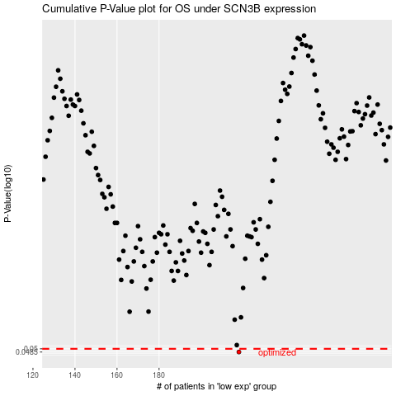

 |  |  |  |  |  | cases_OS | p_OS | rank | exp
 |  |  |  |  |  | 218 | 0.0485 | 274 | -0.34080723432
 |  |  |  |  |  |  | cases_RFS | p_RFS | rank | exp
 |  |  |  |  |  |  | 217 | 0.0485 | 197 | -0.34098369556

