SCN4A _multivariate
Reported by Tex Li-Hsing Chi. tex@gate.sinica.edu.tw 2019-08-16

Table 2. The clinicopathological features of HNSCC cohort and SCN4A expression. (Chi square test)
Cutoff at -0.209 (55.6%)
 |  | SCN4A expression |  | SCN4A expression |  | (Optimised)
 | Features | Low | (%) | High | (%) | Case no | P-value | Remark | Matthews
Gender | Female | 174 | 41.9 | 132 | 31.8 | 415 | 0.3803 | 0 | 0
2 | Male | 56 | 13.5 | 53 | 12.8
Age at diagnosis | <=65y | 141 | 34 | 133 | 32 | 415 | 0.0308 | 1 | 0
4 | >65y | 89 | 21.4 | 52 | 12.5
Clinical T Status | T1+T2 | 71 | 17.1 | 78 | 18.8 | 415 | 0.0226 | 1 | 0
6 | T3+T4 | 159 | 38.3 | 107 | 25.8
Clinical N Status | N0 | 125 | 30.1 | 91 | 21.9 | 415 | 0.3438 | 0 | 0
8 | N1-3 | 105 | 25.3 | 94 | 22.7
Clinical M Status | M0 | 227 | 54.7 | 185 | 44.6 | 415 | 0.257 | 0 | 0
10 | M1 | 3 | 0.7 | 0 | 0
Clinical Stage | Stage I+II | 48 | 11.6 | 54 | 13 | 415 | 0.0655 | 0 | 0
12 | Stage III+IV | 182 | 43.9 | 131 | 31.6
Surgical Margin status | Negative | 171 | 41.2 | 147 | 35.4 | 415 | 0.2442 | 0 | 0
14 | Positive | 59 | 14.2 | 38 | 9.2
Tobacco Exposure | Low | 95 | 22.9 | 66 | 15.9 | 415 | 0.2655 | 0 | 0
16 | High | 135 | 32.5 | 119 | 28.7

Table 3. Univariate/Multivariate Cox's proportional hazards regression analyses on OS time of SCN4A gene expression in HNSCC

 |  | Univariate |  |  |  | Multivariate
 | Features | HR | CI95%(L) | CI95%(H) | P-value | HR | CI95%(L) | CI95%(H) | P-value
1 | Female | 1 |  |  |  | 1
Gender | Male | 1.157 | 0.843 | 1.587 | 0.367 | 1.148 | 0.821 | 1.605 | 0.42
11 | <=65y | 1 |  |  |  | 1
Age at diagnosis | >65y | 1.329 | 0.99 | 1.784 | 0.058 | 1.438 | 1.056 | 1.958 | 0.021
12 | T1+T2 | 1 |  |  |  | 1
Clinical T Status | T3+T4 | 1.409 | 1.028 | 1.931 | 0.033 | 2.234 | 1.181 | 4.227 | 0.014
13 | N0 | 1 |  |  |  | 1
Clinical N Status | N1-3 | 1.185 | 0.89 | 1.577 | 0.246 | 1.178 | 0.823 | 1.687 | 0.371
14 | M0 | 1 |  |  |  | 1
Clinical M Status | M1 | 4.097 | 1.009 | 16.644 | 0.049 | 11.392 | 2.463 | 52.684 | 0.002
15 | Stage I+II | 1 |  |  |  | 1
Clinical Stage | Stage III+IV | 1.245 | 0.882 | 1.759 | 0.213 | 0.527 | 0.245 | 1.134 | 0.101
16 | Negative | 1 |  |  |  | 1
Surgical Margin status | Positive | 1.591 | 1.155 | 2.191 | 0.004 | 1.698 | 1.23 | 2.346 | 0.001
17 | Low | 1 |  |  |  | 1
Tobacco Exposure | High | 1.364 | 1.008 | 1.844 | 0.044 | 1.416 | 1.029 | 1.949 | 0.033
18 | Low | 1 |  |  |  | 1
RNAseq(z-score) | High | 1.362 | 1.021 | 1.818 | 0.036 | 1.449 | 1.076 | 1.952 | 0.015

Table 4. Univariate/Multivariate Cox's proportional hazards regression analyses on RFS time of SCN4A gene expression in HNSCC

 |  | Univariate |  |  |  | Multivariate
 | Features | HR | CI95%(L) | CI95%(H) | P-value | HR | CI95%(L) | CI95%(H) | P-value
1 | Female | 1 |  |  |  | 1
Gender | Male | 1.157 | 0.843 | 1.587 | 0.367 | 1.148 | 0.821 | 1.605 | 0.42
11 | <=65y | 1 |  |  |  | 1
Age at diagnosis | >65y | 1.329 | 0.99 | 1.784 | 0.058 | 1.438 | 1.056 | 1.958 | 0.021
12 | T1+T2 | 1 |  |  |  | 1
Clinical T Status | T3+T4 | 1.409 | 1.028 | 1.931 | 0.033 | 2.234 | 1.181 | 4.227 | 0.014
13 | N0 | 1 |  |  |  | 1
Clinical N Status | N1-3 | 1.185 | 0.89 | 1.577 | 0.246 | 1.178 | 0.823 | 1.687 | 0.371
14 | M0 | 1 |  |  |  | 1
Clinical M Status | M1 | 4.097 | 1.009 | 16.644 | 0.049 | 11.392 | 2.463 | 52.684 | 0.002
15 | Stage I+II | 1 |  |  |  | 1
Clinical Stage | Stage III+IV | 1.245 | 0.882 | 1.759 | 0.213 | 0.527 | 0.245 | 1.134 | 0.101
16 | Negative | 1 |  |  |  | 1
Surgical Margin status | Positive | 1.591 | 1.155 | 2.191 | 0.004 | 1.698 | 1.23 | 2.346 | 0.001
17 | Low | 1 |  |  |  | 1
Tobacco Exposure | High | 1.364 | 1.008 | 1.844 | 0.044 | 1.416 | 1.029 | 1.949 | 0.033
18 | Low | 1 |  |  |  | 1
RNAseq(z-score) | High | 1.362 | 1.021 | 1.818 | 0.036 | 1.449 | 1.076 | 1.952 | 0.015

Kaplan-Meier survival estimate: Cutoff at -0.209 (55.6%)



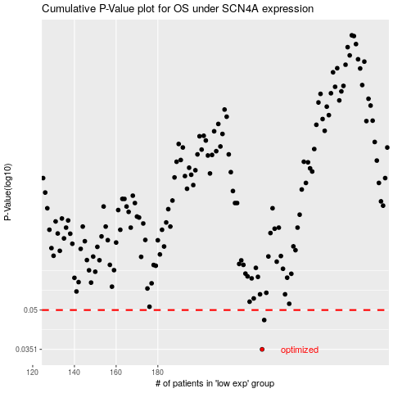

 |  |  |  |  |  | cases_OS | p_OS | rank | exp
 |  |  |  |  |  | 230 | 0.0351 | 253 | -0.20860927572
 |  |  |  |  |  | 231 | 0.0457 | 117 | -0.20853911352
 |  |  |  |  |  |  | cases_RFS | p_RFS | rank | exp
 |  |  |  |  |  |  | 229 | 0.0351 | 205 | -0.20900182674
 |  |  |  |  |  |  | 230 | 0.0457 | 253 | -0.20860927572

