SCN4B _multivariate
Reported by Tex Li-Hsing Chi. tex@gate.sinica.edu.tw 2019-08-16

Table 2. The clinicopathological features of HNSCC cohort and SCN4B expression. (Chi square test)
Cutoff at -0.276 (50.0%)
 |  | SCN4B expression |  | SCN4B expression |  | (Optimised)
 | Features | Low | (%) | High | (%) | Case no | P-value | Remark | Matthews
Gender | Female | 150 | 36.1 | 156 | 37.6 | 415 | 0.6344 | 0 | 0
2 | Male | 57 | 13.7 | 52 | 12.5
Age at diagnosis | <=65y | 135 | 32.5 | 139 | 33.5 | 415 | 0.8084 | 0 | 0
4 | >65y | 72 | 17.3 | 69 | 16.6
Clinical T Status | T1+T2 | 67 | 16.1 | 82 | 19.8 | 415 | 0.1628 | 0 | 0
6 | T3+T4 | 140 | 33.7 | 126 | 30.4
Clinical N Status | N0 | 101 | 24.3 | 115 | 27.7 | 415 | 0.2201 | 0 | 0
8 | N1-3 | 106 | 25.5 | 93 | 22.4
Clinical M Status | M0 | 204 | 49.2 | 208 | 50.1 | 415 | 0.1232 | 0 | 0
10 | M1 | 3 | 0.7 | 0 | 0
Clinical Stage | Stage I+II | 43 | 10.4 | 59 | 14.2 | 415 | 0.0925 | 0 | 0
12 | Stage III+IV | 164 | 39.5 | 149 | 35.9
Surgical Margin status | Negative | 156 | 37.6 | 162 | 39 | 415 | 0.5636 | 0 | 0
14 | Positive | 51 | 12.3 | 46 | 11.1
Tobacco Exposure | Low | 78 | 18.8 | 83 | 20 | 415 | 0.6873 | 0 | 0
16 | High | 129 | 31.1 | 125 | 30.1

Table 3. Univariate/Multivariate Cox's proportional hazards regression analyses on OS time of SCN4B gene expression in HNSCC

 |  | Univariate |  |  |  | Multivariate
 | Features | HR | CI95%(L) | CI95%(H) | P-value | HR | CI95%(L) | CI95%(H) | P-value
1 | Female | 1 |  |  |  | 1
Gender | Male | 1.157 | 0.843 | 1.587 | 0.367 | 1.194 | 0.854 | 1.67 | 0.299
11 | <=65y | 1 |  |  |  | 1
Age at diagnosis | >65y | 1.329 | 0.99 | 1.784 | 0.058 | 1.393 | 1.024 | 1.896 | 0.035
12 | T1+T2 | 1 |  |  |  | 1
Clinical T Status | T3+T4 | 1.409 | 1.028 | 1.931 | 0.033 | 2.191 | 1.159 | 4.144 | 0.016
13 | N0 | 1 |  |  |  | 1
Clinical N Status | N1-3 | 1.185 | 0.89 | 1.577 | 0.246 | 1.236 | 0.866 | 1.763 | 0.244
14 | M0 | 1 |  |  |  | 1
Clinical M Status | M1 | 4.097 | 1.009 | 16.644 | 0.049 | 8.724 | 1.889 | 40.283 | 0.006
15 | Stage I+II | 1 |  |  |  | 1
Clinical Stage | Stage III+IV | 1.245 | 0.882 | 1.759 | 0.213 | 0.508 | 0.236 | 1.09 | 0.082
16 | Negative | 1 |  |  |  | 1
Surgical Margin status | Positive | 1.591 | 1.155 | 2.191 | 0.004 | 1.639 | 1.183 | 2.27 | 0.003
17 | Low | 1 |  |  |  | 1
Tobacco Exposure | High | 1.364 | 1.008 | 1.844 | 0.044 | 1.453 | 1.054 | 2.003 | 0.023
18 | Low | 1 |  |  |  | 1
RNAseq(z-score) | High | 0.805 | 0.603 | 1.074 | 0.141 | 0.866 | 0.647 | 1.161 | 0.337

Table 4. Univariate/Multivariate Cox's proportional hazards regression analyses on RFS time of SCN4B gene expression in HNSCC

 |  | Univariate |  |  |  | Multivariate
 | Features | HR | CI95%(L) | CI95%(H) | P-value | HR | CI95%(L) | CI95%(H) | P-value
1 | Female | 1 |  |  |  | 1
Gender | Male | 1.157 | 0.843 | 1.587 | 0.367 | 1.194 | 0.854 | 1.67 | 0.299
11 | <=65y | 1 |  |  |  | 1
Age at diagnosis | >65y | 1.329 | 0.99 | 1.784 | 0.058 | 1.393 | 1.024 | 1.896 | 0.035
12 | T1+T2 | 1 |  |  |  | 1
Clinical T Status | T3+T4 | 1.409 | 1.028 | 1.931 | 0.033 | 2.191 | 1.159 | 4.144 | 0.016
13 | N0 | 1 |  |  |  | 1
Clinical N Status | N1-3 | 1.185 | 0.89 | 1.577 | 0.246 | 1.236 | 0.866 | 1.763 | 0.244
14 | M0 | 1 |  |  |  | 1
Clinical M Status | M1 | 4.097 | 1.009 | 16.644 | 0.049 | 8.724 | 1.889 | 40.283 | 0.006
15 | Stage I+II | 1 |  |  |  | 1
Clinical Stage | Stage III+IV | 1.245 | 0.882 | 1.759 | 0.213 | 0.508 | 0.236 | 1.09 | 0.082
16 | Negative | 1 |  |  |  | 1
Surgical Margin status | Positive | 1.591 | 1.155 | 2.191 | 0.004 | 1.639 | 1.183 | 2.27 | 0.003
17 | Low | 1 |  |  |  | 1
Tobacco Exposure | High | 1.364 | 1.008 | 1.844 | 0.044 | 1.453 | 1.054 | 2.003 | 0.023
18 | Low | 1 |  |  |  | 1
RNAseq(z-score) | High | 0.805 | 0.603 | 1.074 | 0.141 | 0.866 | 0.647 | 1.161 | 0.337

Kaplan-Meier survival estimate: Cutoff at -0.276 (50.0%)



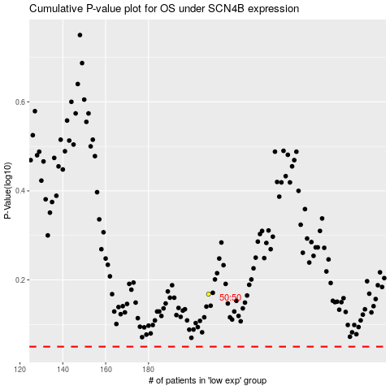

 |  |  |  |  |  | cases_OS | p_OS | rank | exp
 |  |  |  |  |  |  | cases_RFS | p_RFS | rank | exp

