SCN8A _multivariate
Reported by Tex Li-Hsing Chi. tex@gate.sinica.edu.tw 2019-08-16

Table 2. The clinicopathological features of HNSCC cohort and SCN8A expression. (Chi square test)
Cutoff at -0.31 (49.8%)
 |  | SCN8A expression |  | SCN8A expression |  | (Optimised)
 | Features | Low | (%) | High | (%) | Case no | P-value | Remark | Matthews
Gender | Female | 161 | 38.8 | 145 | 34.9 | 415 | 0.0792 | 0 | 0
2 | Male | 46 | 11.1 | 63 | 15.2
Age at diagnosis | <=65y | 146 | 35.2 | 128 | 30.8 | 415 | 0.0672 | 0 | 0
4 | >65y | 61 | 14.7 | 80 | 19.3
Clinical T Status | T1+T2 | 78 | 18.8 | 71 | 17.1 | 415 | 0.5152 | 0 | 0
6 | T3+T4 | 129 | 31.1 | 137 | 33
Clinical N Status | N0 | 96 | 23.1 | 120 | 28.9 | 415 | 0.0272 | 1 | 0
8 | N1-3 | 111 | 26.7 | 88 | 21.2
Clinical M Status | M0 | 205 | 49.4 | 207 | 49.9 | 415 | 0.6232 | 0 | 0
10 | M1 | 2 | 0.5 | 1 | 0.2
Clinical Stage | Stage I+II | 50 | 12 | 52 | 12.5 | 415 | 0.9315 | 0 | 0
12 | Stage III+IV | 157 | 37.8 | 156 | 37.6
Surgical Margin status | Negative | 159 | 38.3 | 159 | 38.3 | 415 | 1 | 0 | 0
14 | Positive | 48 | 11.6 | 49 | 11.8
Tobacco Exposure | Low | 80 | 19.3 | 81 | 19.5 | 415 | 1 | 0 | 0
16 | High | 127 | 30.6 | 127 | 30.6

Table 3. Univariate/Multivariate Cox's proportional hazards regression analyses on OS time of SCN8A gene expression in HNSCC

 |  | Univariate |  |  |  | Multivariate
 | Features | HR | CI95%(L) | CI95%(H) | P-value | HR | CI95%(L) | CI95%(H) | P-value
1 | Female | 1 |  |  |  | 1
Gender | Male | 1.157 | 0.843 | 1.587 | 0.367 | 1.199 | 0.858 | 1.677 | 0.288
11 | <=65y | 1 |  |  |  | 1
Age at diagnosis | >65y | 1.329 | 0.99 | 1.784 | 0.058 | 1.39 | 1.022 | 1.89 | 0.036
12 | T1+T2 | 1 |  |  |  | 1
Clinical T Status | T3+T4 | 1.409 | 1.028 | 1.931 | 0.033 | 2.197 | 1.161 | 4.158 | 0.016
13 | N0 | 1 |  |  |  | 1
Clinical N Status | N1-3 | 1.185 | 0.89 | 1.577 | 0.246 | 1.243 | 0.87 | 1.774 | 0.232
14 | M0 | 1 |  |  |  | 1
Clinical M Status | M1 | 4.097 | 1.009 | 16.644 | 0.049 | 9.44 | 2.058 | 43.306 | 0.004
15 | Stage I+II | 1 |  |  |  | 1
Clinical Stage | Stage III+IV | 1.245 | 0.882 | 1.759 | 0.213 | 0.505 | 0.235 | 1.083 | 0.079
16 | Negative | 1 |  |  |  | 1
Surgical Margin status | Positive | 1.591 | 1.155 | 2.191 | 0.004 | 1.673 | 1.21 | 2.312 | 0.002
17 | Low | 1 |  |  |  | 1
Tobacco Exposure | High | 1.364 | 1.008 | 1.844 | 0.044 | 1.454 | 1.055 | 2.004 | 0.022
18 | Low | 1 |  |  |  | 1
RNAseq(z-score) | High | 1.036 | 0.778 | 1.381 | 0.807 | 1.022 | 0.763 | 1.368 | 0.886

Table 4. Univariate/Multivariate Cox's proportional hazards regression analyses on RFS time of SCN8A gene expression in HNSCC

 |  | Univariate |  |  |  | Multivariate
 | Features | HR | CI95%(L) | CI95%(H) | P-value | HR | CI95%(L) | CI95%(H) | P-value
1 | Female | 1 |  |  |  | 1
Gender | Male | 1.157 | 0.843 | 1.587 | 0.367 | 1.199 | 0.858 | 1.677 | 0.288
11 | <=65y | 1 |  |  |  | 1
Age at diagnosis | >65y | 1.329 | 0.99 | 1.784 | 0.058 | 1.39 | 1.022 | 1.89 | 0.036
12 | T1+T2 | 1 |  |  |  | 1
Clinical T Status | T3+T4 | 1.409 | 1.028 | 1.931 | 0.033 | 2.197 | 1.161 | 4.158 | 0.016
13 | N0 | 1 |  |  |  | 1
Clinical N Status | N1-3 | 1.185 | 0.89 | 1.577 | 0.246 | 1.243 | 0.87 | 1.774 | 0.232
14 | M0 | 1 |  |  |  | 1
Clinical M Status | M1 | 4.097 | 1.009 | 16.644 | 0.049 | 9.44 | 2.058 | 43.306 | 0.004
15 | Stage I+II | 1 |  |  |  | 1
Clinical Stage | Stage III+IV | 1.245 | 0.882 | 1.759 | 0.213 | 0.505 | 0.235 | 1.083 | 0.079
16 | Negative | 1 |  |  |  | 1
Surgical Margin status | Positive | 1.591 | 1.155 | 2.191 | 0.004 | 1.673 | 1.21 | 2.312 | 0.002
17 | Low | 1 |  |  |  | 1
Tobacco Exposure | High | 1.364 | 1.008 | 1.844 | 0.044 | 1.454 | 1.055 | 2.004 | 0.022
18 | Low | 1 |  |  |  | 1
RNAseq(z-score) | High | 1.036 | 0.778 | 1.381 | 0.807 | 1.022 | 0.763 | 1.368 | 0.886

Kaplan-Meier survival estimate: Cutoff at -0.31 (49.8%)



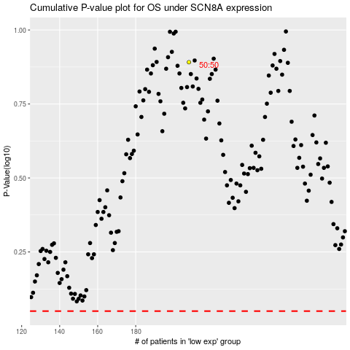

 |  |  |  |  |  | cases_OS | p_OS | rank | exp
 |  |  |  |  |  |  | cases_RFS | p_RFS | rank | exp

