SCNM1 _multivariate
Reported by Tex Li-Hsing Chi. tex@gate.sinica.edu.tw 2019-08-16

Table 2. The clinicopathological features of HNSCC cohort and SCNM1 expression. (Chi square test)
Cutoff at -0.22 (50.0%)
 |  | SCNM1 expression |  | SCNM1 expression |  | (Optimised)
 | Features | Low | (%) | High | (%) | Case no | P-value | Remark | Matthews
Gender | Female | 152 | 36.6 | 154 | 37.1 | 415 | 0.9766 | 0 | 0
2 | Male | 55 | 13.3 | 54 | 13
Age at diagnosis | <=65y | 130 | 31.3 | 144 | 34.7 | 415 | 0.2009 | 0 | 0
4 | >65y | 77 | 18.6 | 64 | 15.4
Clinical T Status | T1+T2 | 71 | 17.1 | 78 | 18.8 | 415 | 0.5638 | 0 | 0
6 | T3+T4 | 136 | 32.8 | 130 | 31.3
Clinical N Status | N0 | 113 | 27.2 | 103 | 24.8 | 415 | 0.3495 | 1 | 0
8 | N1-3 | 94 | 22.7 | 105 | 25.3
Clinical M Status | M0 | 207 | 49.9 | 205 | 49.4 | 415 | 0.2482 | 0 | 0
10 | M1 | 0 | 0 | 3 | 0.7
Clinical Stage | Stage I+II | 52 | 12.5 | 50 | 12 | 415 | 0.8871 | 0 | 0
12 | Stage III+IV | 155 | 37.3 | 158 | 38.1
Surgical Margin status | Negative | 163 | 39.3 | 155 | 37.3 | 415 | 0.3537 | 0 | 0
14 | Positive | 44 | 10.6 | 53 | 12.8
Tobacco Exposure | Low | 75 | 18.1 | 86 | 20.7 | 415 | 0.3141 | 0 | 0
16 | High | 132 | 31.8 | 122 | 29.4

Table 3. Univariate/Multivariate Cox's proportional hazards regression analyses on OS time of SCNM1 gene expression in HNSCC

 |  | Univariate |  |  |  | Multivariate
 | Features | HR | CI95%(L) | CI95%(H) | P-value | HR | CI95%(L) | CI95%(H) | P-value
1 | Female | 1 |  |  |  | 1
Gender | Male | 1.157 | 0.843 | 1.587 | 0.367 | 1.208 | 0.865 | 1.686 | 0.267
11 | <=65y | 1 |  |  |  | 1
Age at diagnosis | >65y | 1.329 | 0.99 | 1.784 | 0.058 | 1.379 | 1.013 | 1.877 | 0.041
12 | T1+T2 | 1 |  |  |  | 1
Clinical T Status | T3+T4 | 1.409 | 1.028 | 1.931 | 0.033 | 2.21 | 1.169 | 4.178 | 0.015
13 | N0 | 1 |  |  |  | 1
Clinical N Status | N1-3 | 1.185 | 0.89 | 1.577 | 0.246 | 1.274 | 0.891 | 1.821 | 0.185
14 | M0 | 1 |  |  |  | 1
Clinical M Status | M1 | 4.097 | 1.009 | 16.644 | 0.049 | 10.454 | 2.263 | 48.287 | 0.003
15 | Stage I+II | 1 |  |  |  | 1
Clinical Stage | Stage III+IV | 1.245 | 0.882 | 1.759 | 0.213 | 0.497 | 0.231 | 1.068 | 0.073
16 | Negative | 1 |  |  |  | 1
Surgical Margin status | Positive | 1.591 | 1.155 | 2.191 | 0.004 | 1.708 | 1.234 | 2.364 | 0.001
17 | Low | 1 |  |  |  | 1
Tobacco Exposure | High | 1.364 | 1.008 | 1.844 | 0.044 | 1.445 | 1.049 | 1.99 | 0.024
18 | Low | 1 |  |  |  | 1
RNAseq(z-score) | High | 0.842 | 0.632 | 1.123 | 0.242 | 0.809 | 0.603 | 1.084 | 0.156

Table 4. Univariate/Multivariate Cox's proportional hazards regression analyses on RFS time of SCNM1 gene expression in HNSCC

 |  | Univariate |  |  |  | Multivariate
 | Features | HR | CI95%(L) | CI95%(H) | P-value | HR | CI95%(L) | CI95%(H) | P-value
1 | Female | 1 |  |  |  | 1
Gender | Male | 1.157 | 0.843 | 1.587 | 0.367 | 1.208 | 0.865 | 1.686 | 0.267
11 | <=65y | 1 |  |  |  | 1
Age at diagnosis | >65y | 1.329 | 0.99 | 1.784 | 0.058 | 1.379 | 1.013 | 1.877 | 0.041
12 | T1+T2 | 1 |  |  |  | 1
Clinical T Status | T3+T4 | 1.409 | 1.028 | 1.931 | 0.033 | 2.21 | 1.169 | 4.178 | 0.015
13 | N0 | 1 |  |  |  | 1
Clinical N Status | N1-3 | 1.185 | 0.89 | 1.577 | 0.246 | 1.274 | 0.891 | 1.821 | 0.185
14 | M0 | 1 |  |  |  | 1
Clinical M Status | M1 | 4.097 | 1.009 | 16.644 | 0.049 | 10.454 | 2.263 | 48.287 | 0.003
15 | Stage I+II | 1 |  |  |  | 1
Clinical Stage | Stage III+IV | 1.245 | 0.882 | 1.759 | 0.213 | 0.497 | 0.231 | 1.068 | 0.073
16 | Negative | 1 |  |  |  | 1
Surgical Margin status | Positive | 1.591 | 1.155 | 2.191 | 0.004 | 1.708 | 1.234 | 2.364 | 0.001
17 | Low | 1 |  |  |  | 1
Tobacco Exposure | High | 1.364 | 1.008 | 1.844 | 0.044 | 1.445 | 1.049 | 1.99 | 0.024
18 | Low | 1 |  |  |  | 1
RNAseq(z-score) | High | 0.842 | 0.632 | 1.123 | 0.242 | 0.809 | 0.603 | 1.084 | 0.156

Kaplan-Meier survival estimate: Cutoff at -0.22 (50.0%)



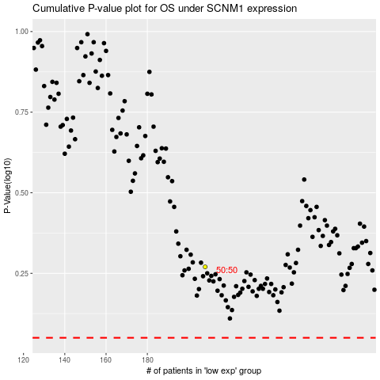

 |  |  |  |  |  | cases_OS | p_OS | rank | exp
 |  |  |  |  |  |  | cases_RFS | p_RFS | rank | exp

