SCNN1A _multivariate
Reported by Tex Li-Hsing Chi. tex@gate.sinica.edu.tw 2019-08-16

Table 2. The clinicopathological features of HNSCC cohort and SCNN1A expression. (Chi square test)
Cutoff at -0.533 (39.1%)
 |  | SCNN1A expression |  | SCNN1A expression |  | (Optimised)
 | Features | Low | (%) | High | (%) | Case no | P-value | Remark | Matthews
Gender | Female | 117 | 28.2 | 189 | 45.5 | 415 | 0.6556 | 0 | 0
2 | Male | 45 | 10.8 | 64 | 15.4
Age at diagnosis | <=65y | 110 | 26.5 | 164 | 39.5 | 415 | 0.5893 | 0 | 0
4 | >65y | 52 | 12.5 | 89 | 21.4
Clinical T Status | T1+T2 | 65 | 15.7 | 84 | 20.2 | 415 | 0.1838 | 0 | 0
6 | T3+T4 | 97 | 23.4 | 169 | 40.7
Clinical N Status | N0 | 78 | 18.8 | 138 | 33.3 | 415 | 0.2412 | 0 | 0
8 | N1-3 | 84 | 20.2 | 115 | 27.7
Clinical M Status | M0 | 160 | 38.6 | 252 | 60.7 | 415 | 0.5633 | 0 | 0
10 | M1 | 2 | 0.5 | 1 | 0.2
Clinical Stage | Stage I+II | 46 | 11.1 | 56 | 13.5 | 415 | 0.1841 | 0 | 0
12 | Stage III+IV | 116 | 28 | 197 | 47.5
Surgical Margin status | Negative | 120 | 28.9 | 198 | 47.7 | 415 | 0.343 | 0 | 0
14 | Positive | 42 | 10.1 | 55 | 13.3
Tobacco Exposure | Low | 70 | 16.9 | 91 | 21.9 | 415 | 0.1492 | 0 | 0
16 | High | 92 | 22.2 | 162 | 39

Table 3. Univariate/Multivariate Cox's proportional hazards regression analyses on OS time of SCNN1A gene expression in HNSCC

 |  | Univariate |  |  |  | Multivariate
 | Features | HR | CI95%(L) | CI95%(H) | P-value | HR | CI95%(L) | CI95%(H) | P-value
1 | Female | 1 |  |  |  | 1
Gender | Male | 1.157 | 0.843 | 1.587 | 0.367 | 1.18 | 0.842 | 1.653 | 0.337
11 | <=65y | 1 |  |  |  | 1
Age at diagnosis | >65y | 1.329 | 0.99 | 1.784 | 0.058 | 1.401 | 1.03 | 1.906 | 0.032
12 | T1+T2 | 1 |  |  |  | 1
Clinical T Status | T3+T4 | 1.409 | 1.028 | 1.931 | 0.033 | 2.26 | 1.194 | 4.275 | 0.012
13 | N0 | 1 |  |  |  | 1
Clinical N Status | N1-3 | 1.185 | 0.89 | 1.577 | 0.246 | 1.183 | 0.827 | 1.691 | 0.358
14 | M0 | 1 |  |  |  | 1
Clinical M Status | M1 | 4.097 | 1.009 | 16.644 | 0.049 | 8.842 | 1.926 | 40.589 | 0.005
15 | Stage I+II | 1 |  |  |  | 1
Clinical Stage | Stage III+IV | 1.245 | 0.882 | 1.759 | 0.213 | 0.533 | 0.248 | 1.146 | 0.107
16 | Negative | 1 |  |  |  | 1
Surgical Margin status | Positive | 1.591 | 1.155 | 2.191 | 0.004 | 1.653 | 1.196 | 2.283 | 0.002
17 | Low | 1 |  |  |  | 1
Tobacco Exposure | High | 1.364 | 1.008 | 1.844 | 0.044 | 1.534 | 1.108 | 2.123 | 0.01
18 | Low | 1 |  |  |  | 1
RNAseq(z-score) | High | 0.689 | 0.516 | 0.92 | 0.011 | 0.649 | 0.482 | 0.872 | 0.004

Table 4. Univariate/Multivariate Cox's proportional hazards regression analyses on RFS time of SCNN1A gene expression in HNSCC

 |  | Univariate |  |  |  | Multivariate
 | Features | HR | CI95%(L) | CI95%(H) | P-value | HR | CI95%(L) | CI95%(H) | P-value
1 | Female | 1 |  |  |  | 1
Gender | Male | 1.157 | 0.843 | 1.587 | 0.367 | 1.18 | 0.842 | 1.653 | 0.337
11 | <=65y | 1 |  |  |  | 1
Age at diagnosis | >65y | 1.329 | 0.99 | 1.784 | 0.058 | 1.401 | 1.03 | 1.906 | 0.032
12 | T1+T2 | 1 |  |  |  | 1
Clinical T Status | T3+T4 | 1.409 | 1.028 | 1.931 | 0.033 | 2.26 | 1.194 | 4.275 | 0.012
13 | N0 | 1 |  |  |  | 1
Clinical N Status | N1-3 | 1.185 | 0.89 | 1.577 | 0.246 | 1.183 | 0.827 | 1.691 | 0.358
14 | M0 | 1 |  |  |  | 1
Clinical M Status | M1 | 4.097 | 1.009 | 16.644 | 0.049 | 8.842 | 1.926 | 40.589 | 0.005
15 | Stage I+II | 1 |  |  |  | 1
Clinical Stage | Stage III+IV | 1.245 | 0.882 | 1.759 | 0.213 | 0.533 | 0.248 | 1.146 | 0.107
16 | Negative | 1 |  |  |  | 1
Surgical Margin status | Positive | 1.591 | 1.155 | 2.191 | 0.004 | 1.653 | 1.196 | 2.283 | 0.002
17 | Low | 1 |  |  |  | 1
Tobacco Exposure | High | 1.364 | 1.008 | 1.844 | 0.044 | 1.534 | 1.108 | 2.123 | 0.01
18 | Low | 1 |  |  |  | 1
RNAseq(z-score) | High | 0.689 | 0.516 | 0.92 | 0.011 | 0.649 | 0.482 | 0.872 | 0.004

Kaplan-Meier survival estimate: Cutoff at -0.533 (39.1%)

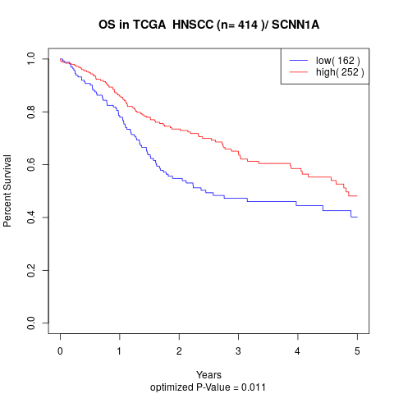

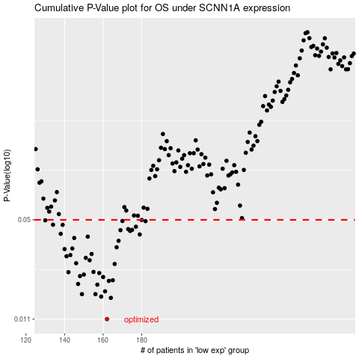

 |  |  |  |  |  | cases_OS | p_OS | rank | exp
 |  |  |  |  |  | 162 | 0.011 | 182 | -0.53349624279
 |  |  |  |  |  | 164 | 0.0152 | 60 | -0.52822282346
 |  |  |  |  |  | 159 | 0.0155 | 127 | -0.54367302378
 |  |  |  |  |  | 156 | 0.0161 | 360 | -0.546713525
 |  |  |  |  |  | 149 | 0.0161 | 363 | -0.57380039513
 |  |  |  |  |  | 161 | 0.0168 | 281 | -0.53857385718
 |  |  |  |  |  | 157 | 0.0186 | 91 | -0.54667947876
 |  |  |  |  |  | 147 | 0.0188 | 331 | -0.57644015021
 |  |  |  |  |  | 163 | 0.0197 | 220 | -0.52897055234
 |  |  |  |  |  | 165 | 0.0199 | 128 | -0.52212999073
 |  |  |  |  |  | 160 | 0.0209 | 203 | -0.54016778355
 |  |  |  |  |  | 148 | 0.0212 | 185 | -0.57478890746
 |  |  |  |  |  | 150 | 0.0217 | 327 | -0.57310147106
 |  |  |  |  |  | 158 | 0.0222 | 70 | -0.54656094161
 |  |  |  |  |  | 142 | 0.0225 | 152 | -0.60064316306
 |  |  |  |  |  | 155 | 0.0226 | 80 | -0.54688941757
 |  |  |  |  |  | 166 | 0.0255 | 75 | -0.51581640404
 |  |  |  |  |  | 146 | 0.0258 | 227 | -0.57671868908
 |  |  |  |  |  | 153 | 0.027 | 197 | -0.56237448406
 |  |  |  |  |  | 151 | 0.028 | 321 | -0.57067673049
 |  |  |  |  |  | 141 | 0.0287 | 161 | -0.60101529005
 |  |  |  |  |  | 143 | 0.0292 | 395 | -0.59820147746
 |  |  |  |  |  | 154 | 0.0297 | 65 | -0.55493897217
 |  |  |  |  |  | 140 | 0.032 | 226 | -0.60363825628
 |  |  |  |  |  | 144 | 0.0323 | 194 | -0.59479630663
 |  |  |  |  |  | 167 | 0.0329 | 22 | -0.51113543618
 |  |  |  |  |  | 168 | 0.0363 | 311 | -0.51107066242
 |  |  |  |  |  | 145 | 0.0379 | 370 | -0.58476410503
 |  |  |  |  |  | 152 | 0.0387 | 201 | -0.56509412287
 |  |  |  |  |  | 179 | 0.04 | 14 | -0.48177176265
 |  |  |  |  |  | 138 | 0.0404 | 309 | -0.60649489998
 |  |  |  |  |  | 174 | 0.0422 | 345 | -0.49427879809
 |  |  |  |  |  | 169 | 0.0427 | 36 | -0.51092807426
 |  |  |  |  |  | 175 | 0.0429 | 402 | -0.49378364391
 |  |  |  |  |  | 173 | 0.0434 | 280 | -0.49935941886
 |  |  |  |  |  | 177 | 0.045 | 290 | -0.48663022388
 |  |  |  |  |  | 139 | 0.0463 | 413 | -0.60523952289
 |  |  |  |  |  | 134 | 0.0464 | 368 | -0.61323695395
 |  |  |  |  |  | 182 | 0.049 | 324 | -0.47935205874
 |  |  |  |  |  | 170 | 0.0491 | 150 | -0.51032816542
 |  |  |  |  |  | 130 | 0.0496 | 288 | -0.62006349881
 |  |  |  |  |  | 180 | 0.0499 | 31 | -0.47993006398
 |  |  |  |  |  |  | cases_RFS | p_RFS | rank | exp
 |  |  |  |  |  |  | 161 | 0.011 | 281 | -0.53857385718
 |  |  |  |  |  |  | 163 | 0.0152 | 220 | -0.52897055234
 |  |  |  |  |  |  | 158 | 0.0155 | 70 | -0.54656094161
 |  |  |  |  |  |  | 155 | 0.0161 | 80 | -0.54688941757
 |  |  |  |  |  |  | 148 | 0.0161 | 185 | -0.57478890746
 |  |  |  |  |  |  | 160 | 0.0168 | 203 | -0.54016778355
 |  |  |  |  |  |  | 156 | 0.0186 | 360 | -0.546713525
 |  |  |  |  |  |  | 146 | 0.0188 | 227 | -0.57671868908
 |  |  |  |  |  |  | 162 | 0.0197 | 182 | -0.53349624279
 |  |  |  |  |  |  | 164 | 0.0199 | 60 | -0.52822282346
 |  |  |  |  |  |  | 159 | 0.0209 | 127 | -0.54367302378
 |  |  |  |  |  |  | 147 | 0.0212 | 331 | -0.57644015021
 |  |  |  |  |  |  | 149 | 0.0217 | 363 | -0.57380039513
 |  |  |  |  |  |  | 157 | 0.0222 | 91 | -0.54667947876
 |  |  |  |  |  |  | 141 | 0.0225 | 161 | -0.60101529005
 |  |  |  |  |  |  | 154 | 0.0226 | 65 | -0.55493897217
 |  |  |  |  |  |  | 165 | 0.0255 | 128 | -0.52212999073
 |  |  |  |  |  |  | 145 | 0.0258 | 370 | -0.58476410503
 |  |  |  |  |  |  | 152 | 0.027 | 201 | -0.56509412287
 |  |  |  |  |  |  | 150 | 0.028 | 327 | -0.57310147106
 |  |  |  |  |  |  | 140 | 0.0287 | 226 | -0.60363825628
 |  |  |  |  |  |  | 142 | 0.0292 | 152 | -0.60064316306
 |  |  |  |  |  |  | 153 | 0.0297 | 197 | -0.56237448406
 |  |  |  |  |  |  | 139 | 0.032 | 413 | -0.60523952289
 |  |  |  |  |  |  | 143 | 0.0323 | 395 | -0.59820147746
 |  |  |  |  |  |  | 166 | 0.0329 | 75 | -0.51581640404
 |  |  |  |  |  |  | 167 | 0.0363 | 22 | -0.51113543618
 |  |  |  |  |  |  | 144 | 0.0379 | 194 | -0.59479630663
 |  |  |  |  |  |  | 151 | 0.0387 | 321 | -0.57067673049
 |  |  |  |  |  |  | 178 | 0.04 | 207 | -0.48499787836
 |  |  |  |  |  |  | 137 | 0.0404 | 133 | -0.61188189789
 |  |  |  |  |  |  | 173 | 0.0422 | 280 | -0.49935941886
 |  |  |  |  |  |  | 168 | 0.0427 | 311 | -0.51107066242
 |  |  |  |  |  |  | 174 | 0.0429 | 345 | -0.49427879809
 |  |  |  |  |  |  | 172 | 0.0434 | 88 | -0.50759056643
 |  |  |  |  |  |  | 176 | 0.045 | 323 | -0.49033864834
 |  |  |  |  |  |  | 138 | 0.0463 | 309 | -0.60649489998
 |  |  |  |  |  |  | 133 | 0.0464 | 409 | -0.61784803331
 |  |  |  |  |  |  | 181 | 0.049 | 410 | -0.47986087827
 |  |  |  |  |  |  | 169 | 0.0491 | 36 | -0.51092807426
 |  |  |  |  |  |  | 129 | 0.0496 | 389 | -0.62091723176
 |  |  |  |  |  |  | 179 | 0.0499 | 14 | -0.48177176265

