SCP2 _multivariate
Reported by Tex Li-Hsing Chi. tex@gate.sinica.edu.tw 2019-08-16

Table 2. The clinicopathological features of HNSCC cohort and SCP2 expression. (Chi square test)
Cutoff at -0.213 (50.0%)
 |  | SCP2 expression |  | SCP2 expression |  | (Optimised)
 | Features | Low | (%) | High | (%) | Case no | P-value | Remark | Matthews
Gender | Female | 160 | 38.6 | 146 | 35.2 | 415 | 0.1254 | 0 | 0
2 | Male | 47 | 11.3 | 62 | 14.9
Age at diagnosis | <=65y | 135 | 32.5 | 139 | 33.5 | 415 | 0.8084 | 0 | 0
4 | >65y | 72 | 17.3 | 69 | 16.6
Clinical T Status | T1+T2 | 67 | 16.1 | 82 | 19.8 | 415 | 0.1628 | 0 | 0
6 | T3+T4 | 140 | 33.7 | 126 | 30.4
Clinical N Status | N0 | 98 | 23.6 | 118 | 28.4 | 415 | 0.0694 | 0 | 0
8 | N1-3 | 109 | 26.3 | 90 | 21.7
Clinical M Status | M0 | 204 | 49.2 | 208 | 50.1 | 415 | 0.1232 | 0 | 0
10 | M1 | 3 | 0.7 | 0 | 0
Clinical Stage | Stage I+II | 42 | 10.1 | 60 | 14.5 | 415 | 0.0561 | 0 | 0
12 | Stage III+IV | 165 | 39.8 | 148 | 35.7
Surgical Margin status | Negative | 159 | 38.3 | 159 | 38.3 | 415 | 1 | 0 | 0
14 | Positive | 48 | 11.6 | 49 | 11.8
Tobacco Exposure | Low | 71 | 17.1 | 90 | 21.7 | 415 | 0.0698 | 0 | 0
16 | High | 136 | 32.8 | 118 | 28.4

Table 3. Univariate/Multivariate Cox's proportional hazards regression analyses on OS time of SCP2 gene expression in HNSCC

 |  | Univariate |  |  |  | Multivariate
 | Features | HR | CI95%(L) | CI95%(H) | P-value | HR | CI95%(L) | CI95%(H) | P-value
1 | Female | 1 |  |  |  | 1
Gender | Male | 1.157 | 0.843 | 1.587 | 0.367 | 1.17 | 0.836 | 1.637 | 0.359
11 | <=65y | 1 |  |  |  | 1
Age at diagnosis | >65y | 1.329 | 0.99 | 1.784 | 0.058 | 1.415 | 1.04 | 1.925 | 0.027
12 | T1+T2 | 1 |  |  |  | 1
Clinical T Status | T3+T4 | 1.409 | 1.028 | 1.931 | 0.033 | 2.237 | 1.182 | 4.233 | 0.013
13 | N0 | 1 |  |  |  | 1
Clinical N Status | N1-3 | 1.185 | 0.89 | 1.577 | 0.246 | 1.269 | 0.888 | 1.815 | 0.191
14 | M0 | 1 |  |  |  | 1
Clinical M Status | M1 | 4.097 | 1.009 | 16.644 | 0.049 | 10.165 | 2.201 | 46.941 | 0.003
15 | Stage I+II | 1 |  |  |  | 1
Clinical Stage | Stage III+IV | 1.245 | 0.882 | 1.759 | 0.213 | 0.501 | 0.233 | 1.075 | 0.076
16 | Negative | 1 |  |  |  | 1
Surgical Margin status | Positive | 1.591 | 1.155 | 2.191 | 0.004 | 1.68 | 1.215 | 2.321 | 0.002
17 | Low | 1 |  |  |  | 1
Tobacco Exposure | High | 1.364 | 1.008 | 1.844 | 0.044 | 1.448 | 1.053 | 1.993 | 0.023
18 | Low | 1 |  |  |  | 1
RNAseq(z-score) | High | 1.072 | 0.805 | 1.429 | 0.634 | 1.174 | 0.872 | 1.579 | 0.29

Table 4. Univariate/Multivariate Cox's proportional hazards regression analyses on RFS time of SCP2 gene expression in HNSCC

 |  | Univariate |  |  |  | Multivariate
 | Features | HR | CI95%(L) | CI95%(H) | P-value | HR | CI95%(L) | CI95%(H) | P-value
1 | Female | 1 |  |  |  | 1
Gender | Male | 1.157 | 0.843 | 1.587 | 0.367 | 1.17 | 0.836 | 1.637 | 0.359
11 | <=65y | 1 |  |  |  | 1
Age at diagnosis | >65y | 1.329 | 0.99 | 1.784 | 0.058 | 1.415 | 1.04 | 1.925 | 0.027
12 | T1+T2 | 1 |  |  |  | 1
Clinical T Status | T3+T4 | 1.409 | 1.028 | 1.931 | 0.033 | 2.237 | 1.182 | 4.233 | 0.013
13 | N0 | 1 |  |  |  | 1
Clinical N Status | N1-3 | 1.185 | 0.89 | 1.577 | 0.246 | 1.269 | 0.888 | 1.815 | 0.191
14 | M0 | 1 |  |  |  | 1
Clinical M Status | M1 | 4.097 | 1.009 | 16.644 | 0.049 | 10.165 | 2.201 | 46.941 | 0.003
15 | Stage I+II | 1 |  |  |  | 1
Clinical Stage | Stage III+IV | 1.245 | 0.882 | 1.759 | 0.213 | 0.501 | 0.233 | 1.075 | 0.076
16 | Negative | 1 |  |  |  | 1
Surgical Margin status | Positive | 1.591 | 1.155 | 2.191 | 0.004 | 1.68 | 1.215 | 2.321 | 0.002
17 | Low | 1 |  |  |  | 1
Tobacco Exposure | High | 1.364 | 1.008 | 1.844 | 0.044 | 1.448 | 1.053 | 1.993 | 0.023
18 | Low | 1 |  |  |  | 1
RNAseq(z-score) | High | 1.072 | 0.805 | 1.429 | 0.634 | 1.174 | 0.872 | 1.579 | 0.29

Kaplan-Meier survival estimate: Cutoff at -0.213 (50.0%)



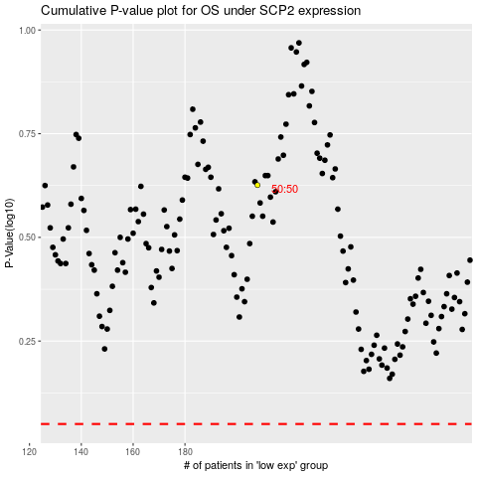

 |  |  |  |  |  | cases_OS | p_OS | rank | exp
 |  |  |  |  |  |  | cases_RFS | p_RFS | rank | exp

