SCRN1 _multivariate
Reported by Tex Li-Hsing Chi. tex@gate.sinica.edu.tw 2019-08-16

Table 2. The clinicopathological features of HNSCC cohort and SCRN1 expression. (Chi square test)
Cutoff at 0.503 (69.3%)
 |  | SCRN1 expression |  | SCRN1 expression |  | (Optimised)
 | Features | Low | (%) | High | (%) | Case no | P-value | Remark | Matthews
Gender | Female | 208 | 50.1 | 98 | 23.6 | 415 | 0.3506 | 0 | 0
2 | Male | 80 | 19.3 | 29 | 7
Age at diagnosis | <=65y | 188 | 45.3 | 86 | 20.7 | 415 | 0.7107 | 0 | 0
4 | >65y | 100 | 24.1 | 41 | 9.9
Clinical T Status | T1+T2 | 106 | 25.5 | 43 | 10.4 | 415 | 0.6414 | 0 | 0
6 | T3+T4 | 182 | 43.9 | 84 | 20.2
Clinical N Status | N0 | 152 | 36.6 | 64 | 15.4 | 415 | 0.7328 | 0 | 0
8 | N1-3 | 136 | 32.8 | 63 | 15.2
Clinical M Status | M0 | 286 | 68.9 | 126 | 30.4 | 415 | 1 | 0 | 0
10 | M1 | 2 | 0.5 | 1 | 0.2
Clinical Stage | Stage I+II | 69 | 16.6 | 33 | 8 | 415 | 0.7505 | 0 | 0
12 | Stage III+IV | 219 | 52.8 | 94 | 22.7
Surgical Margin status | Negative | 219 | 52.8 | 99 | 23.9 | 415 | 0.7074 | 0 | 0
14 | Positive | 69 | 16.6 | 28 | 6.7
Tobacco Exposure | Low | 113 | 27.2 | 48 | 11.6 | 415 | 0.8273 | 0 | 0
16 | High | 175 | 42.2 | 79 | 19

Table 3. Univariate/Multivariate Cox's proportional hazards regression analyses on OS time of SCRN1 gene expression in HNSCC

 |  | Univariate |  |  |  | Multivariate
 | Features | HR | CI95%(L) | CI95%(H) | P-value | HR | CI95%(L) | CI95%(H) | P-value
1 | Female | 1 |  |  |  | 1
Gender | Male | 1.157 | 0.843 | 1.587 | 0.367 | 1.234 | 0.883 | 1.725 | 0.218
11 | <=65y | 1 |  |  |  | 1
Age at diagnosis | >65y | 1.329 | 0.99 | 1.784 | 0.058 | 1.423 | 1.046 | 1.934 | 0.025
12 | T1+T2 | 1 |  |  |  | 1
Clinical T Status | T3+T4 | 1.409 | 1.028 | 1.931 | 0.033 | 2.124 | 1.122 | 4.018 | 0.021
13 | N0 | 1 |  |  |  | 1
Clinical N Status | N1-3 | 1.185 | 0.89 | 1.577 | 0.246 | 1.18 | 0.824 | 1.69 | 0.365
14 | M0 | 1 |  |  |  | 1
Clinical M Status | M1 | 4.097 | 1.009 | 16.644 | 0.049 | 9.145 | 1.993 | 41.959 | 0.004
15 | Stage I+II | 1 |  |  |  | 1
Clinical Stage | Stage III+IV | 1.245 | 0.882 | 1.759 | 0.213 | 0.535 | 0.249 | 1.151 | 0.11
16 | Negative | 1 |  |  |  | 1
Surgical Margin status | Positive | 1.591 | 1.155 | 2.191 | 0.004 | 1.751 | 1.263 | 2.428 | 0.001
17 | Low | 1 |  |  |  | 1
Tobacco Exposure | High | 1.364 | 1.008 | 1.844 | 0.044 | 1.464 | 1.063 | 2.016 | 0.02
18 | Low | 1 |  |  |  | 1
RNAseq(z-score) | High | 1.372 | 1.014 | 1.856 | 0.04 | 1.443 | 1.058 | 1.966 | 0.02

Table 4. Univariate/Multivariate Cox's proportional hazards regression analyses on RFS time of SCRN1 gene expression in HNSCC

 |  | Univariate |  |  |  | Multivariate
 | Features | HR | CI95%(L) | CI95%(H) | P-value | HR | CI95%(L) | CI95%(H) | P-value
1 | Female | 1 |  |  |  | 1
Gender | Male | 1.157 | 0.843 | 1.587 | 0.367 | 1.234 | 0.883 | 1.725 | 0.218
11 | <=65y | 1 |  |  |  | 1
Age at diagnosis | >65y | 1.329 | 0.99 | 1.784 | 0.058 | 1.423 | 1.046 | 1.934 | 0.025
12 | T1+T2 | 1 |  |  |  | 1
Clinical T Status | T3+T4 | 1.409 | 1.028 | 1.931 | 0.033 | 2.124 | 1.122 | 4.018 | 0.021
13 | N0 | 1 |  |  |  | 1
Clinical N Status | N1-3 | 1.185 | 0.89 | 1.577 | 0.246 | 1.18 | 0.824 | 1.69 | 0.365
14 | M0 | 1 |  |  |  | 1
Clinical M Status | M1 | 4.097 | 1.009 | 16.644 | 0.049 | 9.145 | 1.993 | 41.959 | 0.004
15 | Stage I+II | 1 |  |  |  | 1
Clinical Stage | Stage III+IV | 1.245 | 0.882 | 1.759 | 0.213 | 0.535 | 0.249 | 1.151 | 0.11
16 | Negative | 1 |  |  |  | 1
Surgical Margin status | Positive | 1.591 | 1.155 | 2.191 | 0.004 | 1.751 | 1.263 | 2.428 | 0.001
17 | Low | 1 |  |  |  | 1
Tobacco Exposure | High | 1.364 | 1.008 | 1.844 | 0.044 | 1.464 | 1.063 | 2.016 | 0.02
18 | Low | 1 |  |  |  | 1
RNAseq(z-score) | High | 1.372 | 1.014 | 1.856 | 0.04 | 1.443 | 1.058 | 1.966 | 0.02

Kaplan-Meier survival estimate: Cutoff at 0.503 (69.3%)

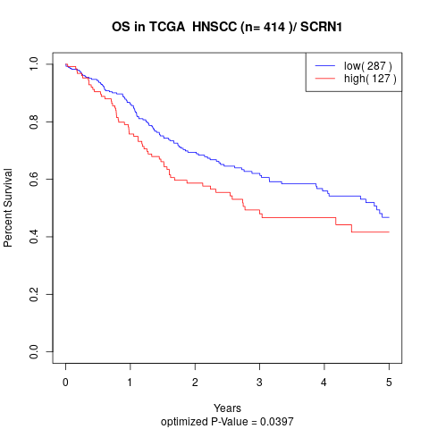

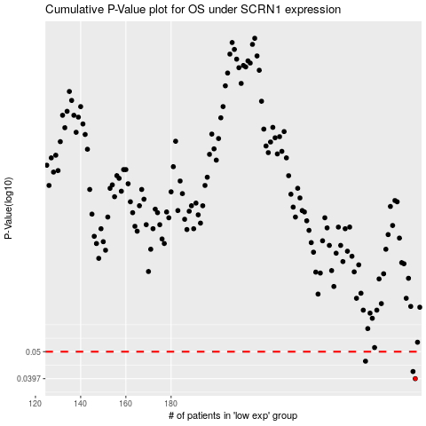

 |  |  |  |  |  | cases_OS | p_OS | rank | exp
 |  |  |  |  |  | 288 | 0.0397 | 133 | 0.50325231797
 |  |  |  |  |  | 287 | 0.0422 | 81 | 0.50061267239
 |  |  |  |  |  | 266 | 0.0461 | 227 | 0.3875101544
 |  |  |  |  |  |  | cases_RFS | p_RFS | rank | exp
 |  |  |  |  |  |  | 287 | 0.0397 | 81 | 0.50061267239
 |  |  |  |  |  |  | 286 | 0.0422 | 177 | 0.49768802154
 |  |  |  |  |  |  | 265 | 0.0461 | 183 | 0.37467586343

