SCRN3 _multivariate
Reported by Tex Li-Hsing Chi. tex@gate.sinica.edu.tw 2019-08-16

Table 2. The clinicopathological features of HNSCC cohort and SCRN3 expression. (Chi square test)
Cutoff at -0.239 (49.8%)
 |  | SCRN3 expression |  | SCRN3 expression |  | (Optimised)
 | Features | Low | (%) | High | (%) | Case no | P-value | Remark | Matthews
Gender | Female | 149 | 35.9 | 157 | 37.8 | 415 | 0.4848 | 0 | 0
2 | Male | 58 | 14 | 51 | 12.3
Age at diagnosis | <=65y | 130 | 31.3 | 144 | 34.7 | 415 | 0.2009 | 0 | 0
4 | >65y | 77 | 18.6 | 64 | 15.4
Clinical T Status | T1+T2 | 74 | 17.8 | 75 | 18.1 | 415 | 1 | 0 | 0
6 | T3+T4 | 133 | 32 | 133 | 32
Clinical N Status | N0 | 99 | 23.9 | 117 | 28.2 | 415 | 0.1054 | 0 | 0
8 | N1-3 | 108 | 26 | 91 | 21.9
Clinical M Status | M0 | 206 | 49.6 | 206 | 49.6 | 415 | 1 | 0 | 0
10 | M1 | 1 | 0.2 | 2 | 0.5
Clinical Stage | Stage I+II | 52 | 12.5 | 50 | 12 | 415 | 0.8871 | 0 | 0
12 | Stage III+IV | 155 | 37.3 | 158 | 38.1
Surgical Margin status | Negative | 157 | 37.8 | 161 | 38.8 | 415 | 0.729 | 0 | 0
14 | Positive | 50 | 12 | 47 | 11.3
Tobacco Exposure | Low | 81 | 19.5 | 80 | 19.3 | 415 | 0.9199 | 0 | 0
16 | High | 126 | 30.4 | 128 | 30.8

Table 3. Univariate/Multivariate Cox's proportional hazards regression analyses on OS time of SCRN3 gene expression in HNSCC

 |  | Univariate |  |  |  | Multivariate
 | Features | HR | CI95%(L) | CI95%(H) | P-value | HR | CI95%(L) | CI95%(H) | P-value
1 | Female | 1 |  |  |  | 1
Gender | Male | 1.157 | 0.843 | 1.587 | 0.367 | 1.204 | 0.861 | 1.682 | 0.278
11 | <=65y | 1 |  |  |  | 1
Age at diagnosis | >65y | 1.329 | 0.99 | 1.784 | 0.058 | 1.38 | 1.014 | 1.878 | 0.04
12 | T1+T2 | 1 |  |  |  | 1
Clinical T Status | T3+T4 | 1.409 | 1.028 | 1.931 | 0.033 | 2.195 | 1.161 | 4.15 | 0.016
13 | N0 | 1 |  |  |  | 1
Clinical N Status | N1-3 | 1.185 | 0.89 | 1.577 | 0.246 | 1.219 | 0.851 | 1.747 | 0.28
14 | M0 | 1 |  |  |  | 1
Clinical M Status | M1 | 4.097 | 1.009 | 16.644 | 0.049 | 9.672 | 2.104 | 44.462 | 0.004
15 | Stage I+II | 1 |  |  |  | 1
Clinical Stage | Stage III+IV | 1.245 | 0.882 | 1.759 | 0.213 | 0.515 | 0.239 | 1.11 | 0.09
16 | Negative | 1 |  |  |  | 1
Surgical Margin status | Positive | 1.591 | 1.155 | 2.191 | 0.004 | 1.657 | 1.198 | 2.292 | 0.002
17 | Low | 1 |  |  |  | 1
Tobacco Exposure | High | 1.364 | 1.008 | 1.844 | 0.044 | 1.445 | 1.048 | 1.993 | 0.025
18 | Low | 1 |  |  |  | 1
RNAseq(z-score) | High | 0.857 | 0.643 | 1.143 | 0.294 | 0.914 | 0.68 | 1.228 | 0.551

Table 4. Univariate/Multivariate Cox's proportional hazards regression analyses on RFS time of SCRN3 gene expression in HNSCC

 |  | Univariate |  |  |  | Multivariate
 | Features | HR | CI95%(L) | CI95%(H) | P-value | HR | CI95%(L) | CI95%(H) | P-value
1 | Female | 1 |  |  |  | 1
Gender | Male | 1.157 | 0.843 | 1.587 | 0.367 | 1.204 | 0.861 | 1.682 | 0.278
11 | <=65y | 1 |  |  |  | 1
Age at diagnosis | >65y | 1.329 | 0.99 | 1.784 | 0.058 | 1.38 | 1.014 | 1.878 | 0.04
12 | T1+T2 | 1 |  |  |  | 1
Clinical T Status | T3+T4 | 1.409 | 1.028 | 1.931 | 0.033 | 2.195 | 1.161 | 4.15 | 0.016
13 | N0 | 1 |  |  |  | 1
Clinical N Status | N1-3 | 1.185 | 0.89 | 1.577 | 0.246 | 1.219 | 0.851 | 1.747 | 0.28
14 | M0 | 1 |  |  |  | 1
Clinical M Status | M1 | 4.097 | 1.009 | 16.644 | 0.049 | 9.672 | 2.104 | 44.462 | 0.004
15 | Stage I+II | 1 |  |  |  | 1
Clinical Stage | Stage III+IV | 1.245 | 0.882 | 1.759 | 0.213 | 0.515 | 0.239 | 1.11 | 0.09
16 | Negative | 1 |  |  |  | 1
Surgical Margin status | Positive | 1.591 | 1.155 | 2.191 | 0.004 | 1.657 | 1.198 | 2.292 | 0.002
17 | Low | 1 |  |  |  | 1
Tobacco Exposure | High | 1.364 | 1.008 | 1.844 | 0.044 | 1.445 | 1.048 | 1.993 | 0.025
18 | Low | 1 |  |  |  | 1
RNAseq(z-score) | High | 0.857 | 0.643 | 1.143 | 0.294 | 0.914 | 0.68 | 1.228 | 0.551

Kaplan-Meier survival estimate: Cutoff at -0.239 (49.8%)



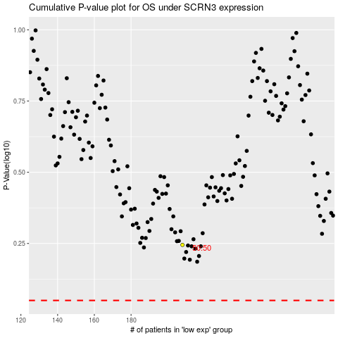

 |  |  |  |  |  | cases_OS | p_OS | rank | exp
 |  |  |  |  |  |  | cases_RFS | p_RFS | rank | exp

