SCUBE3 _multivariate
Reported by Tex Li-Hsing Chi. tex@gate.sinica.edu.tw 2019-08-16

Table 2. The clinicopathological features of HNSCC cohort and SCUBE3 expression. (Chi square test)
Cutoff at -0.166 (49.8%)
 |  | SCUBE3 expression |  | SCUBE3 expression |  | (Optimised)
 | Features | Low | (%) | High | (%) | Case no | P-value | Remark | Matthews
Gender | Female | 145 | 34.9 | 161 | 38.8 | 415 | 0.1116 | 0 | 0
2 | Male | 62 | 14.9 | 47 | 11.3
Age at diagnosis | <=65y | 134 | 32.3 | 140 | 33.7 | 415 | 0.6529 | 0 | 0
4 | >65y | 73 | 17.6 | 68 | 16.4
Clinical T Status | T1+T2 | 77 | 18.6 | 72 | 17.3 | 415 | 0.6556 | 0 | 0
6 | T3+T4 | 130 | 31.3 | 136 | 32.8
Clinical N Status | N0 | 109 | 26.3 | 107 | 25.8 | 415 | 0.8812 | 0 | 0
8 | N1-3 | 98 | 23.6 | 101 | 24.3
Clinical M Status | M0 | 205 | 49.4 | 207 | 49.9 | 415 | 0.6232 | 0 | 0
10 | M1 | 2 | 0.5 | 1 | 0.2
Clinical Stage | Stage I+II | 55 | 13.3 | 47 | 11.3 | 415 | 0.4087 | 0 | 0
12 | Stage III+IV | 152 | 36.6 | 161 | 38.8
Surgical Margin status | Negative | 156 | 37.6 | 162 | 39 | 415 | 0.5636 | 0 | 0
14 | Positive | 51 | 12.3 | 46 | 11.1
Tobacco Exposure | Low | 89 | 21.4 | 72 | 17.3 | 415 | 0.0872 | 0 | 0
16 | High | 118 | 28.4 | 136 | 32.8

Table 3. Univariate/Multivariate Cox's proportional hazards regression analyses on OS time of SCUBE3 gene expression in HNSCC

 |  | Univariate |  |  |  | Multivariate
 | Features | HR | CI95%(L) | CI95%(H) | P-value | HR | CI95%(L) | CI95%(H) | P-value
1 | Female | 1 |  |  |  | 1
Gender | Male | 1.157 | 0.843 | 1.587 | 0.367 | 1.176 | 0.839 | 1.648 | 0.347
11 | <=65y | 1 |  |  |  | 1
Age at diagnosis | >65y | 1.329 | 0.99 | 1.784 | 0.058 | 1.392 | 1.024 | 1.891 | 0.035
12 | T1+T2 | 1 |  |  |  | 1
Clinical T Status | T3+T4 | 1.409 | 1.028 | 1.931 | 0.033 | 2.213 | 1.171 | 4.182 | 0.014
13 | N0 | 1 |  |  |  | 1
Clinical N Status | N1-3 | 1.185 | 0.89 | 1.577 | 0.246 | 1.246 | 0.873 | 1.777 | 0.225
14 | M0 | 1 |  |  |  | 1
Clinical M Status | M1 | 4.097 | 1.009 | 16.644 | 0.049 | 9.222 | 2.011 | 42.295 | 0.004
15 | Stage I+II | 1 |  |  |  | 1
Clinical Stage | Stage III+IV | 1.245 | 0.882 | 1.759 | 0.213 | 0.511 | 0.238 | 1.098 | 0.085
16 | Negative | 1 |  |  |  | 1
Surgical Margin status | Positive | 1.591 | 1.155 | 2.191 | 0.004 | 1.646 | 1.19 | 2.278 | 0.003
17 | Low | 1 |  |  |  | 1
Tobacco Exposure | High | 1.364 | 1.008 | 1.844 | 0.044 | 1.469 | 1.065 | 2.027 | 0.019
18 | Low | 1 |  |  |  | 1
RNAseq(z-score) | High | 0.887 | 0.666 | 1.182 | 0.414 | 0.874 | 0.649 | 1.177 | 0.375

Table 4. Univariate/Multivariate Cox's proportional hazards regression analyses on RFS time of SCUBE3 gene expression in HNSCC

 |  | Univariate |  |  |  | Multivariate
 | Features | HR | CI95%(L) | CI95%(H) | P-value | HR | CI95%(L) | CI95%(H) | P-value
1 | Female | 1 |  |  |  | 1
Gender | Male | 1.157 | 0.843 | 1.587 | 0.367 | 1.176 | 0.839 | 1.648 | 0.347
11 | <=65y | 1 |  |  |  | 1
Age at diagnosis | >65y | 1.329 | 0.99 | 1.784 | 0.058 | 1.392 | 1.024 | 1.891 | 0.035
12 | T1+T2 | 1 |  |  |  | 1
Clinical T Status | T3+T4 | 1.409 | 1.028 | 1.931 | 0.033 | 2.213 | 1.171 | 4.182 | 0.014
13 | N0 | 1 |  |  |  | 1
Clinical N Status | N1-3 | 1.185 | 0.89 | 1.577 | 0.246 | 1.246 | 0.873 | 1.777 | 0.225
14 | M0 | 1 |  |  |  | 1
Clinical M Status | M1 | 4.097 | 1.009 | 16.644 | 0.049 | 9.222 | 2.011 | 42.295 | 0.004
15 | Stage I+II | 1 |  |  |  | 1
Clinical Stage | Stage III+IV | 1.245 | 0.882 | 1.759 | 0.213 | 0.511 | 0.238 | 1.098 | 0.085
16 | Negative | 1 |  |  |  | 1
Surgical Margin status | Positive | 1.591 | 1.155 | 2.191 | 0.004 | 1.646 | 1.19 | 2.278 | 0.003
17 | Low | 1 |  |  |  | 1
Tobacco Exposure | High | 1.364 | 1.008 | 1.844 | 0.044 | 1.469 | 1.065 | 2.027 | 0.019
18 | Low | 1 |  |  |  | 1
RNAseq(z-score) | High | 0.887 | 0.666 | 1.182 | 0.414 | 0.874 | 0.649 | 1.177 | 0.375

Kaplan-Meier survival estimate: Cutoff at -0.166 (49.8%)



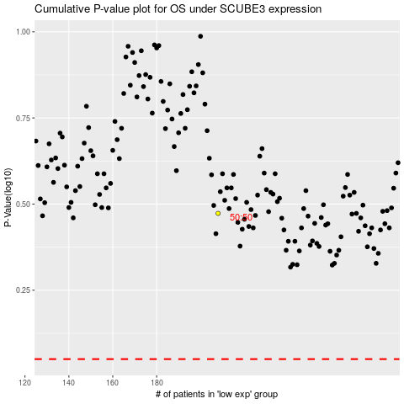

 |  |  |  |  |  | cases_OS | p_OS | rank | exp
 |  |  |  |  |  |  | cases_RFS | p_RFS | rank | exp

