SCXB _multivariate
Reported by Tex Li-Hsing Chi. tex@gate.sinica.edu.tw 2019-08-16

Table 2. The clinicopathological features of HNSCC cohort and SCXB expression. (Chi square test)
Cutoff at -0.267 (50.0%)
 |  | SCXB expression |  | SCXB expression |  | (Optimised)
 | Features | Low | (%) | High | (%) | Case no | P-value | Remark | Matthews
Gender | Female | 149 | 35.9 | 157 | 37.8 | 415 | 0.4848 | 0 | 0
2 | Male | 58 | 14 | 51 | 12.3
Age at diagnosis | <=65y | 140 | 33.7 | 134 | 32.3 | 415 | 0.5574 | 0 | 0
4 | >65y | 67 | 16.1 | 74 | 17.8
Clinical T Status | T1+T2 | 77 | 18.6 | 72 | 17.3 | 415 | 0.6556 | 0 | 0
6 | T3+T4 | 130 | 31.3 | 136 | 32.8
Clinical N Status | N0 | 104 | 25.1 | 112 | 27 | 415 | 0.5243 | 0 | 0
8 | N1-3 | 103 | 24.8 | 96 | 23.1
Clinical M Status | M0 | 206 | 49.6 | 206 | 49.6 | 415 | 1 | 0 | 0
10 | M1 | 1 | 0.2 | 2 | 0.5
Clinical Stage | Stage I+II | 51 | 12.3 | 51 | 12.3 | 415 | 1 | 0 | 0
12 | Stage III+IV | 156 | 37.6 | 157 | 37.8
Surgical Margin status | Negative | 163 | 39.3 | 155 | 37.3 | 415 | 0.3537 | 0 | 0
14 | Positive | 44 | 10.6 | 53 | 12.8
Tobacco Exposure | Low | 77 | 18.6 | 84 | 20.2 | 415 | 0.5459 | 0 | 0
16 | High | 130 | 31.3 | 124 | 29.9

Table 3. Univariate/Multivariate Cox's proportional hazards regression analyses on OS time of SCXB gene expression in HNSCC

 |  | Univariate |  |  |  | Multivariate
 | Features | HR | CI95%(L) | CI95%(H) | P-value | HR | CI95%(L) | CI95%(H) | P-value
1 | Female | 1 |  |  |  | 1
Gender | Male | 1.157 | 0.843 | 1.587 | 0.367 | 1.194 | 0.855 | 1.668 | 0.298
11 | <=65y | 1 |  |  |  | 1
Age at diagnosis | >65y | 1.329 | 0.99 | 1.784 | 0.058 | 1.445 | 1.061 | 1.968 | 0.019
12 | T1+T2 | 1 |  |  |  | 1
Clinical T Status | T3+T4 | 1.409 | 1.028 | 1.931 | 0.033 | 2.366 | 1.246 | 4.493 | 0.008
13 | N0 | 1 |  |  |  | 1
Clinical N Status | N1-3 | 1.185 | 0.89 | 1.577 | 0.246 | 1.274 | 0.893 | 1.818 | 0.182
14 | M0 | 1 |  |  |  | 1
Clinical M Status | M1 | 4.097 | 1.009 | 16.644 | 0.049 | 10.392 | 2.258 | 47.828 | 0.003
15 | Stage I+II | 1 |  |  |  | 1
Clinical Stage | Stage III+IV | 1.245 | 0.882 | 1.759 | 0.213 | 0.469 | 0.218 | 1.011 | 0.053
16 | Negative | 1 |  |  |  | 1
Surgical Margin status | Positive | 1.591 | 1.155 | 2.191 | 0.004 | 1.755 | 1.265 | 2.436 | 0.001
17 | Low | 1 |  |  |  | 1
Tobacco Exposure | High | 1.364 | 1.008 | 1.844 | 0.044 | 1.46 | 1.059 | 2.014 | 0.021
18 | Low | 1 |  |  |  | 1
RNAseq(z-score) | High | 0.819 | 0.614 | 1.093 | 0.175 | 0.719 | 0.536 | 0.966 | 0.028

Table 4. Univariate/Multivariate Cox's proportional hazards regression analyses on RFS time of SCXB gene expression in HNSCC

 |  | Univariate |  |  |  | Multivariate
 | Features | HR | CI95%(L) | CI95%(H) | P-value | HR | CI95%(L) | CI95%(H) | P-value
1 | Female | 1 |  |  |  | 1
Gender | Male | 1.157 | 0.843 | 1.587 | 0.367 | 1.194 | 0.855 | 1.668 | 0.298
11 | <=65y | 1 |  |  |  | 1
Age at diagnosis | >65y | 1.329 | 0.99 | 1.784 | 0.058 | 1.445 | 1.061 | 1.968 | 0.019
12 | T1+T2 | 1 |  |  |  | 1
Clinical T Status | T3+T4 | 1.409 | 1.028 | 1.931 | 0.033 | 2.366 | 1.246 | 4.493 | 0.008
13 | N0 | 1 |  |  |  | 1
Clinical N Status | N1-3 | 1.185 | 0.89 | 1.577 | 0.246 | 1.274 | 0.893 | 1.818 | 0.182
14 | M0 | 1 |  |  |  | 1
Clinical M Status | M1 | 4.097 | 1.009 | 16.644 | 0.049 | 10.392 | 2.258 | 47.828 | 0.003
15 | Stage I+II | 1 |  |  |  | 1
Clinical Stage | Stage III+IV | 1.245 | 0.882 | 1.759 | 0.213 | 0.469 | 0.218 | 1.011 | 0.053
16 | Negative | 1 |  |  |  | 1
Surgical Margin status | Positive | 1.591 | 1.155 | 2.191 | 0.004 | 1.755 | 1.265 | 2.436 | 0.001
17 | Low | 1 |  |  |  | 1
Tobacco Exposure | High | 1.364 | 1.008 | 1.844 | 0.044 | 1.46 | 1.059 | 2.014 | 0.021
18 | Low | 1 |  |  |  | 1
RNAseq(z-score) | High | 0.819 | 0.614 | 1.093 | 0.175 | 0.719 | 0.536 | 0.966 | 0.028

Kaplan-Meier survival estimate: Cutoff at -0.267 (50.0%)



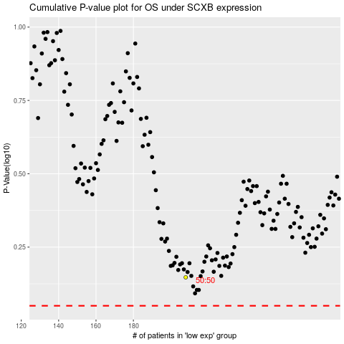

 |  |  |  |  |  | cases_OS | p_OS | rank | exp
 |  |  |  |  |  |  | cases_RFS | p_RFS | rank | exp

