SCYL1 _multivariate
Reported by Tex Li-Hsing Chi. tex@gate.sinica.edu.tw 2019-08-16

Table 2. The clinicopathological features of HNSCC cohort and SCYL1 expression. (Chi square test)
Cutoff at -0.242 (44.2%)
 |  | SCYL1 expression |  | SCYL1 expression |  | (Optimised)
 | Features | Low | (%) | High | (%) | Case no | P-value | Remark | Matthews
Gender | Female | 137 | 33 | 169 | 40.7 | 415 | 0.8526 | 0 | 0
2 | Male | 47 | 11.3 | 62 | 14.9
Age at diagnosis | <=65y | 120 | 28.9 | 154 | 37.1 | 415 | 0.8373 | 0 | 0
4 | >65y | 64 | 15.4 | 77 | 18.6
Clinical T Status | T1+T2 | 82 | 19.8 | 67 | 16.1 | 415 | 0.0015 | 1 | 0
6 | T3+T4 | 102 | 24.6 | 164 | 39.5
Clinical N Status | N0 | 96 | 23.1 | 120 | 28.9 | 415 | 1 | 0 | 0
8 | N1-3 | 88 | 21.2 | 111 | 26.7
Clinical M Status | M0 | 183 | 44.1 | 229 | 55.2 | 415 | 1 | 0 | 0
10 | M1 | 1 | 0.2 | 2 | 0.5
Clinical Stage | Stage I+II | 53 | 12.8 | 49 | 11.8 | 415 | 0.095 | 0 | 0
12 | Stage III+IV | 131 | 31.6 | 182 | 43.9
Surgical Margin status | Negative | 132 | 31.8 | 186 | 44.8 | 415 | 0.0468 | 1 | 0
14 | Positive | 52 | 12.5 | 45 | 10.8
Tobacco Exposure | Low | 77 | 18.6 | 84 | 20.2 | 415 | 0.2661 | 0 | 0
16 | High | 107 | 25.8 | 147 | 35.4

Table 3. Univariate/Multivariate Cox's proportional hazards regression analyses on OS time of SCYL1 gene expression in HNSCC

 |  | Univariate |  |  |  | Multivariate
 | Features | HR | CI95%(L) | CI95%(H) | P-value | HR | CI95%(L) | CI95%(H) | P-value
1 | Female | 1 |  |  |  | 1
Gender | Male | 1.157 | 0.843 | 1.587 | 0.367 | 1.199 | 0.857 | 1.678 | 0.289
11 | <=65y | 1 |  |  |  | 1
Age at diagnosis | >65y | 1.329 | 0.99 | 1.784 | 0.058 | 1.411 | 1.037 | 1.921 | 0.029
12 | T1+T2 | 1 |  |  |  | 1
Clinical T Status | T3+T4 | 1.409 | 1.028 | 1.931 | 0.033 | 2.017 | 1.058 | 3.845 | 0.033
13 | N0 | 1 |  |  |  | 1
Clinical N Status | N1-3 | 1.185 | 0.89 | 1.577 | 0.246 | 1.234 | 0.864 | 1.761 | 0.248
14 | M0 | 1 |  |  |  | 1
Clinical M Status | M1 | 4.097 | 1.009 | 16.644 | 0.049 | 8.271 | 1.792 | 38.179 | 0.007
15 | Stage I+II | 1 |  |  |  | 1
Clinical Stage | Stage III+IV | 1.245 | 0.882 | 1.759 | 0.213 | 0.535 | 0.248 | 1.153 | 0.11
16 | Negative | 1 |  |  |  | 1
Surgical Margin status | Positive | 1.591 | 1.155 | 2.191 | 0.004 | 1.674 | 1.212 | 2.311 | 0.002
17 | Low | 1 |  |  |  | 1
Tobacco Exposure | High | 1.364 | 1.008 | 1.844 | 0.044 | 1.442 | 1.046 | 1.987 | 0.025
18 | Low | 1 |  |  |  | 1
RNAseq(z-score) | High | 1.384 | 1.03 | 1.862 | 0.031 | 1.291 | 0.954 | 1.747 | 0.098

Table 4. Univariate/Multivariate Cox's proportional hazards regression analyses on RFS time of SCYL1 gene expression in HNSCC

 |  | Univariate |  |  |  | Multivariate
 | Features | HR | CI95%(L) | CI95%(H) | P-value | HR | CI95%(L) | CI95%(H) | P-value
1 | Female | 1 |  |  |  | 1
Gender | Male | 1.157 | 0.843 | 1.587 | 0.367 | 1.199 | 0.857 | 1.678 | 0.289
11 | <=65y | 1 |  |  |  | 1
Age at diagnosis | >65y | 1.329 | 0.99 | 1.784 | 0.058 | 1.411 | 1.037 | 1.921 | 0.029
12 | T1+T2 | 1 |  |  |  | 1
Clinical T Status | T3+T4 | 1.409 | 1.028 | 1.931 | 0.033 | 2.017 | 1.058 | 3.845 | 0.033
13 | N0 | 1 |  |  |  | 1
Clinical N Status | N1-3 | 1.185 | 0.89 | 1.577 | 0.246 | 1.234 | 0.864 | 1.761 | 0.248
14 | M0 | 1 |  |  |  | 1
Clinical M Status | M1 | 4.097 | 1.009 | 16.644 | 0.049 | 8.271 | 1.792 | 38.179 | 0.007
15 | Stage I+II | 1 |  |  |  | 1
Clinical Stage | Stage III+IV | 1.245 | 0.882 | 1.759 | 0.213 | 0.535 | 0.248 | 1.153 | 0.11
16 | Negative | 1 |  |  |  | 1
Surgical Margin status | Positive | 1.591 | 1.155 | 2.191 | 0.004 | 1.674 | 1.212 | 2.311 | 0.002
17 | Low | 1 |  |  |  | 1
Tobacco Exposure | High | 1.364 | 1.008 | 1.844 | 0.044 | 1.442 | 1.046 | 1.987 | 0.025
18 | Low | 1 |  |  |  | 1
RNAseq(z-score) | High | 1.384 | 1.03 | 1.862 | 0.031 | 1.291 | 0.954 | 1.747 | 0.098

Kaplan-Meier survival estimate: Cutoff at -0.242 (44.2%)

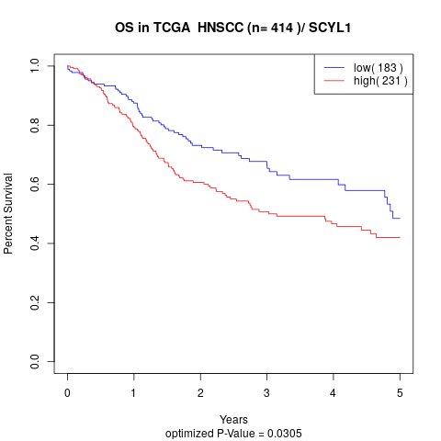

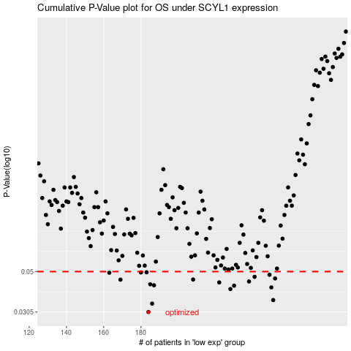

 |  |  |  |  |  | cases_OS | p_OS | rank | exp
 |  |  |  |  |  | 184 | 0.0305 | 239 | -0.2415073221
 |  |  |  |  |  | 186 | 0.0338 | 161 | -0.23415378898
 |  |  |  |  |  | 251 | 0.0353 | 253 | 0.10963704287
 |  |  |  |  |  | 228 | 0.0404 | 284 | -0.056567608899
 |  |  |  |  |  | 250 | 0.0412 | 96 | 0.092522238582
 |  |  |  |  |  | 230 | 0.0421 | 339 | -0.040387558612
 |  |  |  |  |  | 187 | 0.0423 | 229 | -0.23166912478
 |  |  |  |  |  | 185 | 0.0428 | 242 | -0.23500782113
 |  |  |  |  |  | 222 | 0.0438 | 410 | -0.087232677069
 |  |  |  |  |  | 238 | 0.0443 | 82 | -0.0081818164427
 |  |  |  |  |  | 169 | 0.0453 | 355 | -0.3358175231
 |  |  |  |  |  | 208 | 0.0454 | 79 | -0.1430586711
 |  |  |  |  |  | 252 | 0.046 | 366 | 0.11083989971
 |  |  |  |  |  | 241 | 0.0469 | 390 | 0.011608702205
 |  |  |  |  |  | 249 | 0.0481 | 178 | 0.071428024042
 |  |  |  |  |  | 163 | 0.0493 | 97 | -0.36210551834
 |  |  |  |  |  | 180 | 0.0495 | 375 | -0.26894996882
 |  |  |  |  |  | 183 | 0.0496 | 230 | -0.24582834521
 |  |  |  |  |  |  | cases_RFS | p_RFS | rank | exp
 |  |  |  |  |  |  | 183 | 0.0305 | 230 | -0.24582834521
 |  |  |  |  |  |  | 185 | 0.0338 | 242 | -0.23500782113
 |  |  |  |  |  |  | 250 | 0.0353 | 96 | 0.092522238582
 |  |  |  |  |  |  | 227 | 0.0404 | 49 | -0.05746023065
 |  |  |  |  |  |  | 249 | 0.0412 | 178 | 0.071428024042
 |  |  |  |  |  |  | 229 | 0.0421 | 150 | -0.052425995802
 |  |  |  |  |  |  | 186 | 0.0423 | 161 | -0.23415378898
 |  |  |  |  |  |  | 184 | 0.0428 | 239 | -0.2415073221
 |  |  |  |  |  |  | 221 | 0.0438 | 321 | -0.089215296891
 |  |  |  |  |  |  | 237 | 0.0443 | 14 | -0.01126430315
 |  |  |  |  |  |  | 168 | 0.0453 | 109 | -0.33765502071
 |  |  |  |  |  |  | 207 | 0.0454 | 111 | -0.1450851945
 |  |  |  |  |  |  | 251 | 0.046 | 253 | 0.10963704287
 |  |  |  |  |  |  | 240 | 0.0469 | 110 | -0.0070157778803
 |  |  |  |  |  |  | 248 | 0.0481 | 165 | 0.070205556096
 |  |  |  |  |  |  | 162 | 0.0493 | 245 | -0.36826138208
 |  |  |  |  |  |  | 179 | 0.0495 | 343 | -0.2717377828
 |  |  |  |  |  |  | 182 | 0.0496 | 395 | -0.25090395318

