SDC1 _multivariate
Reported by Tex Li-Hsing Chi. tex@gate.sinica.edu.tw 2019-08-16

Table 2. The clinicopathological features of HNSCC cohort and SDC1 expression. (Chi square test)
Cutoff at -0.167 (50.0%)
 |  | SDC1 expression |  | SDC1 expression |  | (Optimised)
 | Features | Low | (%) | High | (%) | Case no | P-value | Remark | Matthews
Gender | Female | 157 | 37.8 | 149 | 35.9 | 415 | 0.3881 | 0 | 0
2 | Male | 50 | 12 | 59 | 14.2
Age at diagnosis | <=65y | 137 | 33 | 137 | 33 | 415 | 1 | 0 | 0
4 | >65y | 70 | 16.9 | 71 | 17.1
Clinical T Status | T1+T2 | 83 | 20 | 66 | 15.9 | 415 | 0.0941 | 0 | 0
6 | T3+T4 | 124 | 29.9 | 142 | 34.2
Clinical N Status | N0 | 103 | 24.8 | 113 | 27.2 | 415 | 0.4047 | 0 | 0
8 | N1-3 | 104 | 25.1 | 95 | 22.9
Clinical M Status | M0 | 206 | 49.6 | 206 | 49.6 | 415 | 1 | 0 | 0
10 | M1 | 1 | 0.2 | 2 | 0.5
Clinical Stage | Stage I+II | 51 | 12.3 | 51 | 12.3 | 415 | 1 | 0 | 0
12 | Stage III+IV | 156 | 37.6 | 157 | 37.8
Surgical Margin status | Negative | 152 | 36.6 | 166 | 40 | 415 | 0.1329 | 0 | 0
14 | Positive | 55 | 13.3 | 42 | 10.1
Tobacco Exposure | Low | 77 | 18.6 | 84 | 20.2 | 415 | 0.5459 | 0 | 0
16 | High | 130 | 31.3 | 124 | 29.9

Table 3. Univariate/Multivariate Cox's proportional hazards regression analyses on OS time of SDC1 gene expression in HNSCC

 |  | Univariate |  |  |  | Multivariate
 | Features | HR | CI95%(L) | CI95%(H) | P-value | HR | CI95%(L) | CI95%(H) | P-value
1 | Female | 1 |  |  |  | 1
Gender | Male | 1.157 | 0.843 | 1.587 | 0.367 | 1.199 | 0.857 | 1.678 | 0.29
11 | <=65y | 1 |  |  |  | 1
Age at diagnosis | >65y | 1.329 | 0.99 | 1.784 | 0.058 | 1.392 | 1.024 | 1.893 | 0.035
12 | T1+T2 | 1 |  |  |  | 1
Clinical T Status | T3+T4 | 1.409 | 1.028 | 1.931 | 0.033 | 2.195 | 1.157 | 4.161 | 0.016
13 | N0 | 1 |  |  |  | 1
Clinical N Status | N1-3 | 1.185 | 0.89 | 1.577 | 0.246 | 1.242 | 0.87 | 1.772 | 0.233
14 | M0 | 1 |  |  |  | 1
Clinical M Status | M1 | 4.097 | 1.009 | 16.644 | 0.049 | 9.322 | 2.019 | 43.041 | 0.004
15 | Stage I+II | 1 |  |  |  | 1
Clinical Stage | Stage III+IV | 1.245 | 0.882 | 1.759 | 0.213 | 0.506 | 0.235 | 1.086 | 0.08
16 | Negative | 1 |  |  |  | 1
Surgical Margin status | Positive | 1.591 | 1.155 | 2.191 | 0.004 | 1.675 | 1.21 | 2.317 | 0.002
17 | Low | 1 |  |  |  | 1
Tobacco Exposure | High | 1.364 | 1.008 | 1.844 | 0.044 | 1.455 | 1.055 | 2.006 | 0.022
18 | Low | 1 |  |  |  | 1
RNAseq(z-score) | High | 1.027 | 0.771 | 1.368 | 0.854 | 1.018 | 0.759 | 1.365 | 0.905

Table 4. Univariate/Multivariate Cox's proportional hazards regression analyses on RFS time of SDC1 gene expression in HNSCC

 |  | Univariate |  |  |  | Multivariate
 | Features | HR | CI95%(L) | CI95%(H) | P-value | HR | CI95%(L) | CI95%(H) | P-value
1 | Female | 1 |  |  |  | 1
Gender | Male | 1.157 | 0.843 | 1.587 | 0.367 | 1.199 | 0.857 | 1.678 | 0.29
11 | <=65y | 1 |  |  |  | 1
Age at diagnosis | >65y | 1.329 | 0.99 | 1.784 | 0.058 | 1.392 | 1.024 | 1.893 | 0.035
12 | T1+T2 | 1 |  |  |  | 1
Clinical T Status | T3+T4 | 1.409 | 1.028 | 1.931 | 0.033 | 2.195 | 1.157 | 4.161 | 0.016
13 | N0 | 1 |  |  |  | 1
Clinical N Status | N1-3 | 1.185 | 0.89 | 1.577 | 0.246 | 1.242 | 0.87 | 1.772 | 0.233
14 | M0 | 1 |  |  |  | 1
Clinical M Status | M1 | 4.097 | 1.009 | 16.644 | 0.049 | 9.322 | 2.019 | 43.041 | 0.004
15 | Stage I+II | 1 |  |  |  | 1
Clinical Stage | Stage III+IV | 1.245 | 0.882 | 1.759 | 0.213 | 0.506 | 0.235 | 1.086 | 0.08
16 | Negative | 1 |  |  |  | 1
Surgical Margin status | Positive | 1.591 | 1.155 | 2.191 | 0.004 | 1.675 | 1.21 | 2.317 | 0.002
17 | Low | 1 |  |  |  | 1
Tobacco Exposure | High | 1.364 | 1.008 | 1.844 | 0.044 | 1.455 | 1.055 | 2.006 | 0.022
18 | Low | 1 |  |  |  | 1
RNAseq(z-score) | High | 1.027 | 0.771 | 1.368 | 0.854 | 1.018 | 0.759 | 1.365 | 0.905

Kaplan-Meier survival estimate: Cutoff at -0.167 (50.0%)

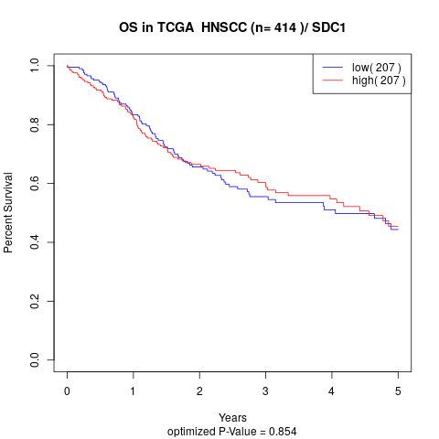

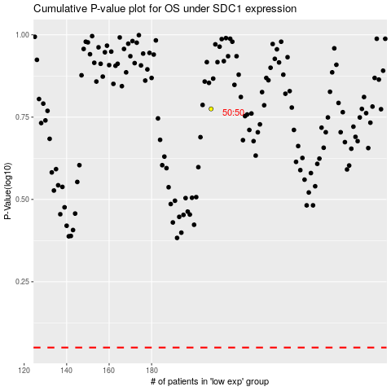

 |  |  |  |  |  | cases_OS | p_OS | rank | exp
 |  |  |  |  |  |  | cases_RFS | p_RFS | rank | exp

