SDC3 _multivariate
Reported by Tex Li-Hsing Chi. tex@gate.sinica.edu.tw 2019-08-16

Table 2. The clinicopathological features of HNSCC cohort and SDC3 expression. (Chi square test)
Cutoff at -0.134 (49.8%)
 |  | SDC3 expression |  | SDC3 expression |  | (Optimised)
 | Features | Low | (%) | High | (%) | Case no | P-value | Remark | Matthews
Gender | Female | 164 | 39.5 | 142 | 34.2 | 415 | 0.0153 | 1 | 0
2 | Male | 43 | 10.4 | 66 | 15.9
Age at diagnosis | <=65y | 142 | 34.2 | 132 | 31.8 | 415 | 0.3167 | 0 | 0
4 | >65y | 65 | 15.7 | 76 | 18.3
Clinical T Status | T1+T2 | 67 | 16.1 | 82 | 19.8 | 415 | 0.1628 | 0 | 0
6 | T3+T4 | 140 | 33.7 | 126 | 30.4
Clinical N Status | N0 | 98 | 23.6 | 118 | 28.4 | 415 | 0.0694 | 0 | 0
8 | N1-3 | 109 | 26.3 | 90 | 21.7
Clinical M Status | M0 | 204 | 49.2 | 208 | 50.1 | 415 | 0.1232 | 0 | 0
10 | M1 | 3 | 0.7 | 0 | 0
Clinical Stage | Stage I+II | 40 | 9.6 | 62 | 14.9 | 415 | 0.018 | 1 | 0
12 | Stage III+IV | 167 | 40.2 | 146 | 35.2
Surgical Margin status | Negative | 150 | 36.1 | 168 | 40.5 | 415 | 0.0492 | 1 | 0
14 | Positive | 57 | 13.7 | 40 | 9.6
Tobacco Exposure | Low | 64 | 15.4 | 97 | 23.4 | 415 | 0.0012 | 1 | 0
16 | High | 143 | 34.5 | 111 | 26.7

Table 3. Univariate/Multivariate Cox's proportional hazards regression analyses on OS time of SDC3 gene expression in HNSCC

 |  | Univariate |  |  |  | Multivariate
 | Features | HR | CI95%(L) | CI95%(H) | P-value | HR | CI95%(L) | CI95%(H) | P-value
1 | Female | 1 |  |  |  | 1
Gender | Male | 1.157 | 0.843 | 1.587 | 0.367 | 1.202 | 0.86 | 1.679 | 0.281
11 | <=65y | 1 |  |  |  | 1
Age at diagnosis | >65y | 1.329 | 0.99 | 1.784 | 0.058 | 1.387 | 1.02 | 1.886 | 0.037
12 | T1+T2 | 1 |  |  |  | 1
Clinical T Status | T3+T4 | 1.409 | 1.028 | 1.931 | 0.033 | 2.185 | 1.154 | 4.135 | 0.016
13 | N0 | 1 |  |  |  | 1
Clinical N Status | N1-3 | 1.185 | 0.89 | 1.577 | 0.246 | 1.243 | 0.871 | 1.774 | 0.231
14 | M0 | 1 |  |  |  | 1
Clinical M Status | M1 | 4.097 | 1.009 | 16.644 | 0.049 | 9.657 | 2.097 | 44.462 | 0.004
15 | Stage I+II | 1 |  |  |  | 1
Clinical Stage | Stage III+IV | 1.245 | 0.882 | 1.759 | 0.213 | 0.511 | 0.238 | 1.1 | 0.086
16 | Negative | 1 |  |  |  | 1
Surgical Margin status | Positive | 1.591 | 1.155 | 2.191 | 0.004 | 1.68 | 1.215 | 2.324 | 0.002
17 | Low | 1 |  |  |  | 1
Tobacco Exposure | High | 1.364 | 1.008 | 1.844 | 0.044 | 1.473 | 1.063 | 2.039 | 0.02
18 | Low | 1 |  |  |  | 1
RNAseq(z-score) | High | 0.976 | 0.732 | 1.301 | 0.869 | 1.071 | 0.793 | 1.446 | 0.654

Table 4. Univariate/Multivariate Cox's proportional hazards regression analyses on RFS time of SDC3 gene expression in HNSCC

 |  | Univariate |  |  |  | Multivariate
 | Features | HR | CI95%(L) | CI95%(H) | P-value | HR | CI95%(L) | CI95%(H) | P-value
1 | Female | 1 |  |  |  | 1
Gender | Male | 1.157 | 0.843 | 1.587 | 0.367 | 1.202 | 0.86 | 1.679 | 0.281
11 | <=65y | 1 |  |  |  | 1
Age at diagnosis | >65y | 1.329 | 0.99 | 1.784 | 0.058 | 1.387 | 1.02 | 1.886 | 0.037
12 | T1+T2 | 1 |  |  |  | 1
Clinical T Status | T3+T4 | 1.409 | 1.028 | 1.931 | 0.033 | 2.185 | 1.154 | 4.135 | 0.016
13 | N0 | 1 |  |  |  | 1
Clinical N Status | N1-3 | 1.185 | 0.89 | 1.577 | 0.246 | 1.243 | 0.871 | 1.774 | 0.231
14 | M0 | 1 |  |  |  | 1
Clinical M Status | M1 | 4.097 | 1.009 | 16.644 | 0.049 | 9.657 | 2.097 | 44.462 | 0.004
15 | Stage I+II | 1 |  |  |  | 1
Clinical Stage | Stage III+IV | 1.245 | 0.882 | 1.759 | 0.213 | 0.511 | 0.238 | 1.1 | 0.086
16 | Negative | 1 |  |  |  | 1
Surgical Margin status | Positive | 1.591 | 1.155 | 2.191 | 0.004 | 1.68 | 1.215 | 2.324 | 0.002
17 | Low | 1 |  |  |  | 1
Tobacco Exposure | High | 1.364 | 1.008 | 1.844 | 0.044 | 1.473 | 1.063 | 2.039 | 0.02
18 | Low | 1 |  |  |  | 1
RNAseq(z-score) | High | 0.976 | 0.732 | 1.301 | 0.869 | 1.071 | 0.793 | 1.446 | 0.654

Kaplan-Meier survival estimate: Cutoff at -0.134 (49.8%)

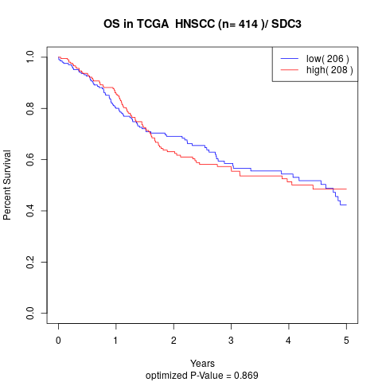

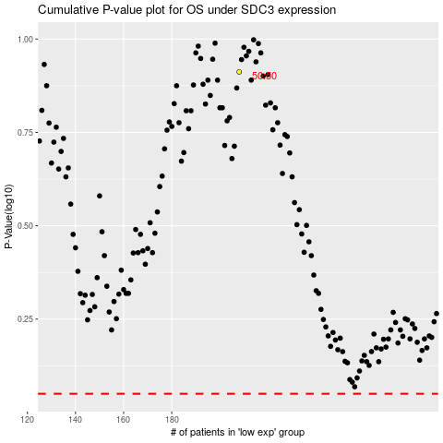

 |  |  |  |  |  | cases_OS | p_OS | rank | exp
 |  |  |  |  |  |  | cases_RFS | p_RFS | rank | exp

