SDC4 _multivariate
Reported by Tex Li-Hsing Chi. tex@gate.sinica.edu.tw 2019-08-16

Table 2. The clinicopathological features of HNSCC cohort and SDC4 expression. (Chi square test)
Cutoff at 0.2 (68.6%)
 |  | SDC4 expression |  | SDC4 expression |  | (Optimised)
 | Features | Low | (%) | High | (%) | Case no | P-value | Remark | Matthews
Gender | Female | 203 | 48.9 | 103 | 24.8 | 415 | 0.1563 | 0 | 0
2 | Male | 81 | 19.5 | 28 | 6.7
Age at diagnosis | <=65y | 183 | 44.1 | 91 | 21.9 | 415 | 0.3714 | 0 | 0
4 | >65y | 101 | 24.3 | 40 | 9.6
Clinical T Status | T1+T2 | 114 | 27.5 | 35 | 8.4 | 415 | 0.0111 | 1 | 0
6 | T3+T4 | 170 | 41 | 96 | 23.1
Clinical N Status | N0 | 159 | 38.3 | 57 | 13.7 | 415 | 0.0239 | 1 | 0
8 | N1-3 | 125 | 30.1 | 74 | 17.8
Clinical M Status | M0 | 283 | 68.2 | 129 | 31.1 | 415 | 0.2354 | 0 | 0
10 | M1 | 1 | 0.2 | 2 | 0.5
Clinical Stage | Stage I+II | 79 | 19 | 23 | 5.5 | 415 | 0.0329 | 1 | 0
12 | Stage III+IV | 205 | 49.4 | 108 | 26
Surgical Margin status | Negative | 218 | 52.5 | 100 | 24.1 | 415 | 1 | 0 | 0
14 | Positive | 66 | 15.9 | 31 | 7.5
Tobacco Exposure | Low | 114 | 27.5 | 47 | 11.3 | 415 | 0.4486 | 0 | 0
16 | High | 170 | 41 | 84 | 20.2

Table 3. Univariate/Multivariate Cox's proportional hazards regression analyses on OS time of SDC4 gene expression in HNSCC

 |  | Univariate |  |  |  | Multivariate
 | Features | HR | CI95%(L) | CI95%(H) | P-value | HR | CI95%(L) | CI95%(H) | P-value
1 | Female | 1 |  |  |  | 1
Gender | Male | 1.157 | 0.843 | 1.587 | 0.367 | 1.246 | 0.891 | 1.741 | 0.198
11 | <=65y | 1 |  |  |  | 1
Age at diagnosis | >65y | 1.329 | 0.99 | 1.784 | 0.058 | 1.416 | 1.042 | 1.926 | 0.026
12 | T1+T2 | 1 |  |  |  | 1
Clinical T Status | T3+T4 | 1.409 | 1.028 | 1.931 | 0.033 | 2.118 | 1.119 | 4.009 | 0.021
13 | N0 | 1 |  |  |  | 1
Clinical N Status | N1-3 | 1.185 | 0.89 | 1.577 | 0.246 | 1.2 | 0.84 | 1.713 | 0.316
14 | M0 | 1 |  |  |  | 1
Clinical M Status | M1 | 4.097 | 1.009 | 16.644 | 0.049 | 8.311 | 1.806 | 38.256 | 0.007
15 | Stage I+II | 1 |  |  |  | 1
Clinical Stage | Stage III+IV | 1.245 | 0.882 | 1.759 | 0.213 | 0.517 | 0.241 | 1.11 | 0.091
16 | Negative | 1 |  |  |  | 1
Surgical Margin status | Positive | 1.591 | 1.155 | 2.191 | 0.004 | 1.68 | 1.215 | 2.321 | 0.002
17 | Low | 1 |  |  |  | 1
Tobacco Exposure | High | 1.364 | 1.008 | 1.844 | 0.044 | 1.461 | 1.06 | 2.014 | 0.021
18 | Low | 1 |  |  |  | 1
RNAseq(z-score) | High | 1.49 | 1.099 | 2.02 | 0.01 | 1.477 | 1.083 | 2.015 | 0.014

Table 4. Univariate/Multivariate Cox's proportional hazards regression analyses on RFS time of SDC4 gene expression in HNSCC

 |  | Univariate |  |  |  | Multivariate
 | Features | HR | CI95%(L) | CI95%(H) | P-value | HR | CI95%(L) | CI95%(H) | P-value
1 | Female | 1 |  |  |  | 1
Gender | Male | 1.157 | 0.843 | 1.587 | 0.367 | 1.246 | 0.891 | 1.741 | 0.198
11 | <=65y | 1 |  |  |  | 1
Age at diagnosis | >65y | 1.329 | 0.99 | 1.784 | 0.058 | 1.416 | 1.042 | 1.926 | 0.026
12 | T1+T2 | 1 |  |  |  | 1
Clinical T Status | T3+T4 | 1.409 | 1.028 | 1.931 | 0.033 | 2.118 | 1.119 | 4.009 | 0.021
13 | N0 | 1 |  |  |  | 1
Clinical N Status | N1-3 | 1.185 | 0.89 | 1.577 | 0.246 | 1.2 | 0.84 | 1.713 | 0.316
14 | M0 | 1 |  |  |  | 1
Clinical M Status | M1 | 4.097 | 1.009 | 16.644 | 0.049 | 8.311 | 1.806 | 38.256 | 0.007
15 | Stage I+II | 1 |  |  |  | 1
Clinical Stage | Stage III+IV | 1.245 | 0.882 | 1.759 | 0.213 | 0.517 | 0.241 | 1.11 | 0.091
16 | Negative | 1 |  |  |  | 1
Surgical Margin status | Positive | 1.591 | 1.155 | 2.191 | 0.004 | 1.68 | 1.215 | 2.321 | 0.002
17 | Low | 1 |  |  |  | 1
Tobacco Exposure | High | 1.364 | 1.008 | 1.844 | 0.044 | 1.461 | 1.06 | 2.014 | 0.021
18 | Low | 1 |  |  |  | 1
RNAseq(z-score) | High | 1.49 | 1.099 | 2.02 | 0.01 | 1.477 | 1.083 | 2.015 | 0.014

Kaplan-Meier survival estimate: Cutoff at 0.2 (68.6%)

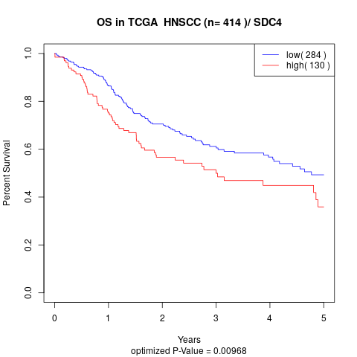

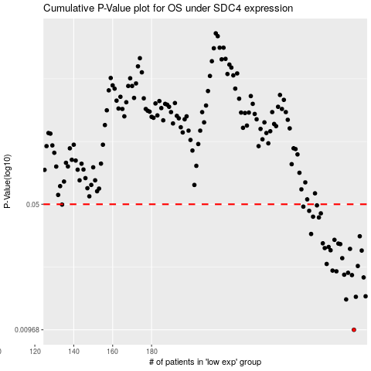

 |  |  |  |  |  | cases_OS | p_OS | rank | exp
 |  |  |  |  |  | 284 | 0.00968 | 264 | 0.19950668399
 |  |  |  |  |  | 280 | 0.0144 | 138 | 0.1913048716
 |  |  |  |  |  | 285 | 0.0149 | 78 | 0.20110645755
 |  |  |  |  |  | 290 | 0.015 | 21 | 0.22173796575
 |  |  |  |  |  | 289 | 0.0192 | 95 | 0.21872919789
 |  |  |  |  |  | 283 | 0.0198 | 219 | 0.19735311211
 |  |  |  |  |  | 279 | 0.0199 | 141 | 0.18382999786
 |  |  |  |  |  | 281 | 0.0204 | 54 | 0.19411163064
 |  |  |  |  |  | 275 | 0.0208 | 159 | 0.16456367801
 |  |  |  |  |  | 273 | 0.021 | 99 | 0.15309607106
 |  |  |  |  |  | 286 | 0.0223 | 289 | 0.20460581322
 |  |  |  |  |  | 270 | 0.0229 | 248 | 0.13563993811
 |  |  |  |  |  | 278 | 0.0247 | 334 | 0.18253245182
 |  |  |  |  |  | 288 | 0.0273 | 122 | 0.21826255239
 |  |  |  |  |  | 272 | 0.0274 | 34 | 0.13996585081
 |  |  |  |  |  | 282 | 0.0279 | 45 | 0.19607292247
 |  |  |  |  |  | 269 | 0.0282 | 288 | 0.13512920416
 |  |  |  |  |  | 271 | 0.0286 | 259 | 0.13922330375
 |  |  |  |  |  | 277 | 0.0297 | 320 | 0.18154921039
 |  |  |  |  |  | 276 | 0.0299 | 358 | 0.17873824908
 |  |  |  |  |  | 268 | 0.03 | 304 | 0.098149283259
 |  |  |  |  |  | 274 | 0.0314 | 110 | 0.15681085455
 |  |  |  |  |  | 287 | 0.0329 | 341 | 0.21730076369
 |  |  |  |  |  | 262 | 0.0339 | 375 | 0.070521694531
 |  |  |  |  |  | 266 | 0.0421 | 279 | 0.083140245023
 |  |  |  |  |  | 263 | 0.0425 | 364 | 0.071805909861
 |  |  |  |  |  | 267 | 0.0444 | 403 | 0.091458626094
 |  |  |  |  |  | 261 | 0.0459 | 51 | 0.063643471619
 |  |  |  |  |  | 258 | 0.0485 | 222 | 0.045653774776
 |  |  |  |  |  | 265 | 0.0493 | 330 | 0.081478285028
 |  |  |  |  |  | 134 | 0.0498 | 113 | -0.51903643281
 |  |  |  |  |  |  | cases_RFS | p_RFS | rank | exp
 |  |  |  |  |  |  | 283 | 0.00968 | 219 | 0.19735311211
 |  |  |  |  |  |  | 279 | 0.0144 | 141 | 0.18382999786
 |  |  |  |  |  |  | 284 | 0.0149 | 264 | 0.19950668399
 |  |  |  |  |  |  | 289 | 0.015 | 95 | 0.21872919789
 |  |  |  |  |  |  | 288 | 0.0192 | 122 | 0.21826255239
 |  |  |  |  |  |  | 282 | 0.0198 | 45 | 0.19607292247
 |  |  |  |  |  |  | 278 | 0.0199 | 334 | 0.18253245182
 |  |  |  |  |  |  | 280 | 0.0204 | 138 | 0.1913048716
 |  |  |  |  |  |  | 274 | 0.0208 | 110 | 0.15681085455
 |  |  |  |  |  |  | 272 | 0.021 | 34 | 0.13996585081
 |  |  |  |  |  |  | 285 | 0.0223 | 78 | 0.20110645755
 |  |  |  |  |  |  | 269 | 0.0229 | 288 | 0.13512920416
 |  |  |  |  |  |  | 277 | 0.0247 | 320 | 0.18154921039
 |  |  |  |  |  |  | 287 | 0.0273 | 341 | 0.21730076369
 |  |  |  |  |  |  | 271 | 0.0274 | 259 | 0.13922330375
 |  |  |  |  |  |  | 281 | 0.0279 | 54 | 0.19411163064
 |  |  |  |  |  |  | 268 | 0.0282 | 304 | 0.098149283259
 |  |  |  |  |  |  | 270 | 0.0286 | 248 | 0.13563993811
 |  |  |  |  |  |  | 276 | 0.0297 | 358 | 0.17873824908
 |  |  |  |  |  |  | 275 | 0.0299 | 159 | 0.16456367801
 |  |  |  |  |  |  | 267 | 0.03 | 403 | 0.091458626094
 |  |  |  |  |  |  | 273 | 0.0314 | 99 | 0.15309607106
 |  |  |  |  |  |  | 286 | 0.0329 | 289 | 0.20460581322
 |  |  |  |  |  |  | 261 | 0.0339 | 51 | 0.063643471619
 |  |  |  |  |  |  | 265 | 0.0421 | 330 | 0.081478285028
 |  |  |  |  |  |  | 262 | 0.0425 | 375 | 0.070521694531
 |  |  |  |  |  |  | 266 | 0.0444 | 279 | 0.083140245023
 |  |  |  |  |  |  | 260 | 0.0459 | 103 | 0.059867278579
 |  |  |  |  |  |  | 257 | 0.0485 | 152 | 0.044182170266
 |  |  |  |  |  |  | 264 | 0.0493 | 305 | 0.075757485614
 |  |  |  |  |  |  | 133 | 0.0498 | 41 | -0.52029299795

