SDCBP2 _multivariate
Reported by Tex Li-Hsing Chi. tex@gate.sinica.edu.tw 2019-08-16

Table 2. The clinicopathological features of HNSCC cohort and SDCBP2 expression. (Chi square test)
Cutoff at 0.123 (69.1%)
 |  | SDCBP2 expression |  | SDCBP2 expression |  | (Optimised)
 | Features | Low | (%) | High | (%) | Case no | P-value | Remark | Matthews
Gender | Female | 221 | 53.3 | 85 | 20.5 | 415 | 0.0205 | 1 | 0
2 | Male | 65 | 15.7 | 44 | 10.6
Age at diagnosis | <=65y | 187 | 45.1 | 87 | 21 | 415 | 0.766 | 0 | 0
4 | >65y | 99 | 23.9 | 42 | 10.1
Clinical T Status | T1+T2 | 103 | 24.8 | 46 | 11.1 | 415 | 1 | 0 | 0
6 | T3+T4 | 183 | 44.1 | 83 | 20
Clinical N Status | N0 | 145 | 34.9 | 71 | 17.1 | 415 | 0.4759 | 0 | 0
8 | N1-3 | 141 | 34 | 58 | 14
Clinical M Status | M0 | 285 | 68.7 | 127 | 30.6 | 415 | 0.2292 | 0 | 0
10 | M1 | 1 | 0.2 | 2 | 0.5
Clinical Stage | Stage I+II | 73 | 17.6 | 29 | 7 | 415 | 0.5868 | 0 | 0
12 | Stage III+IV | 213 | 51.3 | 100 | 24.1
Surgical Margin status | Negative | 222 | 53.5 | 96 | 23.1 | 415 | 0.5311 | 0 | 0
14 | Positive | 64 | 15.4 | 33 | 8
Tobacco Exposure | Low | 103 | 24.8 | 58 | 14 | 415 | 0.1024 | 0 | 0
16 | High | 183 | 44.1 | 71 | 17.1

Table 3. Univariate/Multivariate Cox's proportional hazards regression analyses on OS time of SDCBP2 gene expression in HNSCC

 |  | Univariate |  |  |  | Multivariate
 | Features | HR | CI95%(L) | CI95%(H) | P-value | HR | CI95%(L) | CI95%(H) | P-value
1 | Female | 1 |  |  |  | 1
Gender | Male | 1.157 | 0.843 | 1.587 | 0.367 | 1.3 | 0.926 | 1.825 | 0.129
11 | <=65y | 1 |  |  |  | 1
Age at diagnosis | >65y | 1.329 | 0.99 | 1.784 | 0.058 | 1.4 | 1.029 | 1.905 | 0.032
12 | T1+T2 | 1 |  |  |  | 1
Clinical T Status | T3+T4 | 1.409 | 1.028 | 1.931 | 0.033 | 2.156 | 1.141 | 4.075 | 0.018
13 | N0 | 1 |  |  |  | 1
Clinical N Status | N1-3 | 1.185 | 0.89 | 1.577 | 0.246 | 1.173 | 0.82 | 1.677 | 0.383
14 | M0 | 1 |  |  |  | 1
Clinical M Status | M1 | 4.097 | 1.009 | 16.644 | 0.049 | 11.996 | 2.586 | 55.636 | 0.002
15 | Stage I+II | 1 |  |  |  | 1
Clinical Stage | Stage III+IV | 1.245 | 0.882 | 1.759 | 0.213 | 0.537 | 0.25 | 1.154 | 0.111
16 | Negative | 1 |  |  |  | 1
Surgical Margin status | Positive | 1.591 | 1.155 | 2.191 | 0.004 | 1.698 | 1.229 | 2.347 | 0.001
17 | Low | 1 |  |  |  | 1
Tobacco Exposure | High | 1.364 | 1.008 | 1.844 | 0.044 | 1.438 | 1.043 | 1.981 | 0.027
18 | Low | 1 |  |  |  | 1
RNAseq(z-score) | High | 0.673 | 0.483 | 0.937 | 0.019 | 0.635 | 0.451 | 0.895 | 0.009

Table 4. Univariate/Multivariate Cox's proportional hazards regression analyses on RFS time of SDCBP2 gene expression in HNSCC

 |  | Univariate |  |  |  | Multivariate
 | Features | HR | CI95%(L) | CI95%(H) | P-value | HR | CI95%(L) | CI95%(H) | P-value
1 | Female | 1 |  |  |  | 1
Gender | Male | 1.157 | 0.843 | 1.587 | 0.367 | 1.3 | 0.926 | 1.825 | 0.129
11 | <=65y | 1 |  |  |  | 1
Age at diagnosis | >65y | 1.329 | 0.99 | 1.784 | 0.058 | 1.4 | 1.029 | 1.905 | 0.032
12 | T1+T2 | 1 |  |  |  | 1
Clinical T Status | T3+T4 | 1.409 | 1.028 | 1.931 | 0.033 | 2.156 | 1.141 | 4.075 | 0.018
13 | N0 | 1 |  |  |  | 1
Clinical N Status | N1-3 | 1.185 | 0.89 | 1.577 | 0.246 | 1.173 | 0.82 | 1.677 | 0.383
14 | M0 | 1 |  |  |  | 1
Clinical M Status | M1 | 4.097 | 1.009 | 16.644 | 0.049 | 11.996 | 2.586 | 55.636 | 0.002
15 | Stage I+II | 1 |  |  |  | 1
Clinical Stage | Stage III+IV | 1.245 | 0.882 | 1.759 | 0.213 | 0.537 | 0.25 | 1.154 | 0.111
16 | Negative | 1 |  |  |  | 1
Surgical Margin status | Positive | 1.591 | 1.155 | 2.191 | 0.004 | 1.698 | 1.229 | 2.347 | 0.001
17 | Low | 1 |  |  |  | 1
Tobacco Exposure | High | 1.364 | 1.008 | 1.844 | 0.044 | 1.438 | 1.043 | 1.981 | 0.027
18 | Low | 1 |  |  |  | 1
RNAseq(z-score) | High | 0.673 | 0.483 | 0.937 | 0.019 | 0.635 | 0.451 | 0.895 | 0.009

Kaplan-Meier survival estimate: Cutoff at 0.123 (69.1%)

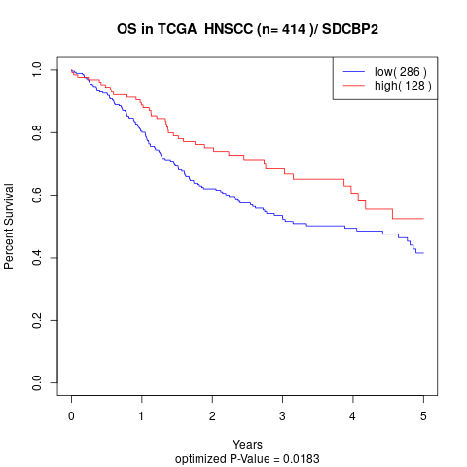

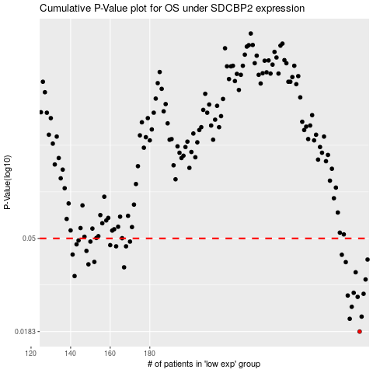

 |  |  |  |  |  | cases_OS | p_OS | rank | exp
 |  |  |  |  |  | 286 | 0.0183 | 91 | 0.12349422664
 |  |  |  |  |  | 281 | 0.021 | 408 | 0.043598359913
 |  |  |  |  |  | 287 | 0.0215 | 400 | 0.12791372263
 |  |  |  |  |  | 282 | 0.0239 | 330 | 0.05484228826
 |  |  |  |  |  | 285 | 0.0266 | 213 | 0.095913969135
 |  |  |  |  |  | 280 | 0.027 | 107 | 0.043591376271
 |  |  |  |  |  | 288 | 0.0275 | 320 | 0.13052507423
 |  |  |  |  |  | 283 | 0.0278 | 152 | 0.070742979617
 |  |  |  |  |  | 289 | 0.0321 | 139 | 0.14736493279
 |  |  |  |  |  | 142 | 0.0333 | 32 | -0.61315877615
 |  |  |  |  |  | 284 | 0.0347 | 181 | 0.087768390891
 |  |  |  |  |  | 167 | 0.0366 | 59 | -0.51483378617
 |  |  |  |  |  | 149 | 0.0378 | 149 | -0.57982231827
 |  |  |  |  |  | 279 | 0.0387 | 224 | 0.033329577789
 |  |  |  |  |  | 152 | 0.0388 | 242 | -0.5648403736
 |  |  |  |  |  | 290 | 0.0398 | 156 | 0.16250697082
 |  |  |  |  |  | 277 | 0.0419 | 151 | 0.016502979303
 |  |  |  |  |  | 141 | 0.042 | 260 | -0.61340665123
 |  |  |  |  |  | 148 | 0.0437 | 322 | -0.58871461577
 |  |  |  |  |  | 168 | 0.0459 | 110 | -0.50920576656
 |  |  |  |  |  | 163 | 0.0459 | 365 | -0.52607347129
 |  |  |  |  |  | 160 | 0.0465 | 317 | -0.53572698574
 |  |  |  |  |  | 143 | 0.0469 | 315 | -0.60726281454
 |  |  |  |  |  | 150 | 0.0483 | 16 | -0.56971955234
 |  |  |  |  |  | 170 | 0.0483 | 37 | -0.50472377139
 |  |  |  |  |  | 144 | 0.0489 | 351 | -0.60363379607
 |  |  |  |  |  |  | cases_RFS | p_RFS | rank | exp
 |  |  |  |  |  |  | 285 | 0.0183 | 213 | 0.095913969135
 |  |  |  |  |  |  | 280 | 0.021 | 107 | 0.043591376271
 |  |  |  |  |  |  | 286 | 0.0215 | 91 | 0.12349422664
 |  |  |  |  |  |  | 281 | 0.0239 | 408 | 0.043598359913
 |  |  |  |  |  |  | 284 | 0.0266 | 181 | 0.087768390891
 |  |  |  |  |  |  | 279 | 0.027 | 224 | 0.033329577789
 |  |  |  |  |  |  | 287 | 0.0275 | 400 | 0.12791372263
 |  |  |  |  |  |  | 282 | 0.0278 | 330 | 0.05484228826
 |  |  |  |  |  |  | 288 | 0.0321 | 320 | 0.13052507423
 |  |  |  |  |  |  | 141 | 0.0333 | 260 | -0.61340665123
 |  |  |  |  |  |  | 283 | 0.0347 | 152 | 0.070742979617
 |  |  |  |  |  |  | 166 | 0.0366 | 79 | -0.51512533111
 |  |  |  |  |  |  | 148 | 0.0378 | 322 | -0.58871461577
 |  |  |  |  |  |  | 278 | 0.0387 | 97 | 0.018128576611
 |  |  |  |  |  |  | 151 | 0.0388 | 247 | -0.56953682845
 |  |  |  |  |  |  | 289 | 0.0398 | 139 | 0.14736493279
 |  |  |  |  |  |  | 276 | 0.0419 | 369 | 0.0036447689159
 |  |  |  |  |  |  | 140 | 0.042 | 117 | -0.61504860264
 |  |  |  |  |  |  | 147 | 0.0437 | 273 | -0.59177557245
 |  |  |  |  |  |  | 162 | 0.0459 | 56 | -0.52615807059
 |  |  |  |  |  |  | 167 | 0.0459 | 59 | -0.51483378617
 |  |  |  |  |  |  | 159 | 0.0465 | 355 | -0.53987226329
 |  |  |  |  |  |  | 142 | 0.0469 | 32 | -0.61315877615
 |  |  |  |  |  |  | 169 | 0.0483 | 67 | -0.50725918693
 |  |  |  |  |  |  | 149 | 0.0483 | 149 | -0.57982231827
 |  |  |  |  |  |  | 143 | 0.0489 | 315 | -0.60726281454

