SDCCAG1 _multivariate
Reported by Tex Li-Hsing Chi. tex@gate.sinica.edu.tw 2019-08-16

Table 2. The clinicopathological features of HNSCC cohort and SDCCAG1 expression. (Chi square test)
Cutoff at -0.125 (50.0%)
 |  | SDCCAG1 expression |  | SDCCAG1 expression |  | (Optimised)
 | Features | Low | (%) | High | (%) | Case no | P-value | Remark | Matthews
Gender | Female | 158 | 38.1 | 148 | 35.7 | 415 | 0.2774 | 0 | 0
2 | Male | 49 | 11.8 | 60 | 14.5
Age at diagnosis | <=65y | 138 | 33.3 | 136 | 32.8 | 415 | 0.8634 | 0 | 0
4 | >65y | 69 | 16.6 | 72 | 17.3
Clinical T Status | T1+T2 | 69 | 16.6 | 80 | 19.3 | 415 | 0.3239 | 0 | 0
6 | T3+T4 | 138 | 33.3 | 128 | 30.8
Clinical N Status | N0 | 101 | 24.3 | 115 | 27.7 | 415 | 0.2201 | 0 | 0
8 | N1-3 | 106 | 25.5 | 93 | 22.4
Clinical M Status | M0 | 206 | 49.6 | 206 | 49.6 | 415 | 1 | 0 | 0
10 | M1 | 1 | 0.2 | 2 | 0.5
Clinical Stage | Stage I+II | 47 | 11.3 | 55 | 13.3 | 415 | 0.4413 | 0 | 0
12 | Stage III+IV | 160 | 38.6 | 153 | 36.9
Surgical Margin status | Negative | 162 | 39 | 156 | 37.6 | 415 | 0.4867 | 0 | 0
14 | Positive | 45 | 10.8 | 52 | 12.5
Tobacco Exposure | Low | 72 | 17.3 | 89 | 21.4 | 415 | 0.1071 | 0 | 0
16 | High | 135 | 32.5 | 119 | 28.7

Table 3. Univariate/Multivariate Cox's proportional hazards regression analyses on OS time of SDCCAG1 gene expression in HNSCC

 |  | Univariate |  |  |  | Multivariate
 | Features | HR | CI95%(L) | CI95%(H) | P-value | HR | CI95%(L) | CI95%(H) | P-value
1 | Female | 1 |  |  |  | 1
Gender | Male | 1.157 | 0.843 | 1.587 | 0.367 | 1.202 | 0.86 | 1.678 | 0.281
11 | <=65y | 1 |  |  |  | 1
Age at diagnosis | >65y | 1.329 | 0.99 | 1.784 | 0.058 | 1.386 | 1.02 | 1.885 | 0.037
12 | T1+T2 | 1 |  |  |  | 1
Clinical T Status | T3+T4 | 1.409 | 1.028 | 1.931 | 0.033 | 2.214 | 1.171 | 4.188 | 0.015
13 | N0 | 1 |  |  |  | 1
Clinical N Status | N1-3 | 1.185 | 0.89 | 1.577 | 0.246 | 1.254 | 0.877 | 1.793 | 0.215
14 | M0 | 1 |  |  |  | 1
Clinical M Status | M1 | 4.097 | 1.009 | 16.644 | 0.049 | 9.34 | 2.037 | 42.826 | 0.004
15 | Stage I+II | 1 |  |  |  | 1
Clinical Stage | Stage III+IV | 1.245 | 0.882 | 1.759 | 0.213 | 0.5 | 0.233 | 1.074 | 0.076
16 | Negative | 1 |  |  |  | 1
Surgical Margin status | Positive | 1.591 | 1.155 | 2.191 | 0.004 | 1.666 | 1.206 | 2.303 | 0.002
17 | Low | 1 |  |  |  | 1
Tobacco Exposure | High | 1.364 | 1.008 | 1.844 | 0.044 | 1.459 | 1.059 | 2.011 | 0.021
18 | Low | 1 |  |  |  | 1
RNAseq(z-score) | High | 1.052 | 0.79 | 1.401 | 0.729 | 1.08 | 0.807 | 1.444 | 0.605

Table 4. Univariate/Multivariate Cox's proportional hazards regression analyses on RFS time of SDCCAG1 gene expression in HNSCC

 |  | Univariate |  |  |  | Multivariate
 | Features | HR | CI95%(L) | CI95%(H) | P-value | HR | CI95%(L) | CI95%(H) | P-value
1 | Female | 1 |  |  |  | 1
Gender | Male | 1.157 | 0.843 | 1.587 | 0.367 | 1.202 | 0.86 | 1.678 | 0.281
11 | <=65y | 1 |  |  |  | 1
Age at diagnosis | >65y | 1.329 | 0.99 | 1.784 | 0.058 | 1.386 | 1.02 | 1.885 | 0.037
12 | T1+T2 | 1 |  |  |  | 1
Clinical T Status | T3+T4 | 1.409 | 1.028 | 1.931 | 0.033 | 2.214 | 1.171 | 4.188 | 0.015
13 | N0 | 1 |  |  |  | 1
Clinical N Status | N1-3 | 1.185 | 0.89 | 1.577 | 0.246 | 1.254 | 0.877 | 1.793 | 0.215
14 | M0 | 1 |  |  |  | 1
Clinical M Status | M1 | 4.097 | 1.009 | 16.644 | 0.049 | 9.34 | 2.037 | 42.826 | 0.004
15 | Stage I+II | 1 |  |  |  | 1
Clinical Stage | Stage III+IV | 1.245 | 0.882 | 1.759 | 0.213 | 0.5 | 0.233 | 1.074 | 0.076
16 | Negative | 1 |  |  |  | 1
Surgical Margin status | Positive | 1.591 | 1.155 | 2.191 | 0.004 | 1.666 | 1.206 | 2.303 | 0.002
17 | Low | 1 |  |  |  | 1
Tobacco Exposure | High | 1.364 | 1.008 | 1.844 | 0.044 | 1.459 | 1.059 | 2.011 | 0.021
18 | Low | 1 |  |  |  | 1
RNAseq(z-score) | High | 1.052 | 0.79 | 1.401 | 0.729 | 1.08 | 0.807 | 1.444 | 0.605

Kaplan-Meier survival estimate: Cutoff at -0.125 (50.0%)



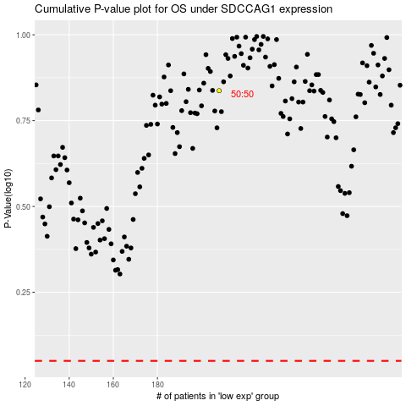

 |  |  |  |  |  | cases_OS | p_OS | rank | exp
 |  |  |  |  |  |  | cases_RFS | p_RFS | rank | exp

