SDF2 _multivariate
Reported by Tex Li-Hsing Chi. tex@gate.sinica.edu.tw 2019-08-16

Table 2. The clinicopathological features of HNSCC cohort and SDF2 expression. (Chi square test)
Cutoff at -0.223 (50.0%)
 |  | SDF2 expression |  | SDF2 expression |  | (Optimised)
 | Features | Low | (%) | High | (%) | Case no | P-value | Remark | Matthews
Gender | Female | 145 | 34.9 | 161 | 38.8 | 415 | 0.1116 | 0 | 0
2 | Male | 62 | 14.9 | 47 | 11.3
Age at diagnosis | <=65y | 132 | 31.8 | 142 | 34.2 | 415 | 0.3874 | 0 | 0
4 | >65y | 75 | 18.1 | 66 | 15.9
Clinical T Status | T1+T2 | 82 | 19.8 | 67 | 16.1 | 415 | 0.1417 | 0 | 0
6 | T3+T4 | 125 | 30.1 | 141 | 34
Clinical N Status | N0 | 112 | 27 | 104 | 25.1 | 415 | 0.4599 | 0 | 0
8 | N1-3 | 95 | 22.9 | 104 | 25.1
Clinical M Status | M0 | 207 | 49.9 | 205 | 49.4 | 415 | 0.2482 | 0 | 0
10 | M1 | 0 | 0 | 3 | 0.7
Clinical Stage | Stage I+II | 56 | 13.5 | 46 | 11.1 | 415 | 0.2918 | 0 | 0
12 | Stage III+IV | 151 | 36.4 | 162 | 39
Surgical Margin status | Negative | 161 | 38.8 | 157 | 37.8 | 415 | 0.6429 | 0 | 0
14 | Positive | 46 | 11.1 | 51 | 12.3
Tobacco Exposure | Low | 94 | 22.7 | 67 | 16.1 | 415 | 0.0065 | 1 | 0
16 | High | 113 | 27.2 | 141 | 34

Table 3. Univariate/Multivariate Cox's proportional hazards regression analyses on OS time of SDF2 gene expression in HNSCC

 |  | Univariate |  |  |  | Multivariate
 | Features | HR | CI95%(L) | CI95%(H) | P-value | HR | CI95%(L) | CI95%(H) | P-value
1 | Female | 1 |  |  |  | 1
Gender | Male | 1.157 | 0.843 | 1.587 | 0.367 | 1.199 | 0.858 | 1.677 | 0.288
11 | <=65y | 1 |  |  |  | 1
Age at diagnosis | >65y | 1.329 | 0.99 | 1.784 | 0.058 | 1.39 | 1.022 | 1.89 | 0.036
12 | T1+T2 | 1 |  |  |  | 1
Clinical T Status | T3+T4 | 1.409 | 1.028 | 1.931 | 0.033 | 2.189 | 1.154 | 4.155 | 0.017
13 | N0 | 1 |  |  |  | 1
Clinical N Status | N1-3 | 1.185 | 0.89 | 1.577 | 0.246 | 1.238 | 0.867 | 1.768 | 0.239
14 | M0 | 1 |  |  |  | 1
Clinical M Status | M1 | 4.097 | 1.009 | 16.644 | 0.049 | 9.24 | 1.987 | 42.955 | 0.005
15 | Stage I+II | 1 |  |  |  | 1
Clinical Stage | Stage III+IV | 1.245 | 0.882 | 1.759 | 0.213 | 0.507 | 0.236 | 1.092 | 0.083
16 | Negative | 1 |  |  |  | 1
Surgical Margin status | Positive | 1.591 | 1.155 | 2.191 | 0.004 | 1.671 | 1.209 | 2.309 | 0.002
17 | Low | 1 |  |  |  | 1
Tobacco Exposure | High | 1.364 | 1.008 | 1.844 | 0.044 | 1.446 | 1.044 | 2.003 | 0.027
18 | Low | 1 |  |  |  | 1
RNAseq(z-score) | High | 1.178 | 0.884 | 1.569 | 0.264 | 1.026 | 0.762 | 1.38 | 0.867

Table 4. Univariate/Multivariate Cox's proportional hazards regression analyses on RFS time of SDF2 gene expression in HNSCC

 |  | Univariate |  |  |  | Multivariate
 | Features | HR | CI95%(L) | CI95%(H) | P-value | HR | CI95%(L) | CI95%(H) | P-value
1 | Female | 1 |  |  |  | 1
Gender | Male | 1.157 | 0.843 | 1.587 | 0.367 | 1.199 | 0.858 | 1.677 | 0.288
11 | <=65y | 1 |  |  |  | 1
Age at diagnosis | >65y | 1.329 | 0.99 | 1.784 | 0.058 | 1.39 | 1.022 | 1.89 | 0.036
12 | T1+T2 | 1 |  |  |  | 1
Clinical T Status | T3+T4 | 1.409 | 1.028 | 1.931 | 0.033 | 2.189 | 1.154 | 4.155 | 0.017
13 | N0 | 1 |  |  |  | 1
Clinical N Status | N1-3 | 1.185 | 0.89 | 1.577 | 0.246 | 1.238 | 0.867 | 1.768 | 0.239
14 | M0 | 1 |  |  |  | 1
Clinical M Status | M1 | 4.097 | 1.009 | 16.644 | 0.049 | 9.24 | 1.987 | 42.955 | 0.005
15 | Stage I+II | 1 |  |  |  | 1
Clinical Stage | Stage III+IV | 1.245 | 0.882 | 1.759 | 0.213 | 0.507 | 0.236 | 1.092 | 0.083
16 | Negative | 1 |  |  |  | 1
Surgical Margin status | Positive | 1.591 | 1.155 | 2.191 | 0.004 | 1.671 | 1.209 | 2.309 | 0.002
17 | Low | 1 |  |  |  | 1
Tobacco Exposure | High | 1.364 | 1.008 | 1.844 | 0.044 | 1.446 | 1.044 | 2.003 | 0.027
18 | Low | 1 |  |  |  | 1
RNAseq(z-score) | High | 1.178 | 0.884 | 1.569 | 0.264 | 1.026 | 0.762 | 1.38 | 0.867

Kaplan-Meier survival estimate: Cutoff at -0.223 (50.0%)



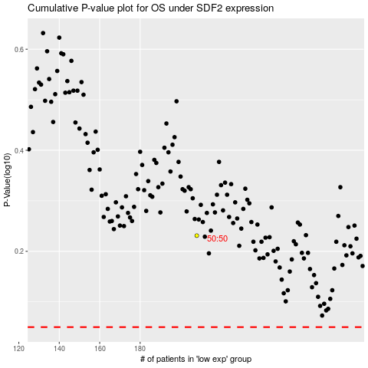

 |  |  |  |  |  | cases_OS | p_OS | rank | exp
 |  |  |  |  |  |  | cases_RFS | p_RFS | rank | exp

