SDHAF1 _multivariate
Reported by Tex Li-Hsing Chi. tex@gate.sinica.edu.tw 2019-08-16

Table 2. The clinicopathological features of HNSCC cohort and SDHAF1 expression. (Chi square test)
Cutoff at -0.247 (49.8%)
 |  | SDHAF1 expression |  | SDHAF1 expression |  | (Optimised)
 | Features | Low | (%) | High | (%) | Case no | P-value | Remark | Matthews
Gender | Female | 140 | 33.7 | 166 | 40 | 415 | 0.0068 | 1 | 0
2 | Male | 67 | 16.1 | 42 | 10.1
Age at diagnosis | <=65y | 136 | 32.8 | 138 | 33.3 | 415 | 0.9719 | 0 | 0
4 | >65y | 71 | 17.1 | 70 | 16.9
Clinical T Status | T1+T2 | 83 | 20 | 66 | 15.9 | 415 | 0.0941 | 0 | 0
6 | T3+T4 | 124 | 29.9 | 142 | 34.2
Clinical N Status | N0 | 113 | 27.2 | 103 | 24.8 | 415 | 0.3495 | 1 | 0
8 | N1-3 | 94 | 22.7 | 105 | 25.3
Clinical M Status | M0 | 204 | 49.2 | 208 | 50.1 | 415 | 0.1232 | 0 | 0
10 | M1 | 3 | 0.7 | 0 | 0
Clinical Stage | Stage I+II | 56 | 13.5 | 46 | 11.1 | 415 | 0.2918 | 0 | 0
12 | Stage III+IV | 151 | 36.4 | 162 | 39
Surgical Margin status | Negative | 168 | 40.5 | 150 | 36.1 | 415 | 0.0366 | 1 | 0
14 | Positive | 39 | 9.4 | 58 | 14
Tobacco Exposure | Low | 86 | 20.7 | 75 | 18.1 | 415 | 0.2687 | 0 | 0
16 | High | 121 | 29.2 | 133 | 32

Table 3. Univariate/Multivariate Cox's proportional hazards regression analyses on OS time of SDHAF1 gene expression in HNSCC

 |  | Univariate |  |  |  | Multivariate
 | Features | HR | CI95%(L) | CI95%(H) | P-value | HR | CI95%(L) | CI95%(H) | P-value
1 | Female | 1 |  |  |  | 1
Gender | Male | 1.157 | 0.843 | 1.587 | 0.367 | 1.177 | 0.842 | 1.646 | 0.339
11 | <=65y | 1 |  |  |  | 1
Age at diagnosis | >65y | 1.329 | 0.99 | 1.784 | 0.058 | 1.401 | 1.031 | 1.905 | 0.031
12 | T1+T2 | 1 |  |  |  | 1
Clinical T Status | T3+T4 | 1.409 | 1.028 | 1.931 | 0.033 | 2.274 | 1.2 | 4.309 | 0.012
13 | N0 | 1 |  |  |  | 1
Clinical N Status | N1-3 | 1.185 | 0.89 | 1.577 | 0.246 | 1.281 | 0.895 | 1.832 | 0.176
14 | M0 | 1 |  |  |  | 1
Clinical M Status | M1 | 4.097 | 1.009 | 16.644 | 0.049 | 8.59 | 1.865 | 39.558 | 0.006
15 | Stage I+II | 1 |  |  |  | 1
Clinical Stage | Stage III+IV | 1.245 | 0.882 | 1.759 | 0.213 | 0.487 | 0.227 | 1.048 | 0.066
16 | Negative | 1 |  |  |  | 1
Surgical Margin status | Positive | 1.591 | 1.155 | 2.191 | 0.004 | 1.712 | 1.237 | 2.371 | 0.001
17 | Low | 1 |  |  |  | 1
Tobacco Exposure | High | 1.364 | 1.008 | 1.844 | 0.044 | 1.476 | 1.07 | 2.034 | 0.018
18 | Low | 1 |  |  |  | 1
RNAseq(z-score) | High | 0.9 | 0.675 | 1.199 | 0.471 | 0.811 | 0.603 | 1.092 | 0.167

Table 4. Univariate/Multivariate Cox's proportional hazards regression analyses on RFS time of SDHAF1 gene expression in HNSCC

 |  | Univariate |  |  |  | Multivariate
 | Features | HR | CI95%(L) | CI95%(H) | P-value | HR | CI95%(L) | CI95%(H) | P-value
1 | Female | 1 |  |  |  | 1
Gender | Male | 1.157 | 0.843 | 1.587 | 0.367 | 1.177 | 0.842 | 1.646 | 0.339
11 | <=65y | 1 |  |  |  | 1
Age at diagnosis | >65y | 1.329 | 0.99 | 1.784 | 0.058 | 1.401 | 1.031 | 1.905 | 0.031
12 | T1+T2 | 1 |  |  |  | 1
Clinical T Status | T3+T4 | 1.409 | 1.028 | 1.931 | 0.033 | 2.274 | 1.2 | 4.309 | 0.012
13 | N0 | 1 |  |  |  | 1
Clinical N Status | N1-3 | 1.185 | 0.89 | 1.577 | 0.246 | 1.281 | 0.895 | 1.832 | 0.176
14 | M0 | 1 |  |  |  | 1
Clinical M Status | M1 | 4.097 | 1.009 | 16.644 | 0.049 | 8.59 | 1.865 | 39.558 | 0.006
15 | Stage I+II | 1 |  |  |  | 1
Clinical Stage | Stage III+IV | 1.245 | 0.882 | 1.759 | 0.213 | 0.487 | 0.227 | 1.048 | 0.066
16 | Negative | 1 |  |  |  | 1
Surgical Margin status | Positive | 1.591 | 1.155 | 2.191 | 0.004 | 1.712 | 1.237 | 2.371 | 0.001
17 | Low | 1 |  |  |  | 1
Tobacco Exposure | High | 1.364 | 1.008 | 1.844 | 0.044 | 1.476 | 1.07 | 2.034 | 0.018
18 | Low | 1 |  |  |  | 1
RNAseq(z-score) | High | 0.9 | 0.675 | 1.199 | 0.471 | 0.811 | 0.603 | 1.092 | 0.167

Kaplan-Meier survival estimate: Cutoff at -0.247 (49.8%)



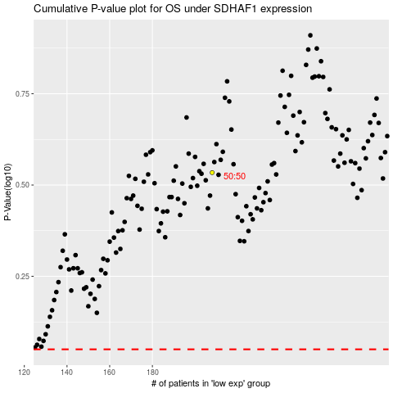

 |  |  |  |  |  | cases_OS | p_OS | rank | exp
 |  |  |  |  |  |  | cases_RFS | p_RFS | rank | exp

