SDHAP1 _multivariate
Reported by Tex Li-Hsing Chi. tex@gate.sinica.edu.tw 2019-08-16

Table 2. The clinicopathological features of HNSCC cohort and SDHAP1 expression. (Chi square test)
Cutoff at -0.191 (49.8%)
 |  | SDHAP1 expression |  | SDHAP1 expression |  | (Optimised)
 | Features | Low | (%) | High | (%) | Case no | P-value | Remark | Matthews
Gender | Female | 141 | 34 | 165 | 39.8 | 415 | 0.013 | 1 | 0
2 | Male | 66 | 15.9 | 43 | 10.4
Age at diagnosis | <=65y | 136 | 32.8 | 138 | 33.3 | 415 | 0.9719 | 0 | 0
4 | >65y | 71 | 17.1 | 70 | 16.9
Clinical T Status | T1+T2 | 73 | 17.6 | 76 | 18.3 | 415 | 0.8666 | 0 | 0
6 | T3+T4 | 134 | 32.3 | 132 | 31.8
Clinical N Status | N0 | 109 | 26.3 | 107 | 25.8 | 415 | 0.8812 | 0 | 0
8 | N1-3 | 98 | 23.6 | 101 | 24.3
Clinical M Status | M0 | 206 | 49.6 | 206 | 49.6 | 415 | 1 | 0 | 0
10 | M1 | 1 | 0.2 | 2 | 0.5
Clinical Stage | Stage I+II | 55 | 13.3 | 47 | 11.3 | 415 | 0.4087 | 0 | 0
12 | Stage III+IV | 152 | 36.6 | 161 | 38.8
Surgical Margin status | Negative | 167 | 40.2 | 151 | 36.4 | 415 | 0.0632 | 0 | 0
14 | Positive | 40 | 9.6 | 57 | 13.7
Tobacco Exposure | Low | 88 | 21.2 | 73 | 17.6 | 415 | 0.1314 | 0 | 0
16 | High | 119 | 28.7 | 135 | 32.5

Table 3. Univariate/Multivariate Cox's proportional hazards regression analyses on OS time of SDHAP1 gene expression in HNSCC

 |  | Univariate |  |  |  | Multivariate
 | Features | HR | CI95%(L) | CI95%(H) | P-value | HR | CI95%(L) | CI95%(H) | P-value
1 | Female | 1 |  |  |  | 1
Gender | Male | 1.157 | 0.843 | 1.587 | 0.367 | 1.167 | 0.834 | 1.634 | 0.367
11 | <=65y | 1 |  |  |  | 1
Age at diagnosis | >65y | 1.329 | 0.99 | 1.784 | 0.058 | 1.449 | 1.063 | 1.976 | 0.019
12 | T1+T2 | 1 |  |  |  | 1
Clinical T Status | T3+T4 | 1.409 | 1.028 | 1.931 | 0.033 | 2.114 | 1.117 | 4.001 | 0.021
13 | N0 | 1 |  |  |  | 1
Clinical N Status | N1-3 | 1.185 | 0.89 | 1.577 | 0.246 | 1.21 | 0.848 | 1.726 | 0.293
14 | M0 | 1 |  |  |  | 1
Clinical M Status | M1 | 4.097 | 1.009 | 16.644 | 0.049 | 9.48 | 2.068 | 43.459 | 0.004
15 | Stage I+II | 1 |  |  |  | 1
Clinical Stage | Stage III+IV | 1.245 | 0.882 | 1.759 | 0.213 | 0.533 | 0.248 | 1.145 | 0.107
16 | Negative | 1 |  |  |  | 1
Surgical Margin status | Positive | 1.591 | 1.155 | 2.191 | 0.004 | 1.735 | 1.253 | 2.403 | 0.001
17 | Low | 1 |  |  |  | 1
Tobacco Exposure | High | 1.364 | 1.008 | 1.844 | 0.044 | 1.508 | 1.09 | 2.086 | 0.013
18 | Low | 1 |  |  |  | 1
RNAseq(z-score) | High | 0.808 | 0.606 | 1.079 | 0.149 | 0.751 | 0.557 | 1.012 | 0.059

Table 4. Univariate/Multivariate Cox's proportional hazards regression analyses on RFS time of SDHAP1 gene expression in HNSCC

 |  | Univariate |  |  |  | Multivariate
 | Features | HR | CI95%(L) | CI95%(H) | P-value | HR | CI95%(L) | CI95%(H) | P-value
1 | Female | 1 |  |  |  | 1
Gender | Male | 1.157 | 0.843 | 1.587 | 0.367 | 1.167 | 0.834 | 1.634 | 0.367
11 | <=65y | 1 |  |  |  | 1
Age at diagnosis | >65y | 1.329 | 0.99 | 1.784 | 0.058 | 1.449 | 1.063 | 1.976 | 0.019
12 | T1+T2 | 1 |  |  |  | 1
Clinical T Status | T3+T4 | 1.409 | 1.028 | 1.931 | 0.033 | 2.114 | 1.117 | 4.001 | 0.021
13 | N0 | 1 |  |  |  | 1
Clinical N Status | N1-3 | 1.185 | 0.89 | 1.577 | 0.246 | 1.21 | 0.848 | 1.726 | 0.293
14 | M0 | 1 |  |  |  | 1
Clinical M Status | M1 | 4.097 | 1.009 | 16.644 | 0.049 | 9.48 | 2.068 | 43.459 | 0.004
15 | Stage I+II | 1 |  |  |  | 1
Clinical Stage | Stage III+IV | 1.245 | 0.882 | 1.759 | 0.213 | 0.533 | 0.248 | 1.145 | 0.107
16 | Negative | 1 |  |  |  | 1
Surgical Margin status | Positive | 1.591 | 1.155 | 2.191 | 0.004 | 1.735 | 1.253 | 2.403 | 0.001
17 | Low | 1 |  |  |  | 1
Tobacco Exposure | High | 1.364 | 1.008 | 1.844 | 0.044 | 1.508 | 1.09 | 2.086 | 0.013
18 | Low | 1 |  |  |  | 1
RNAseq(z-score) | High | 0.808 | 0.606 | 1.079 | 0.149 | 0.751 | 0.557 | 1.012 | 0.059

Kaplan-Meier survival estimate: Cutoff at -0.191 (49.8%)



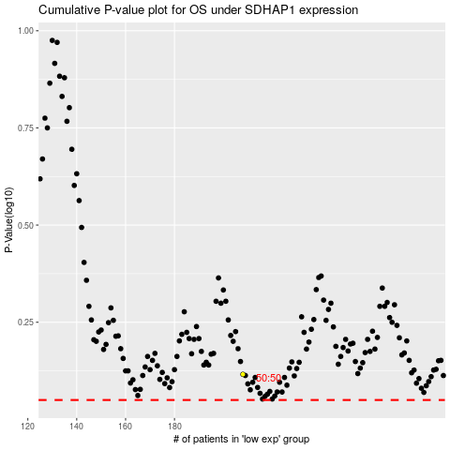

 |  |  |  |  |  | cases_OS | p_OS | rank | exp
 |  |  |  |  |  |  | cases_RFS | p_RFS | rank | exp

