SDHAP2 _multivariate
Reported by Tex Li-Hsing Chi. tex@gate.sinica.edu.tw 2019-08-16

Table 2. The clinicopathological features of HNSCC cohort and SDHAP2 expression. (Chi square test)
Cutoff at -0.235 (49.8%)
 |  | SDHAP2 expression |  | SDHAP2 expression |  | (Optimised)
 | Features | Low | (%) | High | (%) | Case no | P-value | Remark | Matthews
Gender | Female | 144 | 34.7 | 162 | 39 | 415 | 0.0697 | 0 | 0
2 | Male | 63 | 15.2 | 46 | 11.1
Age at diagnosis | <=65y | 136 | 32.8 | 138 | 33.3 | 415 | 0.9719 | 0 | 0
4 | >65y | 71 | 17.1 | 70 | 16.9
Clinical T Status | T1+T2 | 78 | 18.8 | 71 | 17.1 | 415 | 0.5152 | 0 | 0
6 | T3+T4 | 129 | 31.1 | 137 | 33
Clinical N Status | N0 | 108 | 26 | 108 | 26 | 415 | 1 | 0 | 0
8 | N1-3 | 99 | 23.9 | 100 | 24.1
Clinical M Status | M0 | 206 | 49.6 | 206 | 49.6 | 415 | 1 | 0 | 0
10 | M1 | 1 | 0.2 | 2 | 0.5
Clinical Stage | Stage I+II | 55 | 13.3 | 47 | 11.3 | 415 | 0.4087 | 0 | 0
12 | Stage III+IV | 152 | 36.6 | 161 | 38.8
Surgical Margin status | Negative | 164 | 39.5 | 154 | 37.1 | 415 | 0.2462 | 0 | 0
14 | Positive | 43 | 10.4 | 54 | 13
Tobacco Exposure | Low | 90 | 21.7 | 71 | 17.1 | 415 | 0.0559 | 0 | 0
16 | High | 117 | 28.2 | 137 | 33

Table 3. Univariate/Multivariate Cox's proportional hazards regression analyses on OS time of SDHAP2 gene expression in HNSCC

 |  | Univariate |  |  |  | Multivariate
 | Features | HR | CI95%(L) | CI95%(H) | P-value | HR | CI95%(L) | CI95%(H) | P-value
1 | Female | 1 |  |  |  | 1
Gender | Male | 1.157 | 0.843 | 1.587 | 0.367 | 1.199 | 0.857 | 1.676 | 0.29
11 | <=65y | 1 |  |  |  | 1
Age at diagnosis | >65y | 1.329 | 0.99 | 1.784 | 0.058 | 1.397 | 1.025 | 1.903 | 0.034
12 | T1+T2 | 1 |  |  |  | 1
Clinical T Status | T3+T4 | 1.409 | 1.028 | 1.931 | 0.033 | 2.201 | 1.164 | 4.162 | 0.015
13 | N0 | 1 |  |  |  | 1
Clinical N Status | N1-3 | 1.185 | 0.89 | 1.577 | 0.246 | 1.239 | 0.868 | 1.768 | 0.238
14 | M0 | 1 |  |  |  | 1
Clinical M Status | M1 | 4.097 | 1.009 | 16.644 | 0.049 | 9.43 | 2.057 | 43.235 | 0.004
15 | Stage I+II | 1 |  |  |  | 1
Clinical Stage | Stage III+IV | 1.245 | 0.882 | 1.759 | 0.213 | 0.506 | 0.236 | 1.087 | 0.081
16 | Negative | 1 |  |  |  | 1
Surgical Margin status | Positive | 1.591 | 1.155 | 2.191 | 0.004 | 1.674 | 1.211 | 2.314 | 0.002
17 | Low | 1 |  |  |  | 1
Tobacco Exposure | High | 1.364 | 1.008 | 1.844 | 0.044 | 1.461 | 1.056 | 2.021 | 0.022
18 | Low | 1 |  |  |  | 1
RNAseq(z-score) | High | 1.04 | 0.78 | 1.387 | 0.789 | 0.97 | 0.721 | 1.304 | 0.839

Table 4. Univariate/Multivariate Cox's proportional hazards regression analyses on RFS time of SDHAP2 gene expression in HNSCC

 |  | Univariate |  |  |  | Multivariate
 | Features | HR | CI95%(L) | CI95%(H) | P-value | HR | CI95%(L) | CI95%(H) | P-value
1 | Female | 1 |  |  |  | 1
Gender | Male | 1.157 | 0.843 | 1.587 | 0.367 | 1.199 | 0.857 | 1.676 | 0.29
11 | <=65y | 1 |  |  |  | 1
Age at diagnosis | >65y | 1.329 | 0.99 | 1.784 | 0.058 | 1.397 | 1.025 | 1.903 | 0.034
12 | T1+T2 | 1 |  |  |  | 1
Clinical T Status | T3+T4 | 1.409 | 1.028 | 1.931 | 0.033 | 2.201 | 1.164 | 4.162 | 0.015
13 | N0 | 1 |  |  |  | 1
Clinical N Status | N1-3 | 1.185 | 0.89 | 1.577 | 0.246 | 1.239 | 0.868 | 1.768 | 0.238
14 | M0 | 1 |  |  |  | 1
Clinical M Status | M1 | 4.097 | 1.009 | 16.644 | 0.049 | 9.43 | 2.057 | 43.235 | 0.004
15 | Stage I+II | 1 |  |  |  | 1
Clinical Stage | Stage III+IV | 1.245 | 0.882 | 1.759 | 0.213 | 0.506 | 0.236 | 1.087 | 0.081
16 | Negative | 1 |  |  |  | 1
Surgical Margin status | Positive | 1.591 | 1.155 | 2.191 | 0.004 | 1.674 | 1.211 | 2.314 | 0.002
17 | Low | 1 |  |  |  | 1
Tobacco Exposure | High | 1.364 | 1.008 | 1.844 | 0.044 | 1.461 | 1.056 | 2.021 | 0.022
18 | Low | 1 |  |  |  | 1
RNAseq(z-score) | High | 1.04 | 0.78 | 1.387 | 0.789 | 0.97 | 0.721 | 1.304 | 0.839

Kaplan-Meier survival estimate: Cutoff at -0.235 (49.8%)



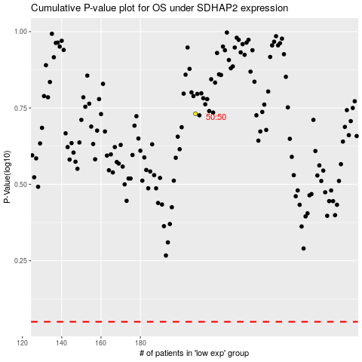

 |  |  |  |  |  | cases_OS | p_OS | rank | exp
 |  |  |  |  |  |  | cases_RFS | p_RFS | rank | exp

