SDHAP3 _multivariate
Reported by Tex Li-Hsing Chi. tex@gate.sinica.edu.tw 2019-08-16

Table 2. The clinicopathological features of HNSCC cohort and SDHAP3 expression. (Chi square test)
Cutoff at -0.303 (49.8%)
 |  | SDHAP3 expression |  | SDHAP3 expression |  | (Optimised)
 | Features | Low | (%) | High | (%) | Case no | P-value | Remark | Matthews
Gender | Female | 146 | 35.2 | 160 | 38.6 | 415 | 0.1714 | 0 | 0
2 | Male | 61 | 14.7 | 48 | 11.6
Age at diagnosis | <=65y | 132 | 31.8 | 142 | 34.2 | 415 | 0.3874 | 0 | 0
4 | >65y | 75 | 18.1 | 66 | 15.9
Clinical T Status | T1+T2 | 78 | 18.8 | 71 | 17.1 | 415 | 0.5152 | 0 | 0
6 | T3+T4 | 129 | 31.1 | 137 | 33
Clinical N Status | N0 | 114 | 27.5 | 102 | 24.6 | 415 | 0.2576 | 1 | 0
8 | N1-3 | 93 | 22.4 | 106 | 25.5
Clinical M Status | M0 | 205 | 49.4 | 207 | 49.9 | 415 | 0.6232 | 0 | 0
10 | M1 | 2 | 0.5 | 1 | 0.2
Clinical Stage | Stage I+II | 58 | 14 | 44 | 10.6 | 415 | 0.131 | 0 | 0
12 | Stage III+IV | 149 | 35.9 | 164 | 39.5
Surgical Margin status | Negative | 158 | 38.1 | 160 | 38.6 | 415 | 0.9081 | 0 | 0
14 | Positive | 49 | 11.8 | 48 | 11.6
Tobacco Exposure | Low | 86 | 20.7 | 75 | 18.1 | 415 | 0.2687 | 0 | 0
16 | High | 121 | 29.2 | 133 | 32

Table 3. Univariate/Multivariate Cox's proportional hazards regression analyses on OS time of SDHAP3 gene expression in HNSCC

 |  | Univariate |  |  |  | Multivariate
 | Features | HR | CI95%(L) | CI95%(H) | P-value | HR | CI95%(L) | CI95%(H) | P-value
1 | Female | 1 |  |  |  | 1
Gender | Male | 1.157 | 0.843 | 1.587 | 0.367 | 1.198 | 0.858 | 1.674 | 0.289
11 | <=65y | 1 |  |  |  | 1
Age at diagnosis | >65y | 1.329 | 0.99 | 1.784 | 0.058 | 1.393 | 1.024 | 1.893 | 0.035
12 | T1+T2 | 1 |  |  |  | 1
Clinical T Status | T3+T4 | 1.409 | 1.028 | 1.931 | 0.033 | 2.204 | 1.165 | 4.168 | 0.015
13 | N0 | 1 |  |  |  | 1
Clinical N Status | N1-3 | 1.185 | 0.89 | 1.577 | 0.246 | 1.246 | 0.873 | 1.779 | 0.226
14 | M0 | 1 |  |  |  | 1
Clinical M Status | M1 | 4.097 | 1.009 | 16.644 | 0.049 | 9.328 | 2.034 | 42.777 | 0.004
15 | Stage I+II | 1 |  |  |  | 1
Clinical Stage | Stage III+IV | 1.245 | 0.882 | 1.759 | 0.213 | 0.505 | 0.235 | 1.085 | 0.08
16 | Negative | 1 |  |  |  | 1
Surgical Margin status | Positive | 1.591 | 1.155 | 2.191 | 0.004 | 1.678 | 1.214 | 2.319 | 0.002
17 | Low | 1 |  |  |  | 1
Tobacco Exposure | High | 1.364 | 1.008 | 1.844 | 0.044 | 1.453 | 1.055 | 2.003 | 0.022
18 | Low | 1 |  |  |  | 1
RNAseq(z-score) | High | 0.96 | 0.721 | 1.28 | 0.783 | 0.936 | 0.701 | 1.25 | 0.656

Table 4. Univariate/Multivariate Cox's proportional hazards regression analyses on RFS time of SDHAP3 gene expression in HNSCC

 |  | Univariate |  |  |  | Multivariate
 | Features | HR | CI95%(L) | CI95%(H) | P-value | HR | CI95%(L) | CI95%(H) | P-value
1 | Female | 1 |  |  |  | 1
Gender | Male | 1.157 | 0.843 | 1.587 | 0.367 | 1.198 | 0.858 | 1.674 | 0.289
11 | <=65y | 1 |  |  |  | 1
Age at diagnosis | >65y | 1.329 | 0.99 | 1.784 | 0.058 | 1.393 | 1.024 | 1.893 | 0.035
12 | T1+T2 | 1 |  |  |  | 1
Clinical T Status | T3+T4 | 1.409 | 1.028 | 1.931 | 0.033 | 2.204 | 1.165 | 4.168 | 0.015
13 | N0 | 1 |  |  |  | 1
Clinical N Status | N1-3 | 1.185 | 0.89 | 1.577 | 0.246 | 1.246 | 0.873 | 1.779 | 0.226
14 | M0 | 1 |  |  |  | 1
Clinical M Status | M1 | 4.097 | 1.009 | 16.644 | 0.049 | 9.328 | 2.034 | 42.777 | 0.004
15 | Stage I+II | 1 |  |  |  | 1
Clinical Stage | Stage III+IV | 1.245 | 0.882 | 1.759 | 0.213 | 0.505 | 0.235 | 1.085 | 0.08
16 | Negative | 1 |  |  |  | 1
Surgical Margin status | Positive | 1.591 | 1.155 | 2.191 | 0.004 | 1.678 | 1.214 | 2.319 | 0.002
17 | Low | 1 |  |  |  | 1
Tobacco Exposure | High | 1.364 | 1.008 | 1.844 | 0.044 | 1.453 | 1.055 | 2.003 | 0.022
18 | Low | 1 |  |  |  | 1
RNAseq(z-score) | High | 0.96 | 0.721 | 1.28 | 0.783 | 0.936 | 0.701 | 1.25 | 0.656

Kaplan-Meier survival estimate: Cutoff at -0.303 (49.8%)



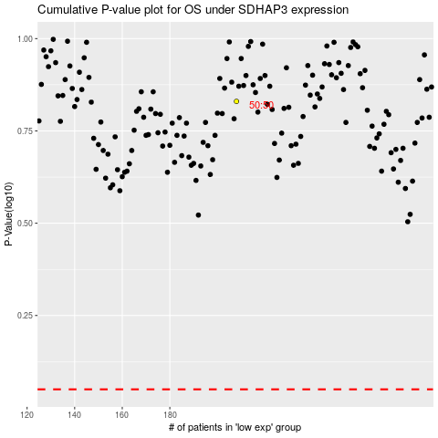

 |  |  |  |  |  | cases_OS | p_OS | rank | exp
 |  |  |  |  |  |  | cases_RFS | p_RFS | rank | exp

