SDK2 _multivariate
Reported by Tex Li-Hsing Chi. tex@gate.sinica.edu.tw 2019-08-16

Table 2. The clinicopathological features of HNSCC cohort and SDK2 expression. (Chi square test)
Cutoff at -0.059 (50.0%)
 |  | SDK2 expression |  | SDK2 expression |  | (Optimised)
 | Features | Low | (%) | High | (%) | Case no | P-value | Remark | Matthews
Gender | Female | 151 | 36.4 | 155 | 37.3 | 415 | 0.8007 | 0 | 0
2 | Male | 56 | 13.5 | 53 | 12.8
Age at diagnosis | <=65y | 133 | 32 | 141 | 34 | 415 | 0.5111 | 0 | 0
4 | >65y | 74 | 17.8 | 67 | 16.1
Clinical T Status | T1+T2 | 67 | 16.1 | 82 | 19.8 | 415 | 0.1628 | 0 | 0
6 | T3+T4 | 140 | 33.7 | 126 | 30.4
Clinical N Status | N0 | 98 | 23.6 | 118 | 28.4 | 415 | 0.0694 | 0 | 0
8 | N1-3 | 109 | 26.3 | 90 | 21.7
Clinical M Status | M0 | 204 | 49.2 | 208 | 50.1 | 415 | 0.1232 | 0 | 0
10 | M1 | 3 | 0.7 | 0 | 0
Clinical Stage | Stage I+II | 39 | 9.4 | 63 | 15.2 | 415 | 0.0095 | 1 | 0
12 | Stage III+IV | 168 | 40.5 | 145 | 34.9
Surgical Margin status | Negative | 155 | 37.3 | 163 | 39.3 | 415 | 0.4187 | 0 | 0
14 | Positive | 52 | 12.5 | 45 | 10.8
Tobacco Exposure | Low | 78 | 18.8 | 83 | 20 | 415 | 0.6873 | 0 | 0
16 | High | 129 | 31.1 | 125 | 30.1

Table 3. Univariate/Multivariate Cox's proportional hazards regression analyses on OS time of SDK2 gene expression in HNSCC

 |  | Univariate |  |  |  | Multivariate
 | Features | HR | CI95%(L) | CI95%(H) | P-value | HR | CI95%(L) | CI95%(H) | P-value
1 | Female | 1 |  |  |  | 1
Gender | Male | 1.157 | 0.843 | 1.587 | 0.367 | 1.183 | 0.845 | 1.656 | 0.328
11 | <=65y | 1 |  |  |  | 1
Age at diagnosis | >65y | 1.329 | 0.99 | 1.784 | 0.058 | 1.383 | 1.018 | 1.88 | 0.038
12 | T1+T2 | 1 |  |  |  | 1
Clinical T Status | T3+T4 | 1.409 | 1.028 | 1.931 | 0.033 | 2.208 | 1.168 | 4.175 | 0.015
13 | N0 | 1 |  |  |  | 1
Clinical N Status | N1-3 | 1.185 | 0.89 | 1.577 | 0.246 | 1.221 | 0.854 | 1.746 | 0.273
14 | M0 | 1 |  |  |  | 1
Clinical M Status | M1 | 4.097 | 1.009 | 16.644 | 0.049 | 8.907 | 1.933 | 41.036 | 0.005
15 | Stage I+II | 1 |  |  |  | 1
Clinical Stage | Stage III+IV | 1.245 | 0.882 | 1.759 | 0.213 | 0.496 | 0.231 | 1.066 | 0.073
16 | Negative | 1 |  |  |  | 1
Surgical Margin status | Positive | 1.591 | 1.155 | 2.191 | 0.004 | 1.656 | 1.198 | 2.29 | 0.002
17 | Low | 1 |  |  |  | 1
Tobacco Exposure | High | 1.364 | 1.008 | 1.844 | 0.044 | 1.449 | 1.052 | 1.995 | 0.023
18 | Low | 1 |  |  |  | 1
RNAseq(z-score) | High | 0.798 | 0.599 | 1.064 | 0.124 | 0.882 | 0.654 | 1.188 | 0.407

Table 4. Univariate/Multivariate Cox's proportional hazards regression analyses on RFS time of SDK2 gene expression in HNSCC

 |  | Univariate |  |  |  | Multivariate
 | Features | HR | CI95%(L) | CI95%(H) | P-value | HR | CI95%(L) | CI95%(H) | P-value
1 | Female | 1 |  |  |  | 1
Gender | Male | 1.157 | 0.843 | 1.587 | 0.367 | 1.183 | 0.845 | 1.656 | 0.328
11 | <=65y | 1 |  |  |  | 1
Age at diagnosis | >65y | 1.329 | 0.99 | 1.784 | 0.058 | 1.383 | 1.018 | 1.88 | 0.038
12 | T1+T2 | 1 |  |  |  | 1
Clinical T Status | T3+T4 | 1.409 | 1.028 | 1.931 | 0.033 | 2.208 | 1.168 | 4.175 | 0.015
13 | N0 | 1 |  |  |  | 1
Clinical N Status | N1-3 | 1.185 | 0.89 | 1.577 | 0.246 | 1.221 | 0.854 | 1.746 | 0.273
14 | M0 | 1 |  |  |  | 1
Clinical M Status | M1 | 4.097 | 1.009 | 16.644 | 0.049 | 8.907 | 1.933 | 41.036 | 0.005
15 | Stage I+II | 1 |  |  |  | 1
Clinical Stage | Stage III+IV | 1.245 | 0.882 | 1.759 | 0.213 | 0.496 | 0.231 | 1.066 | 0.073
16 | Negative | 1 |  |  |  | 1
Surgical Margin status | Positive | 1.591 | 1.155 | 2.191 | 0.004 | 1.656 | 1.198 | 2.29 | 0.002
17 | Low | 1 |  |  |  | 1
Tobacco Exposure | High | 1.364 | 1.008 | 1.844 | 0.044 | 1.449 | 1.052 | 1.995 | 0.023
18 | Low | 1 |  |  |  | 1
RNAseq(z-score) | High | 0.798 | 0.599 | 1.064 | 0.124 | 0.882 | 0.654 | 1.188 | 0.407

Kaplan-Meier survival estimate: Cutoff at -0.059 (50.0%)



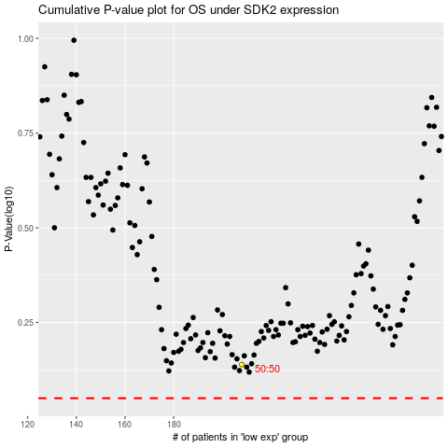

 |  |  |  |  |  | cases_OS | p_OS | rank | exp
 |  |  |  |  |  |  | cases_RFS | p_RFS | rank | exp

