SDR16C5 _multivariate
Reported by Tex Li-Hsing Chi. tex@gate.sinica.edu.tw 2019-08-16

Table 2. The clinicopathological features of HNSCC cohort and SDR16C5 expression. (Chi square test)
Cutoff at -0.634 (31.4%)
 |  | SDR16C5 expression |  | SDR16C5 expression |  | (Optimised)
 | Features | Low | (%) | High | (%) | Case no | P-value | Remark | Matthews
Gender | Female | 94 | 22.7 | 212 | 51.1 | 415 | 0.7444 | 0 | 0
2 | Male | 36 | 8.7 | 73 | 17.6
Age at diagnosis | <=65y | 80 | 19.3 | 194 | 46.7 | 415 | 0.2335 | 0 | 0
4 | >65y | 50 | 12 | 91 | 21.9
Clinical T Status | T1+T2 | 44 | 10.6 | 105 | 25.3 | 415 | 0.6314 | 0 | 0
6 | T3+T4 | 86 | 20.7 | 180 | 43.4
Clinical N Status | N0 | 64 | 15.4 | 152 | 36.6 | 415 | 0.5029 | 0 | 0
8 | N1-3 | 66 | 15.9 | 133 | 32
Clinical M Status | M0 | 129 | 31.1 | 283 | 68.2 | 415 | 1 | 0 | 0
10 | M1 | 1 | 0.2 | 2 | 0.5
Clinical Stage | Stage I+II | 31 | 7.5 | 71 | 17.1 | 415 | 0.9116 | 0 | 0
12 | Stage III+IV | 99 | 23.9 | 214 | 51.6
Surgical Margin status | Negative | 98 | 23.6 | 220 | 53 | 415 | 0.7084 | 0 | 0
14 | Positive | 32 | 7.7 | 65 | 15.7
Tobacco Exposure | Low | 47 | 11.3 | 114 | 27.5 | 415 | 0.5149 | 0 | 0
16 | High | 83 | 20 | 171 | 41.2

Table 3. Univariate/Multivariate Cox's proportional hazards regression analyses on OS time of SDR16C5 gene expression in HNSCC

 |  | Univariate |  |  |  | Multivariate
 | Features | HR | CI95%(L) | CI95%(H) | P-value | HR | CI95%(L) | CI95%(H) | P-value
1 | Female | 1 |  |  |  | 1
Gender | Male | 1.157 | 0.843 | 1.587 | 0.367 | 1.2 | 0.859 | 1.676 | 0.286
11 | <=65y | 1 |  |  |  | 1
Age at diagnosis | >65y | 1.329 | 0.99 | 1.784 | 0.058 | 1.372 | 1.008 | 1.867 | 0.044
12 | T1+T2 | 1 |  |  |  | 1
Clinical T Status | T3+T4 | 1.409 | 1.028 | 1.931 | 0.033 | 2.156 | 1.139 | 4.08 | 0.018
13 | N0 | 1 |  |  |  | 1
Clinical N Status | N1-3 | 1.185 | 0.89 | 1.577 | 0.246 | 1.229 | 0.86 | 1.755 | 0.257
14 | M0 | 1 |  |  |  | 1
Clinical M Status | M1 | 4.097 | 1.009 | 16.644 | 0.049 | 9.543 | 2.082 | 43.749 | 0.004
15 | Stage I+II | 1 |  |  |  | 1
Clinical Stage | Stage III+IV | 1.245 | 0.882 | 1.759 | 0.213 | 0.525 | 0.244 | 1.129 | 0.099
16 | Negative | 1 |  |  |  | 1
Surgical Margin status | Positive | 1.591 | 1.155 | 2.191 | 0.004 | 1.665 | 1.205 | 2.301 | 0.002
17 | Low | 1 |  |  |  | 1
Tobacco Exposure | High | 1.364 | 1.008 | 1.844 | 0.044 | 1.434 | 1.04 | 1.977 | 0.028
18 | Low | 1 |  |  |  | 1
RNAseq(z-score) | High | 0.729 | 0.544 | 0.978 | 0.035 | 0.754 | 0.562 | 1.013 | 0.061

Table 4. Univariate/Multivariate Cox's proportional hazards regression analyses on RFS time of SDR16C5 gene expression in HNSCC

 |  | Univariate |  |  |  | Multivariate
 | Features | HR | CI95%(L) | CI95%(H) | P-value | HR | CI95%(L) | CI95%(H) | P-value
1 | Female | 1 |  |  |  | 1
Gender | Male | 1.157 | 0.843 | 1.587 | 0.367 | 1.2 | 0.859 | 1.676 | 0.286
11 | <=65y | 1 |  |  |  | 1
Age at diagnosis | >65y | 1.329 | 0.99 | 1.784 | 0.058 | 1.372 | 1.008 | 1.867 | 0.044
12 | T1+T2 | 1 |  |  |  | 1
Clinical T Status | T3+T4 | 1.409 | 1.028 | 1.931 | 0.033 | 2.156 | 1.139 | 4.08 | 0.018
13 | N0 | 1 |  |  |  | 1
Clinical N Status | N1-3 | 1.185 | 0.89 | 1.577 | 0.246 | 1.229 | 0.86 | 1.755 | 0.257
14 | M0 | 1 |  |  |  | 1
Clinical M Status | M1 | 4.097 | 1.009 | 16.644 | 0.049 | 9.543 | 2.082 | 43.749 | 0.004
15 | Stage I+II | 1 |  |  |  | 1
Clinical Stage | Stage III+IV | 1.245 | 0.882 | 1.759 | 0.213 | 0.525 | 0.244 | 1.129 | 0.099
16 | Negative | 1 |  |  |  | 1
Surgical Margin status | Positive | 1.591 | 1.155 | 2.191 | 0.004 | 1.665 | 1.205 | 2.301 | 0.002
17 | Low | 1 |  |  |  | 1
Tobacco Exposure | High | 1.364 | 1.008 | 1.844 | 0.044 | 1.434 | 1.04 | 1.977 | 0.028
18 | Low | 1 |  |  |  | 1
RNAseq(z-score) | High | 0.729 | 0.544 | 0.978 | 0.035 | 0.754 | 0.562 | 1.013 | 0.061

Kaplan-Meier survival estimate: Cutoff at -0.634 (31.4%)



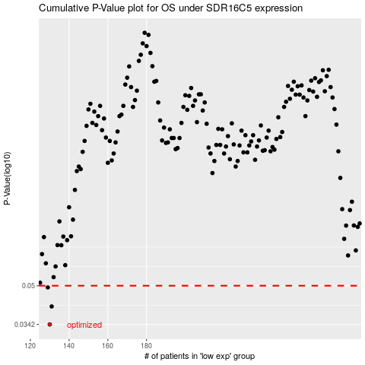

 |  |  |  |  |  | cases_OS | p_OS | rank | exp
 |  |  |  |  |  | 130 | 0.0342 | 303 | -0.6340214629
 |  |  |  |  |  | 131 | 0.0408 | 45 | -0.63201664658
 |  |  |  |  |  | 129 | 0.0492 | 155 | -0.64804796593
 |  |  |  |  |  |  | cases_RFS | p_RFS | rank | exp
 |  |  |  |  |  |  | 129 | 0.0342 | 155 | -0.64804796593
 |  |  |  |  |  |  | 130 | 0.0408 | 303 | -0.6340214629
 |  |  |  |  |  |  | 128 | 0.0492 | 185 | -0.65080546637

