SDR42E1 _multivariate
Reported by Tex Li-Hsing Chi. tex@gate.sinica.edu.tw 2019-08-16

Table 2. The clinicopathological features of HNSCC cohort and SDR42E1 expression. (Chi square test)
Cutoff at 0.003 (50.0%)
 |  | SDR42E1 expression |  | SDR42E1 expression |  | (Optimised)
 | Features | Low | (%) | High | (%) | Case no | P-value | Remark | Matthews
Gender | Female | 146 | 35.2 | 160 | 38.6 | 415 | 0.1714 | 0 | 0
2 | Male | 61 | 14.7 | 48 | 11.6
Age at diagnosis | <=65y | 132 | 31.8 | 142 | 34.2 | 415 | 0.3874 | 0 | 0
4 | >65y | 75 | 18.1 | 66 | 15.9
Clinical T Status | T1+T2 | 79 | 19 | 70 | 16.9 | 415 | 0.3924 | 0 | 0
6 | T3+T4 | 128 | 30.8 | 138 | 33.3
Clinical N Status | N0 | 103 | 24.8 | 113 | 27.2 | 415 | 0.4047 | 0 | 0
8 | N1-3 | 104 | 25.1 | 95 | 22.9
Clinical M Status | M0 | 206 | 49.6 | 206 | 49.6 | 415 | 1 | 0 | 0
10 | M1 | 1 | 0.2 | 2 | 0.5
Clinical Stage | Stage I+II | 49 | 11.8 | 53 | 12.8 | 415 | 0.7535 | 0 | 0
12 | Stage III+IV | 158 | 38.1 | 155 | 37.3
Surgical Margin status | Negative | 154 | 37.1 | 164 | 39.5 | 415 | 0.2984 | 0 | 0
14 | Positive | 53 | 12.8 | 44 | 10.6
Tobacco Exposure | Low | 90 | 21.7 | 71 | 17.1 | 415 | 0.0559 | 0 | 0
16 | High | 117 | 28.2 | 137 | 33

Table 3. Univariate/Multivariate Cox's proportional hazards regression analyses on OS time of SDR42E1 gene expression in HNSCC

 |  | Univariate |  |  |  | Multivariate
 | Features | HR | CI95%(L) | CI95%(H) | P-value | HR | CI95%(L) | CI95%(H) | P-value
1 | Female | 1 |  |  |  | 1
Gender | Male | 1.157 | 0.843 | 1.587 | 0.367 | 1.2 | 0.859 | 1.677 | 0.285
11 | <=65y | 1 |  |  |  | 1
Age at diagnosis | >65y | 1.329 | 0.99 | 1.784 | 0.058 | 1.38 | 1.014 | 1.879 | 0.04
12 | T1+T2 | 1 |  |  |  | 1
Clinical T Status | T3+T4 | 1.409 | 1.028 | 1.931 | 0.033 | 2.25 | 1.186 | 4.268 | 0.013
13 | N0 | 1 |  |  |  | 1
Clinical N Status | N1-3 | 1.185 | 0.89 | 1.577 | 0.246 | 1.246 | 0.873 | 1.779 | 0.225
14 | M0 | 1 |  |  |  | 1
Clinical M Status | M1 | 4.097 | 1.009 | 16.644 | 0.049 | 9.875 | 2.14 | 45.574 | 0.003
15 | Stage I+II | 1 |  |  |  | 1
Clinical Stage | Stage III+IV | 1.245 | 0.882 | 1.759 | 0.213 | 0.49 | 0.227 | 1.057 | 0.069
16 | Negative | 1 |  |  |  | 1
Surgical Margin status | Positive | 1.591 | 1.155 | 2.191 | 0.004 | 1.668 | 1.207 | 2.305 | 0.002
17 | Low | 1 |  |  |  | 1
Tobacco Exposure | High | 1.364 | 1.008 | 1.844 | 0.044 | 1.468 | 1.064 | 2.027 | 0.019
18 | Low | 1 |  |  |  | 1
RNAseq(z-score) | High | 0.942 | 0.707 | 1.254 | 0.68 | 0.905 | 0.676 | 1.211 | 0.5

Table 4. Univariate/Multivariate Cox's proportional hazards regression analyses on RFS time of SDR42E1 gene expression in HNSCC

 |  | Univariate |  |  |  | Multivariate
 | Features | HR | CI95%(L) | CI95%(H) | P-value | HR | CI95%(L) | CI95%(H) | P-value
1 | Female | 1 |  |  |  | 1
Gender | Male | 1.157 | 0.843 | 1.587 | 0.367 | 1.2 | 0.859 | 1.677 | 0.285
11 | <=65y | 1 |  |  |  | 1
Age at diagnosis | >65y | 1.329 | 0.99 | 1.784 | 0.058 | 1.38 | 1.014 | 1.879 | 0.04
12 | T1+T2 | 1 |  |  |  | 1
Clinical T Status | T3+T4 | 1.409 | 1.028 | 1.931 | 0.033 | 2.25 | 1.186 | 4.268 | 0.013
13 | N0 | 1 |  |  |  | 1
Clinical N Status | N1-3 | 1.185 | 0.89 | 1.577 | 0.246 | 1.246 | 0.873 | 1.779 | 0.225
14 | M0 | 1 |  |  |  | 1
Clinical M Status | M1 | 4.097 | 1.009 | 16.644 | 0.049 | 9.875 | 2.14 | 45.574 | 0.003
15 | Stage I+II | 1 |  |  |  | 1
Clinical Stage | Stage III+IV | 1.245 | 0.882 | 1.759 | 0.213 | 0.49 | 0.227 | 1.057 | 0.069
16 | Negative | 1 |  |  |  | 1
Surgical Margin status | Positive | 1.591 | 1.155 | 2.191 | 0.004 | 1.668 | 1.207 | 2.305 | 0.002
17 | Low | 1 |  |  |  | 1
Tobacco Exposure | High | 1.364 | 1.008 | 1.844 | 0.044 | 1.468 | 1.064 | 2.027 | 0.019
18 | Low | 1 |  |  |  | 1
RNAseq(z-score) | High | 0.942 | 0.707 | 1.254 | 0.68 | 0.905 | 0.676 | 1.211 | 0.5

Kaplan-Meier survival estimate: Cutoff at 0.003 (50.0%)



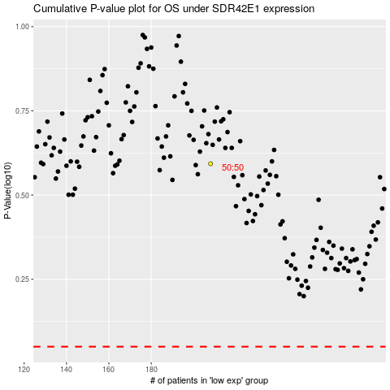

 |  |  |  |  |  | cases_OS | p_OS | rank | exp
 |  |  |  |  |  |  | cases_RFS | p_RFS | rank | exp

