SDS _multivariate
Reported by Tex Li-Hsing Chi. tex@gate.sinica.edu.tw 2019-08-16

Table 2. The clinicopathological features of HNSCC cohort and SDS expression. (Chi square test)
Cutoff at -0.268 (49.8%)
 |  | SDS expression |  | SDS expression |  | (Optimised)
 | Features | Low | (%) | High | (%) | Case no | P-value | Remark | Matthews
Gender | Female | 154 | 37.1 | 152 | 36.6 | 415 | 0.8463 | 0 | 0
2 | Male | 53 | 12.8 | 56 | 13.5
Age at diagnosis | <=65y | 146 | 35.2 | 128 | 30.8 | 415 | 0.0672 | 0 | 0
4 | >65y | 61 | 14.7 | 80 | 19.3
Clinical T Status | T1+T2 | 82 | 19.8 | 67 | 16.1 | 415 | 0.1417 | 0 | 0
6 | T3+T4 | 125 | 30.1 | 141 | 34
Clinical N Status | N0 | 123 | 29.6 | 93 | 22.4 | 415 | 0.0037 | 1 | 0
8 | N1-3 | 84 | 20.2 | 115 | 27.7
Clinical M Status | M0 | 206 | 49.6 | 206 | 49.6 | 415 | 1 | 0 | 0
10 | M1 | 1 | 0.2 | 2 | 0.5
Clinical Stage | Stage I+II | 61 | 14.7 | 41 | 9.9 | 415 | 0.0282 | 1 | 0
12 | Stage III+IV | 146 | 35.2 | 167 | 40.2
Surgical Margin status | Negative | 153 | 36.9 | 165 | 39.8 | 415 | 0.2036 | 0 | 0
14 | Positive | 54 | 13 | 43 | 10.4
Tobacco Exposure | Low | 82 | 19.8 | 79 | 19 | 415 | 0.763 | 0 | 0
16 | High | 125 | 30.1 | 129 | 31.1

Table 3. Univariate/Multivariate Cox's proportional hazards regression analyses on OS time of SDS gene expression in HNSCC

 |  | Univariate |  |  |  | Multivariate
 | Features | HR | CI95%(L) | CI95%(H) | P-value | HR | CI95%(L) | CI95%(H) | P-value
1 | Female | 1 |  |  |  | 1
Gender | Male | 1.157 | 0.843 | 1.587 | 0.367 | 1.214 | 0.869 | 1.696 | 0.256
11 | <=65y | 1 |  |  |  | 1
Age at diagnosis | >65y | 1.329 | 0.99 | 1.784 | 0.058 | 1.369 | 1.005 | 1.864 | 0.047
12 | T1+T2 | 1 |  |  |  | 1
Clinical T Status | T3+T4 | 1.409 | 1.028 | 1.931 | 0.033 | 2.109 | 1.112 | 4.002 | 0.022
13 | N0 | 1 |  |  |  | 1
Clinical N Status | N1-3 | 1.185 | 0.89 | 1.577 | 0.246 | 1.182 | 0.821 | 1.702 | 0.37
14 | M0 | 1 |  |  |  | 1
Clinical M Status | M1 | 4.097 | 1.009 | 16.644 | 0.049 | 9.123 | 1.989 | 41.838 | 0.004
15 | Stage I+II | 1 |  |  |  | 1
Clinical Stage | Stage III+IV | 1.245 | 0.882 | 1.759 | 0.213 | 0.52 | 0.242 | 1.117 | 0.094
16 | Negative | 1 |  |  |  | 1
Surgical Margin status | Positive | 1.591 | 1.155 | 2.191 | 0.004 | 1.694 | 1.225 | 2.342 | 0.001
17 | Low | 1 |  |  |  | 1
Tobacco Exposure | High | 1.364 | 1.008 | 1.844 | 0.044 | 1.464 | 1.062 | 2.017 | 0.02
18 | Low | 1 |  |  |  | 1
RNAseq(z-score) | High | 1.269 | 0.95 | 1.695 | 0.107 | 1.202 | 0.887 | 1.629 | 0.236

Table 4. Univariate/Multivariate Cox's proportional hazards regression analyses on RFS time of SDS gene expression in HNSCC

 |  | Univariate |  |  |  | Multivariate
 | Features | HR | CI95%(L) | CI95%(H) | P-value | HR | CI95%(L) | CI95%(H) | P-value
1 | Female | 1 |  |  |  | 1
Gender | Male | 1.157 | 0.843 | 1.587 | 0.367 | 1.214 | 0.869 | 1.696 | 0.256
11 | <=65y | 1 |  |  |  | 1
Age at diagnosis | >65y | 1.329 | 0.99 | 1.784 | 0.058 | 1.369 | 1.005 | 1.864 | 0.047
12 | T1+T2 | 1 |  |  |  | 1
Clinical T Status | T3+T4 | 1.409 | 1.028 | 1.931 | 0.033 | 2.109 | 1.112 | 4.002 | 0.022
13 | N0 | 1 |  |  |  | 1
Clinical N Status | N1-3 | 1.185 | 0.89 | 1.577 | 0.246 | 1.182 | 0.821 | 1.702 | 0.37
14 | M0 | 1 |  |  |  | 1
Clinical M Status | M1 | 4.097 | 1.009 | 16.644 | 0.049 | 9.123 | 1.989 | 41.838 | 0.004
15 | Stage I+II | 1 |  |  |  | 1
Clinical Stage | Stage III+IV | 1.245 | 0.882 | 1.759 | 0.213 | 0.52 | 0.242 | 1.117 | 0.094
16 | Negative | 1 |  |  |  | 1
Surgical Margin status | Positive | 1.591 | 1.155 | 2.191 | 0.004 | 1.694 | 1.225 | 2.342 | 0.001
17 | Low | 1 |  |  |  | 1
Tobacco Exposure | High | 1.364 | 1.008 | 1.844 | 0.044 | 1.464 | 1.062 | 2.017 | 0.02
18 | Low | 1 |  |  |  | 1
RNAseq(z-score) | High | 1.269 | 0.95 | 1.695 | 0.107 | 1.202 | 0.887 | 1.629 | 0.236

Kaplan-Meier survival estimate: Cutoff at -0.268 (49.8%)



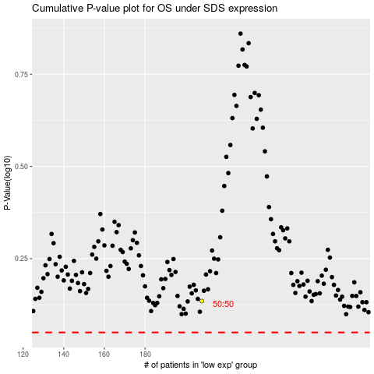

 |  |  |  |  |  | cases_OS | p_OS | rank | exp
 |  |  |  |  |  |  | cases_RFS | p_RFS | rank | exp

