SEC14L1 _multivariate
Reported by Tex Li-Hsing Chi. tex@gate.sinica.edu.tw 2019-08-16

Table 2. The clinicopathological features of HNSCC cohort and SEC14L1 expression. (Chi square test)
Cutoff at -0.078 (50.0%)
 |  | SEC14L1 expression |  | SEC14L1 expression |  | (Optimised)
 | Features | Low | (%) | High | (%) | Case no | P-value | Remark | Matthews
Gender | Female | 151 | 36.4 | 155 | 37.3 | 415 | 0.8007 | 0 | 0
2 | Male | 56 | 13.5 | 53 | 12.8
Age at diagnosis | <=65y | 140 | 33.7 | 134 | 32.3 | 415 | 0.5574 | 0 | 0
4 | >65y | 67 | 16.1 | 74 | 17.8
Clinical T Status | T1+T2 | 87 | 21 | 62 | 14.9 | 415 | 0.0127 | 1 | 0
6 | T3+T4 | 120 | 28.9 | 146 | 35.2
Clinical N Status | N0 | 112 | 27 | 104 | 25.1 | 415 | 0.4599 | 0 | 0
8 | N1-3 | 95 | 22.9 | 104 | 25.1
Clinical M Status | M0 | 204 | 49.2 | 208 | 50.1 | 415 | 0.1232 | 0 | 0
10 | M1 | 3 | 0.7 | 0 | 0
Clinical Stage | Stage I+II | 61 | 14.7 | 41 | 9.9 | 415 | 0.0282 | 1 | 0
12 | Stage III+IV | 146 | 35.2 | 167 | 40.2
Surgical Margin status | Negative | 154 | 37.1 | 164 | 39.5 | 415 | 0.2984 | 0 | 0
14 | Positive | 53 | 12.8 | 44 | 10.6
Tobacco Exposure | Low | 90 | 21.7 | 71 | 17.1 | 415 | 0.0559 | 0 | 0
16 | High | 117 | 28.2 | 137 | 33

Table 3. Univariate/Multivariate Cox's proportional hazards regression analyses on OS time of SEC14L1 gene expression in HNSCC

 |  | Univariate |  |  |  | Multivariate
 | Features | HR | CI95%(L) | CI95%(H) | P-value | HR | CI95%(L) | CI95%(H) | P-value
1 | Female | 1 |  |  |  | 1
Gender | Male | 1.157 | 0.843 | 1.587 | 0.367 | 1.23 | 0.88 | 1.72 | 0.226
11 | <=65y | 1 |  |  |  | 1
Age at diagnosis | >65y | 1.329 | 0.99 | 1.784 | 0.058 | 1.384 | 1.018 | 1.882 | 0.038
12 | T1+T2 | 1 |  |  |  | 1
Clinical T Status | T3+T4 | 1.409 | 1.028 | 1.931 | 0.033 | 2.196 | 1.162 | 4.151 | 0.015
13 | N0 | 1 |  |  |  | 1
Clinical N Status | N1-3 | 1.185 | 0.89 | 1.577 | 0.246 | 1.251 | 0.877 | 1.786 | 0.217
14 | M0 | 1 |  |  |  | 1
Clinical M Status | M1 | 4.097 | 1.009 | 16.644 | 0.049 | 10.707 | 2.312 | 49.582 | 0.002
15 | Stage I+II | 1 |  |  |  | 1
Clinical Stage | Stage III+IV | 1.245 | 0.882 | 1.759 | 0.213 | 0.489 | 0.228 | 1.051 | 0.067
16 | Negative | 1 |  |  |  | 1
Surgical Margin status | Positive | 1.591 | 1.155 | 2.191 | 0.004 | 1.729 | 1.247 | 2.398 | 0.001
17 | Low | 1 |  |  |  | 1
Tobacco Exposure | High | 1.364 | 1.008 | 1.844 | 0.044 | 1.452 | 1.054 | 2 | 0.023
18 | Low | 1 |  |  |  | 1
RNAseq(z-score) | High | 1.175 | 0.882 | 1.565 | 0.272 | 1.255 | 0.934 | 1.688 | 0.132

Table 4. Univariate/Multivariate Cox's proportional hazards regression analyses on RFS time of SEC14L1 gene expression in HNSCC

 |  | Univariate |  |  |  | Multivariate
 | Features | HR | CI95%(L) | CI95%(H) | P-value | HR | CI95%(L) | CI95%(H) | P-value
1 | Female | 1 |  |  |  | 1
Gender | Male | 1.157 | 0.843 | 1.587 | 0.367 | 1.23 | 0.88 | 1.72 | 0.226
11 | <=65y | 1 |  |  |  | 1
Age at diagnosis | >65y | 1.329 | 0.99 | 1.784 | 0.058 | 1.384 | 1.018 | 1.882 | 0.038
12 | T1+T2 | 1 |  |  |  | 1
Clinical T Status | T3+T4 | 1.409 | 1.028 | 1.931 | 0.033 | 2.196 | 1.162 | 4.151 | 0.015
13 | N0 | 1 |  |  |  | 1
Clinical N Status | N1-3 | 1.185 | 0.89 | 1.577 | 0.246 | 1.251 | 0.877 | 1.786 | 0.217
14 | M0 | 1 |  |  |  | 1
Clinical M Status | M1 | 4.097 | 1.009 | 16.644 | 0.049 | 10.707 | 2.312 | 49.582 | 0.002
15 | Stage I+II | 1 |  |  |  | 1
Clinical Stage | Stage III+IV | 1.245 | 0.882 | 1.759 | 0.213 | 0.489 | 0.228 | 1.051 | 0.067
16 | Negative | 1 |  |  |  | 1
Surgical Margin status | Positive | 1.591 | 1.155 | 2.191 | 0.004 | 1.729 | 1.247 | 2.398 | 0.001
17 | Low | 1 |  |  |  | 1
Tobacco Exposure | High | 1.364 | 1.008 | 1.844 | 0.044 | 1.452 | 1.054 | 2 | 0.023
18 | Low | 1 |  |  |  | 1
RNAseq(z-score) | High | 1.175 | 0.882 | 1.565 | 0.272 | 1.255 | 0.934 | 1.688 | 0.132

Kaplan-Meier survival estimate: Cutoff at -0.078 (50.0%)



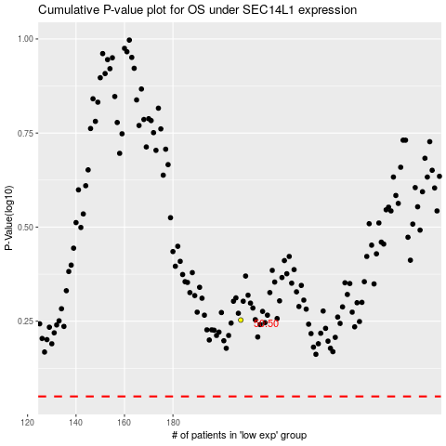

 |  |  |  |  |  | cases_OS | p_OS | rank | exp
 |  |  |  |  |  |  | cases_RFS | p_RFS | rank | exp

