SEC14L4 _multivariate
Reported by Tex Li-Hsing Chi. tex@gate.sinica.edu.tw 2019-08-16

Table 2. The clinicopathological features of HNSCC cohort and SEC14L4 expression. (Chi square test)
Cutoff at -0.202 (66.7%)
 |  | SEC14L4 expression |  | SEC14L4 expression |  | (Optimised)
 | Features | Low | (%) | High | (%) | Case no | P-value | Remark | Matthews
Gender | Female | 197 | 47.5 | 109 | 26.3 | 415 | 0.1102 | 0 | 0
2 | Male | 80 | 19.3 | 29 | 7
Age at diagnosis | <=65y | 187 | 45.1 | 87 | 21 | 415 | 0.4267 | 0 | 0
4 | >65y | 90 | 21.7 | 51 | 12.3
Clinical T Status | T1+T2 | 110 | 26.5 | 39 | 9.4 | 415 | 0.0291 | 1 | 0
6 | T3+T4 | 167 | 40.2 | 99 | 23.9
Clinical N Status | N0 | 144 | 34.7 | 72 | 17.3 | 415 | 1 | 0 | 0
8 | N1-3 | 133 | 32 | 66 | 15.9
Clinical M Status | M0 | 276 | 66.5 | 136 | 32.8 | 415 | 0.2576 | 0 | 0
10 | M1 | 1 | 0.2 | 2 | 0.5
Clinical Stage | Stage I+II | 75 | 18.1 | 27 | 6.5 | 415 | 0.1204 | 0 | 0
12 | Stage III+IV | 202 | 48.7 | 111 | 26.7
Surgical Margin status | Negative | 219 | 52.8 | 99 | 23.9 | 415 | 0.1097 | 0 | 0
14 | Positive | 58 | 14 | 39 | 9.4
Tobacco Exposure | Low | 121 | 29.2 | 40 | 9.6 | 415 | 0.0039 | 1 | 0
16 | High | 156 | 37.6 | 98 | 23.6

Table 3. Univariate/Multivariate Cox's proportional hazards regression analyses on OS time of SEC14L4 gene expression in HNSCC

 |  | Univariate |  |  |  | Multivariate
 | Features | HR | CI95%(L) | CI95%(H) | P-value | HR | CI95%(L) | CI95%(H) | P-value
1 | Female | 1 |  |  |  | 1
Gender | Male | 1.157 | 0.843 | 1.587 | 0.367 | 1.236 | 0.881 | 1.733 | 0.22
11 | <=65y | 1 |  |  |  | 1
Age at diagnosis | >65y | 1.329 | 0.99 | 1.784 | 0.058 | 1.366 | 1.002 | 1.861 | 0.048
12 | T1+T2 | 1 |  |  |  | 1
Clinical T Status | T3+T4 | 1.409 | 1.028 | 1.931 | 0.033 | 2.148 | 1.134 | 4.067 | 0.019
13 | N0 | 1 |  |  |  | 1
Clinical N Status | N1-3 | 1.185 | 0.89 | 1.577 | 0.246 | 1.244 | 0.871 | 1.776 | 0.23
14 | M0 | 1 |  |  |  | 1
Clinical M Status | M1 | 4.097 | 1.009 | 16.644 | 0.049 | 8.783 | 1.907 | 40.444 | 0.005
15 | Stage I+II | 1 |  |  |  | 1
Clinical Stage | Stage III+IV | 1.245 | 0.882 | 1.759 | 0.213 | 0.51 | 0.238 | 1.096 | 0.084
16 | Negative | 1 |  |  |  | 1
Surgical Margin status | Positive | 1.591 | 1.155 | 2.191 | 0.004 | 1.642 | 1.187 | 2.272 | 0.003
17 | Low | 1 |  |  |  | 1
Tobacco Exposure | High | 1.364 | 1.008 | 1.844 | 0.044 | 1.423 | 1.031 | 1.965 | 0.032
18 | Low | 1 |  |  |  | 1
RNAseq(z-score) | High | 1.353 | 1.007 | 1.819 | 0.045 | 1.196 | 0.881 | 1.625 | 0.251

Table 4. Univariate/Multivariate Cox's proportional hazards regression analyses on RFS time of SEC14L4 gene expression in HNSCC

 |  | Univariate |  |  |  | Multivariate
 | Features | HR | CI95%(L) | CI95%(H) | P-value | HR | CI95%(L) | CI95%(H) | P-value
1 | Female | 1 |  |  |  | 1
Gender | Male | 1.157 | 0.843 | 1.587 | 0.367 | 1.236 | 0.881 | 1.733 | 0.22
11 | <=65y | 1 |  |  |  | 1
Age at diagnosis | >65y | 1.329 | 0.99 | 1.784 | 0.058 | 1.366 | 1.002 | 1.861 | 0.048
12 | T1+T2 | 1 |  |  |  | 1
Clinical T Status | T3+T4 | 1.409 | 1.028 | 1.931 | 0.033 | 2.148 | 1.134 | 4.067 | 0.019
13 | N0 | 1 |  |  |  | 1
Clinical N Status | N1-3 | 1.185 | 0.89 | 1.577 | 0.246 | 1.244 | 0.871 | 1.776 | 0.23
14 | M0 | 1 |  |  |  | 1
Clinical M Status | M1 | 4.097 | 1.009 | 16.644 | 0.049 | 8.783 | 1.907 | 40.444 | 0.005
15 | Stage I+II | 1 |  |  |  | 1
Clinical Stage | Stage III+IV | 1.245 | 0.882 | 1.759 | 0.213 | 0.51 | 0.238 | 1.096 | 0.084
16 | Negative | 1 |  |  |  | 1
Surgical Margin status | Positive | 1.591 | 1.155 | 2.191 | 0.004 | 1.642 | 1.187 | 2.272 | 0.003
17 | Low | 1 |  |  |  | 1
Tobacco Exposure | High | 1.364 | 1.008 | 1.844 | 0.044 | 1.423 | 1.031 | 1.965 | 0.032
18 | Low | 1 |  |  |  | 1
RNAseq(z-score) | High | 1.353 | 1.007 | 1.819 | 0.045 | 1.196 | 0.881 | 1.625 | 0.251

Kaplan-Meier survival estimate: Cutoff at -0.202 (66.7%)



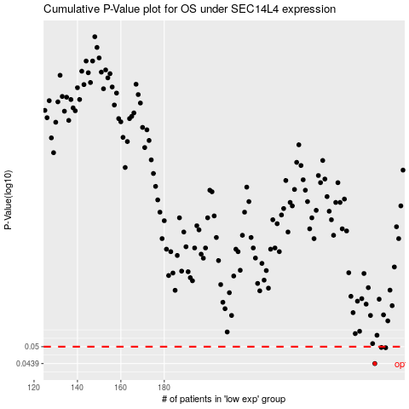

 |  |  |  |  |  | cases_OS | p_OS | rank | exp
 |  |  |  |  |  | 277 | 0.0439 | 414 | -0.20219596977
 |  |  |  |  |  | 282 | 0.0496 | 411 | -0.18221723194
 |  |  |  |  |  | 280 | 0.0497 | 390 | -0.19022786938
 |  |  |  |  |  |  | cases_RFS | p_RFS | rank | exp
 |  |  |  |  |  |  | 276 | 0.0439 | 194 | -0.20362748109
 |  |  |  |  |  |  | 281 | 0.0496 | 105 | -0.18785380774
 |  |  |  |  |  |  | 279 | 0.0497 | 231 | -0.19240218525

