SEC14L5 _multivariate
Reported by Tex Li-Hsing Chi. tex@gate.sinica.edu.tw 2019-08-16

Table 2. The clinicopathological features of HNSCC cohort and SEC14L5 expression. (Chi square test)
Cutoff at -0.243 (35.0%)
 |  | SEC14L5 expression |  | SEC14L5 expression |  | (Optimised)
 | Features | Low | (%) | High | (%) | Case no | P-value | Remark | Matthews
Gender | Female | 104 | 25.1 | 202 | 48.7 | 415 | 0.572 | 0 | 0
2 | Male | 41 | 9.9 | 68 | 16.4
Age at diagnosis | <=65y | 96 | 23.1 | 178 | 42.9 | 415 | 1 | 0 | 0
4 | >65y | 49 | 11.8 | 92 | 22.2
Clinical T Status | T1+T2 | 52 | 12.5 | 97 | 23.4 | 415 | 1 | 0 | 0
6 | T3+T4 | 93 | 22.4 | 173 | 41.7
Clinical N Status | N0 | 74 | 17.8 | 142 | 34.2 | 415 | 0.8416 | 0 | 0
8 | N1-3 | 71 | 17.1 | 128 | 30.8
Clinical M Status | M0 | 144 | 34.7 | 268 | 64.6 | 415 | 1 | 0 | 0
10 | M1 | 1 | 0.2 | 2 | 0.5
Clinical Stage | Stage I+II | 40 | 9.6 | 62 | 14.9 | 415 | 0.3558 | 0 | 0
12 | Stage III+IV | 105 | 25.3 | 208 | 50.1
Surgical Margin status | Negative | 108 | 26 | 210 | 50.6 | 415 | 0.4669 | 0 | 0
14 | Positive | 37 | 8.9 | 60 | 14.5
Tobacco Exposure | Low | 59 | 14.2 | 102 | 24.6 | 415 | 0.5978 | 0 | 0
16 | High | 86 | 20.7 | 168 | 40.5

Table 3. Univariate/Multivariate Cox's proportional hazards regression analyses on OS time of SEC14L5 gene expression in HNSCC

 |  | Univariate |  |  |  | Multivariate
 | Features | HR | CI95%(L) | CI95%(H) | P-value | HR | CI95%(L) | CI95%(H) | P-value
1 | Female | 1 |  |  |  | 1
Gender | Male | 1.157 | 0.843 | 1.587 | 0.367 | 1.196 | 0.856 | 1.671 | 0.294
11 | <=65y | 1 |  |  |  | 1
Age at diagnosis | >65y | 1.329 | 0.99 | 1.784 | 0.058 | 1.384 | 1.017 | 1.884 | 0.039
12 | T1+T2 | 1 |  |  |  | 1
Clinical T Status | T3+T4 | 1.409 | 1.028 | 1.931 | 0.033 | 2.076 | 1.093 | 3.945 | 0.026
13 | N0 | 1 |  |  |  | 1
Clinical N Status | N1-3 | 1.185 | 0.89 | 1.577 | 0.246 | 1.195 | 0.835 | 1.71 | 0.331
14 | M0 | 1 |  |  |  | 1
Clinical M Status | M1 | 4.097 | 1.009 | 16.644 | 0.049 | 8.902 | 1.939 | 40.869 | 0.005
15 | Stage I+II | 1 |  |  |  | 1
Clinical Stage | Stage III+IV | 1.245 | 0.882 | 1.759 | 0.213 | 0.559 | 0.258 | 1.212 | 0.141
16 | Negative | 1 |  |  |  | 1
Surgical Margin status | Positive | 1.591 | 1.155 | 2.191 | 0.004 | 1.666 | 1.205 | 2.302 | 0.002
17 | Low | 1 |  |  |  | 1
Tobacco Exposure | High | 1.364 | 1.008 | 1.844 | 0.044 | 1.465 | 1.062 | 2.022 | 0.02
18 | Low | 1 |  |  |  | 1
RNAseq(z-score) | High | 0.736 | 0.548 | 0.989 | 0.042 | 0.763 | 0.565 | 1.03 | 0.077

Table 4. Univariate/Multivariate Cox's proportional hazards regression analyses on RFS time of SEC14L5 gene expression in HNSCC

 |  | Univariate |  |  |  | Multivariate
 | Features | HR | CI95%(L) | CI95%(H) | P-value | HR | CI95%(L) | CI95%(H) | P-value
1 | Female | 1 |  |  |  | 1
Gender | Male | 1.157 | 0.843 | 1.587 | 0.367 | 1.196 | 0.856 | 1.671 | 0.294
11 | <=65y | 1 |  |  |  | 1
Age at diagnosis | >65y | 1.329 | 0.99 | 1.784 | 0.058 | 1.384 | 1.017 | 1.884 | 0.039
12 | T1+T2 | 1 |  |  |  | 1
Clinical T Status | T3+T4 | 1.409 | 1.028 | 1.931 | 0.033 | 2.076 | 1.093 | 3.945 | 0.026
13 | N0 | 1 |  |  |  | 1
Clinical N Status | N1-3 | 1.185 | 0.89 | 1.577 | 0.246 | 1.195 | 0.835 | 1.71 | 0.331
14 | M0 | 1 |  |  |  | 1
Clinical M Status | M1 | 4.097 | 1.009 | 16.644 | 0.049 | 8.902 | 1.939 | 40.869 | 0.005
15 | Stage I+II | 1 |  |  |  | 1
Clinical Stage | Stage III+IV | 1.245 | 0.882 | 1.759 | 0.213 | 0.559 | 0.258 | 1.212 | 0.141
16 | Negative | 1 |  |  |  | 1
Surgical Margin status | Positive | 1.591 | 1.155 | 2.191 | 0.004 | 1.666 | 1.205 | 2.302 | 0.002
17 | Low | 1 |  |  |  | 1
Tobacco Exposure | High | 1.364 | 1.008 | 1.844 | 0.044 | 1.465 | 1.062 | 2.022 | 0.02
18 | Low | 1 |  |  |  | 1
RNAseq(z-score) | High | 0.736 | 0.548 | 0.989 | 0.042 | 0.763 | 0.565 | 1.03 | 0.077

Kaplan-Meier survival estimate: Cutoff at -0.243 (35.0%)



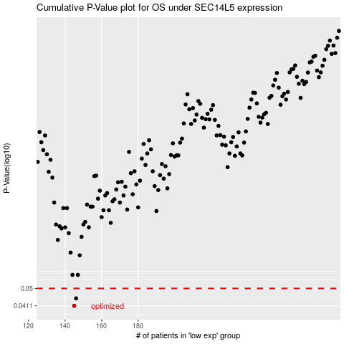

 |  |  |  |  |  | cases_OS | p_OS | rank | exp
 |  |  |  |  |  | 145 | 0.0411 | 380 | -0.24253846947
 |  |  |  |  |  | 146 | 0.0447 | 106 | -0.24222080167
 |  |  |  |  |  |  | cases_RFS | p_RFS | rank | exp
 |  |  |  |  |  |  | 144 | 0.0411 | 85 | -0.24261410466
 |  |  |  |  |  |  | 145 | 0.0447 | 380 | -0.24253846947

