SEC16B _multivariate
Reported by Tex Li-Hsing Chi. tex@gate.sinica.edu.tw 2019-08-16

Table 2. The clinicopathological features of HNSCC cohort and SEC16B expression. (Chi square test)
Cutoff at -0.173 (50.0%)
 |  | SEC16B expression |  | SEC16B expression |  | (Optimised)
 | Features | Low | (%) | High | (%) | Case no | P-value | Remark | Matthews
Gender | Female | 156 | 37.6 | 150 | 36.1 | 415 | 0.5222 | 0 | 0
2 | Male | 51 | 12.3 | 58 | 14
Age at diagnosis | <=65y | 146 | 35.2 | 128 | 30.8 | 415 | 0.0672 | 0 | 0
4 | >65y | 61 | 14.7 | 80 | 19.3
Clinical T Status | T1+T2 | 80 | 19.3 | 69 | 16.6 | 415 | 0.2891 | 0 | 0
6 | T3+T4 | 127 | 30.6 | 139 | 33.5
Clinical N Status | N0 | 109 | 26.3 | 107 | 25.8 | 415 | 0.8812 | 0 | 0
8 | N1-3 | 98 | 23.6 | 101 | 24.3
Clinical M Status | M0 | 206 | 49.6 | 206 | 49.6 | 415 | 1 | 0 | 0
10 | M1 | 1 | 0.2 | 2 | 0.5
Clinical Stage | Stage I+II | 54 | 13 | 48 | 11.6 | 415 | 0.5498 | 0 | 0
12 | Stage III+IV | 153 | 36.9 | 160 | 38.6
Surgical Margin status | Negative | 160 | 38.6 | 158 | 38.1 | 415 | 0.8167 | 0 | 0
14 | Positive | 47 | 11.3 | 50 | 12
Tobacco Exposure | Low | 75 | 18.1 | 86 | 20.7 | 415 | 0.3141 | 0 | 0
16 | High | 132 | 31.8 | 122 | 29.4

Table 3. Univariate/Multivariate Cox's proportional hazards regression analyses on OS time of SEC16B gene expression in HNSCC

 |  | Univariate |  |  |  | Multivariate
 | Features | HR | CI95%(L) | CI95%(H) | P-value | HR | CI95%(L) | CI95%(H) | P-value
1 | Female | 1 |  |  |  | 1
Gender | Male | 1.157 | 0.843 | 1.587 | 0.367 | 1.206 | 0.863 | 1.684 | 0.272
11 | <=65y | 1 |  |  |  | 1
Age at diagnosis | >65y | 1.329 | 0.99 | 1.784 | 0.058 | 1.44 | 1.057 | 1.96 | 0.021
12 | T1+T2 | 1 |  |  |  | 1
Clinical T Status | T3+T4 | 1.409 | 1.028 | 1.931 | 0.033 | 2.303 | 1.218 | 4.357 | 0.01
13 | N0 | 1 |  |  |  | 1
Clinical N Status | N1-3 | 1.185 | 0.89 | 1.577 | 0.246 | 1.249 | 0.876 | 1.782 | 0.22
14 | M0 | 1 |  |  |  | 1
Clinical M Status | M1 | 4.097 | 1.009 | 16.644 | 0.049 | 10.217 | 2.224 | 46.942 | 0.003
15 | Stage I+II | 1 |  |  |  | 1
Clinical Stage | Stage III+IV | 1.245 | 0.882 | 1.759 | 0.213 | 0.477 | 0.222 | 1.024 | 0.057
16 | Negative | 1 |  |  |  | 1
Surgical Margin status | Positive | 1.591 | 1.155 | 2.191 | 0.004 | 1.703 | 1.232 | 2.355 | 0.001
17 | Low | 1 |  |  |  | 1
Tobacco Exposure | High | 1.364 | 1.008 | 1.844 | 0.044 | 1.448 | 1.05 | 1.996 | 0.024
18 | Low | 1 |  |  |  | 1
RNAseq(z-score) | High | 0.802 | 0.601 | 1.068 | 0.131 | 0.741 | 0.554 | 0.991 | 0.043

Table 4. Univariate/Multivariate Cox's proportional hazards regression analyses on RFS time of SEC16B gene expression in HNSCC

 |  | Univariate |  |  |  | Multivariate
 | Features | HR | CI95%(L) | CI95%(H) | P-value | HR | CI95%(L) | CI95%(H) | P-value
1 | Female | 1 |  |  |  | 1
Gender | Male | 1.157 | 0.843 | 1.587 | 0.367 | 1.206 | 0.863 | 1.684 | 0.272
11 | <=65y | 1 |  |  |  | 1
Age at diagnosis | >65y | 1.329 | 0.99 | 1.784 | 0.058 | 1.44 | 1.057 | 1.96 | 0.021
12 | T1+T2 | 1 |  |  |  | 1
Clinical T Status | T3+T4 | 1.409 | 1.028 | 1.931 | 0.033 | 2.303 | 1.218 | 4.357 | 0.01
13 | N0 | 1 |  |  |  | 1
Clinical N Status | N1-3 | 1.185 | 0.89 | 1.577 | 0.246 | 1.249 | 0.876 | 1.782 | 0.22
14 | M0 | 1 |  |  |  | 1
Clinical M Status | M1 | 4.097 | 1.009 | 16.644 | 0.049 | 10.217 | 2.224 | 46.942 | 0.003
15 | Stage I+II | 1 |  |  |  | 1
Clinical Stage | Stage III+IV | 1.245 | 0.882 | 1.759 | 0.213 | 0.477 | 0.222 | 1.024 | 0.057
16 | Negative | 1 |  |  |  | 1
Surgical Margin status | Positive | 1.591 | 1.155 | 2.191 | 0.004 | 1.703 | 1.232 | 2.355 | 0.001
17 | Low | 1 |  |  |  | 1
Tobacco Exposure | High | 1.364 | 1.008 | 1.844 | 0.044 | 1.448 | 1.05 | 1.996 | 0.024
18 | Low | 1 |  |  |  | 1
RNAseq(z-score) | High | 0.802 | 0.601 | 1.068 | 0.131 | 0.741 | 0.554 | 0.991 | 0.043

Kaplan-Meier survival estimate: Cutoff at -0.173 (50.0%)



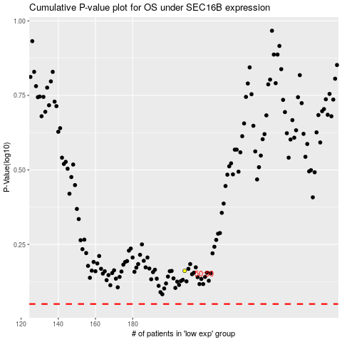

 |  |  |  |  |  | cases_OS | p_OS | rank | exp
 |  |  |  |  |  |  | cases_RFS | p_RFS | rank | exp

