SEC22B _multivariate
Reported by Tex Li-Hsing Chi. tex@gate.sinica.edu.tw 2019-08-16

Table 2. The clinicopathological features of HNSCC cohort and SEC22B expression. (Chi square test)
Cutoff at -0.148 (49.8%)
 |  | SEC22B expression |  | SEC22B expression |  | (Optimised)
 | Features | Low | (%) | High | (%) | Case no | P-value | Remark | Matthews
Gender | Female | 154 | 37.1 | 152 | 36.6 | 415 | 0.8463 | 0 | 0
2 | Male | 53 | 12.8 | 56 | 13.5
Age at diagnosis | <=65y | 135 | 32.5 | 139 | 33.5 | 415 | 0.8084 | 0 | 0
4 | >65y | 72 | 17.3 | 69 | 16.6
Clinical T Status | T1+T2 | 65 | 15.7 | 84 | 20.2 | 415 | 0.0711 | 0 | 0
6 | T3+T4 | 142 | 34.2 | 124 | 29.9
Clinical N Status | N0 | 112 | 27 | 104 | 25.1 | 415 | 0.4599 | 0 | 0
8 | N1-3 | 95 | 22.9 | 104 | 25.1
Clinical M Status | M0 | 204 | 49.2 | 208 | 50.1 | 415 | 0.1232 | 0 | 0
10 | M1 | 3 | 0.7 | 0 | 0
Clinical Stage | Stage I+II | 43 | 10.4 | 59 | 14.2 | 415 | 0.0925 | 0 | 0
12 | Stage III+IV | 164 | 39.5 | 149 | 35.9
Surgical Margin status | Negative | 154 | 37.1 | 164 | 39.5 | 415 | 0.2984 | 0 | 0
14 | Positive | 53 | 12.8 | 44 | 10.6
Tobacco Exposure | Low | 76 | 18.3 | 85 | 20.5 | 415 | 0.4207 | 0 | 0
16 | High | 131 | 31.6 | 123 | 29.6

Table 3. Univariate/Multivariate Cox's proportional hazards regression analyses on OS time of SEC22B gene expression in HNSCC

 |  | Univariate |  |  |  | Multivariate
 | Features | HR | CI95%(L) | CI95%(H) | P-value | HR | CI95%(L) | CI95%(H) | P-value
1 | Female | 1 |  |  |  | 1
Gender | Male | 1.157 | 0.843 | 1.587 | 0.367 | 1.221 | 0.875 | 1.703 | 0.24
11 | <=65y | 1 |  |  |  | 1
Age at diagnosis | >65y | 1.329 | 0.99 | 1.784 | 0.058 | 1.376 | 1.012 | 1.87 | 0.042
12 | T1+T2 | 1 |  |  |  | 1
Clinical T Status | T3+T4 | 1.409 | 1.028 | 1.931 | 0.033 | 2.25 | 1.189 | 4.258 | 0.013
13 | N0 | 1 |  |  |  | 1
Clinical N Status | N1-3 | 1.185 | 0.89 | 1.577 | 0.246 | 1.209 | 0.846 | 1.727 | 0.298
14 | M0 | 1 |  |  |  | 1
Clinical M Status | M1 | 4.097 | 1.009 | 16.644 | 0.049 | 10.888 | 2.345 | 50.558 | 0.002
15 | Stage I+II | 1 |  |  |  | 1
Clinical Stage | Stage III+IV | 1.245 | 0.882 | 1.759 | 0.213 | 0.519 | 0.242 | 1.115 | 0.093
16 | Negative | 1 |  |  |  | 1
Surgical Margin status | Positive | 1.591 | 1.155 | 2.191 | 0.004 | 1.721 | 1.242 | 2.384 | 0.001
17 | Low | 1 |  |  |  | 1
Tobacco Exposure | High | 1.364 | 1.008 | 1.844 | 0.044 | 1.477 | 1.072 | 2.036 | 0.017
18 | Low | 1 |  |  |  | 1
RNAseq(z-score) | High | 1.099 | 0.825 | 1.464 | 0.517 | 1.254 | 0.933 | 1.686 | 0.133

Table 4. Univariate/Multivariate Cox's proportional hazards regression analyses on RFS time of SEC22B gene expression in HNSCC

 |  | Univariate |  |  |  | Multivariate
 | Features | HR | CI95%(L) | CI95%(H) | P-value | HR | CI95%(L) | CI95%(H) | P-value
1 | Female | 1 |  |  |  | 1
Gender | Male | 1.157 | 0.843 | 1.587 | 0.367 | 1.221 | 0.875 | 1.703 | 0.24
11 | <=65y | 1 |  |  |  | 1
Age at diagnosis | >65y | 1.329 | 0.99 | 1.784 | 0.058 | 1.376 | 1.012 | 1.87 | 0.042
12 | T1+T2 | 1 |  |  |  | 1
Clinical T Status | T3+T4 | 1.409 | 1.028 | 1.931 | 0.033 | 2.25 | 1.189 | 4.258 | 0.013
13 | N0 | 1 |  |  |  | 1
Clinical N Status | N1-3 | 1.185 | 0.89 | 1.577 | 0.246 | 1.209 | 0.846 | 1.727 | 0.298
14 | M0 | 1 |  |  |  | 1
Clinical M Status | M1 | 4.097 | 1.009 | 16.644 | 0.049 | 10.888 | 2.345 | 50.558 | 0.002
15 | Stage I+II | 1 |  |  |  | 1
Clinical Stage | Stage III+IV | 1.245 | 0.882 | 1.759 | 0.213 | 0.519 | 0.242 | 1.115 | 0.093
16 | Negative | 1 |  |  |  | 1
Surgical Margin status | Positive | 1.591 | 1.155 | 2.191 | 0.004 | 1.721 | 1.242 | 2.384 | 0.001
17 | Low | 1 |  |  |  | 1
Tobacco Exposure | High | 1.364 | 1.008 | 1.844 | 0.044 | 1.477 | 1.072 | 2.036 | 0.017
18 | Low | 1 |  |  |  | 1
RNAseq(z-score) | High | 1.099 | 0.825 | 1.464 | 0.517 | 1.254 | 0.933 | 1.686 | 0.133

Kaplan-Meier survival estimate: Cutoff at -0.148 (49.8%)



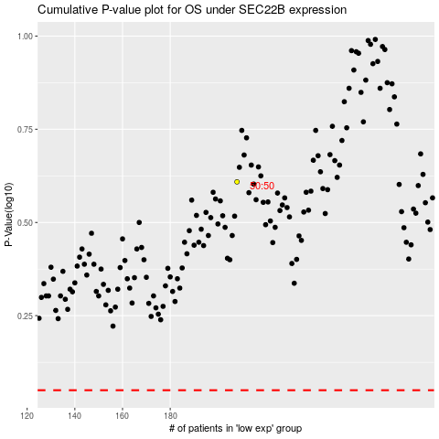

 |  |  |  |  |  | cases_OS | p_OS | rank | exp
 |  |  |  |  |  |  | cases_RFS | p_RFS | rank | exp

