SEC22C _multivariate
Reported by Tex Li-Hsing Chi. tex@gate.sinica.edu.tw 2019-08-16

Table 2. The clinicopathological features of HNSCC cohort and SEC22C expression. (Chi square test)
Cutoff at -0.102 (49.8%)
 |  | SEC22C expression |  | SEC22C expression |  | (Optimised)
 | Features | Low | (%) | High | (%) | Case no | P-value | Remark | Matthews
Gender | Female | 163 | 39.3 | 143 | 34.5 | 415 | 0.0277 | 1 | 0
2 | Male | 44 | 10.6 | 65 | 15.7
Age at diagnosis | <=65y | 141 | 34 | 133 | 32 | 415 | 0.4272 | 0 | 0
4 | >65y | 66 | 15.9 | 75 | 18.1
Clinical T Status | T1+T2 | 77 | 18.6 | 72 | 17.3 | 415 | 0.6556 | 0 | 0
6 | T3+T4 | 130 | 31.3 | 136 | 32.8
Clinical N Status | N0 | 108 | 26 | 108 | 26 | 415 | 1 | 0 | 0
8 | N1-3 | 99 | 23.9 | 100 | 24.1
Clinical M Status | M0 | 205 | 49.4 | 207 | 49.9 | 415 | 0.6232 | 0 | 0
10 | M1 | 2 | 0.5 | 1 | 0.2
Clinical Stage | Stage I+II | 48 | 11.6 | 54 | 13 | 415 | 0.5878 | 0 | 0
12 | Stage III+IV | 159 | 38.3 | 154 | 37.1
Surgical Margin status | Negative | 163 | 39.3 | 155 | 37.3 | 415 | 0.3537 | 0 | 0
14 | Positive | 44 | 10.6 | 53 | 12.8
Tobacco Exposure | Low | 74 | 17.8 | 87 | 21 | 415 | 0.227 | 0 | 0
16 | High | 133 | 32 | 121 | 29.2

Table 3. Univariate/Multivariate Cox's proportional hazards regression analyses on OS time of SEC22C gene expression in HNSCC

 |  | Univariate |  |  |  | Multivariate
 | Features | HR | CI95%(L) | CI95%(H) | P-value | HR | CI95%(L) | CI95%(H) | P-value
1 | Female | 1 |  |  |  | 1
Gender | Male | 1.157 | 0.843 | 1.587 | 0.367 | 1.228 | 0.876 | 1.721 | 0.233
11 | <=65y | 1 |  |  |  | 1
Age at diagnosis | >65y | 1.329 | 0.99 | 1.784 | 0.058 | 1.391 | 1.023 | 1.89 | 0.035
12 | T1+T2 | 1 |  |  |  | 1
Clinical T Status | T3+T4 | 1.409 | 1.028 | 1.931 | 0.033 | 2.248 | 1.187 | 4.255 | 0.013
13 | N0 | 1 |  |  |  | 1
Clinical N Status | N1-3 | 1.185 | 0.89 | 1.577 | 0.246 | 1.244 | 0.872 | 1.774 | 0.229
14 | M0 | 1 |  |  |  | 1
Clinical M Status | M1 | 4.097 | 1.009 | 16.644 | 0.049 | 9.488 | 2.07 | 43.499 | 0.004
15 | Stage I+II | 1 |  |  |  | 1
Clinical Stage | Stage III+IV | 1.245 | 0.882 | 1.759 | 0.213 | 0.489 | 0.227 | 1.053 | 0.068
16 | Negative | 1 |  |  |  | 1
Surgical Margin status | Positive | 1.591 | 1.155 | 2.191 | 0.004 | 1.677 | 1.213 | 2.318 | 0.002
17 | Low | 1 |  |  |  | 1
Tobacco Exposure | High | 1.364 | 1.008 | 1.844 | 0.044 | 1.452 | 1.053 | 2.002 | 0.023
18 | Low | 1 |  |  |  | 1
RNAseq(z-score) | High | 0.903 | 0.676 | 1.207 | 0.49 | 0.868 | 0.646 | 1.166 | 0.347

Table 4. Univariate/Multivariate Cox's proportional hazards regression analyses on RFS time of SEC22C gene expression in HNSCC

 |  | Univariate |  |  |  | Multivariate
 | Features | HR | CI95%(L) | CI95%(H) | P-value | HR | CI95%(L) | CI95%(H) | P-value
1 | Female | 1 |  |  |  | 1
Gender | Male | 1.157 | 0.843 | 1.587 | 0.367 | 1.228 | 0.876 | 1.721 | 0.233
11 | <=65y | 1 |  |  |  | 1
Age at diagnosis | >65y | 1.329 | 0.99 | 1.784 | 0.058 | 1.391 | 1.023 | 1.89 | 0.035
12 | T1+T2 | 1 |  |  |  | 1
Clinical T Status | T3+T4 | 1.409 | 1.028 | 1.931 | 0.033 | 2.248 | 1.187 | 4.255 | 0.013
13 | N0 | 1 |  |  |  | 1
Clinical N Status | N1-3 | 1.185 | 0.89 | 1.577 | 0.246 | 1.244 | 0.872 | 1.774 | 0.229
14 | M0 | 1 |  |  |  | 1
Clinical M Status | M1 | 4.097 | 1.009 | 16.644 | 0.049 | 9.488 | 2.07 | 43.499 | 0.004
15 | Stage I+II | 1 |  |  |  | 1
Clinical Stage | Stage III+IV | 1.245 | 0.882 | 1.759 | 0.213 | 0.489 | 0.227 | 1.053 | 0.068
16 | Negative | 1 |  |  |  | 1
Surgical Margin status | Positive | 1.591 | 1.155 | 2.191 | 0.004 | 1.677 | 1.213 | 2.318 | 0.002
17 | Low | 1 |  |  |  | 1
Tobacco Exposure | High | 1.364 | 1.008 | 1.844 | 0.044 | 1.452 | 1.053 | 2.002 | 0.023
18 | Low | 1 |  |  |  | 1
RNAseq(z-score) | High | 0.903 | 0.676 | 1.207 | 0.49 | 0.868 | 0.646 | 1.166 | 0.347

Kaplan-Meier survival estimate: Cutoff at -0.102 (49.8%)



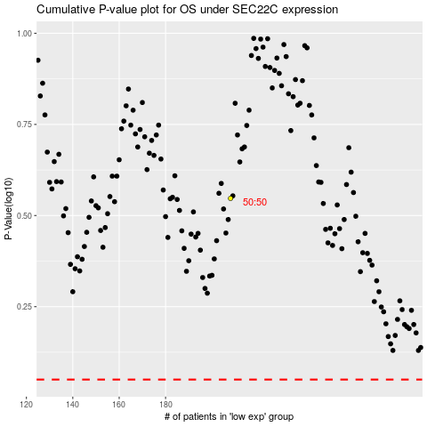

 |  |  |  |  |  | cases_OS | p_OS | rank | exp
 |  |  |  |  |  |  | cases_RFS | p_RFS | rank | exp

