SEC23B _multivariate
Reported by Tex Li-Hsing Chi. tex@gate.sinica.edu.tw 2019-08-16

Table 2. The clinicopathological features of HNSCC cohort and SEC23B expression. (Chi square test)
Cutoff at -0.178 (50.0%)
 |  | SEC23B expression |  | SEC23B expression |  | (Optimised)
 | Features | Low | (%) | High | (%) | Case no | P-value | Remark | Matthews
Gender | Female | 157 | 37.8 | 149 | 35.9 | 415 | 0.3881 | 0 | 0
2 | Male | 50 | 12 | 59 | 14.2
Age at diagnosis | <=65y | 134 | 32.3 | 140 | 33.7 | 415 | 0.6529 | 0 | 0
4 | >65y | 73 | 17.6 | 68 | 16.4
Clinical T Status | T1+T2 | 79 | 19 | 70 | 16.9 | 415 | 0.3924 | 0 | 0
6 | T3+T4 | 128 | 30.8 | 138 | 33.3
Clinical N Status | N0 | 109 | 26.3 | 107 | 25.8 | 415 | 0.8812 | 0 | 0
8 | N1-3 | 98 | 23.6 | 101 | 24.3
Clinical M Status | M0 | 206 | 49.6 | 206 | 49.6 | 415 | 1 | 0 | 0
10 | M1 | 1 | 0.2 | 2 | 0.5
Clinical Stage | Stage I+II | 58 | 14 | 44 | 10.6 | 415 | 0.131 | 0 | 0
12 | Stage III+IV | 149 | 35.9 | 164 | 39.5
Surgical Margin status | Negative | 157 | 37.8 | 161 | 38.8 | 415 | 0.729 | 0 | 0
14 | Positive | 50 | 12 | 47 | 11.3
Tobacco Exposure | Low | 79 | 19 | 82 | 19.8 | 415 | 0.8405 | 0 | 0
16 | High | 128 | 30.8 | 126 | 30.4

Table 3. Univariate/Multivariate Cox's proportional hazards regression analyses on OS time of SEC23B gene expression in HNSCC

 |  | Univariate |  |  |  | Multivariate
 | Features | HR | CI95%(L) | CI95%(H) | P-value | HR | CI95%(L) | CI95%(H) | P-value
1 | Female | 1 |  |  |  | 1
Gender | Male | 1.157 | 0.843 | 1.587 | 0.367 | 1.194 | 0.854 | 1.668 | 0.299
11 | <=65y | 1 |  |  |  | 1
Age at diagnosis | >65y | 1.329 | 0.99 | 1.784 | 0.058 | 1.389 | 1.022 | 1.887 | 0.036
12 | T1+T2 | 1 |  |  |  | 1
Clinical T Status | T3+T4 | 1.409 | 1.028 | 1.931 | 0.033 | 2.26 | 1.193 | 4.281 | 0.012
13 | N0 | 1 |  |  |  | 1
Clinical N Status | N1-3 | 1.185 | 0.89 | 1.577 | 0.246 | 1.254 | 0.879 | 1.79 | 0.212
14 | M0 | 1 |  |  |  | 1
Clinical M Status | M1 | 4.097 | 1.009 | 16.644 | 0.049 | 9.138 | 1.991 | 41.931 | 0.004
15 | Stage I+II | 1 |  |  |  | 1
Clinical Stage | Stage III+IV | 1.245 | 0.882 | 1.759 | 0.213 | 0.478 | 0.221 | 1.033 | 0.06
16 | Negative | 1 |  |  |  | 1
Surgical Margin status | Positive | 1.591 | 1.155 | 2.191 | 0.004 | 1.678 | 1.214 | 2.319 | 0.002
17 | Low | 1 |  |  |  | 1
Tobacco Exposure | High | 1.364 | 1.008 | 1.844 | 0.044 | 1.461 | 1.061 | 2.011 | 0.02
18 | Low | 1 |  |  |  | 1
RNAseq(z-score) | High | 1.168 | 0.876 | 1.559 | 0.289 | 1.183 | 0.884 | 1.583 | 0.259

Table 4. Univariate/Multivariate Cox's proportional hazards regression analyses on RFS time of SEC23B gene expression in HNSCC

 |  | Univariate |  |  |  | Multivariate
 | Features | HR | CI95%(L) | CI95%(H) | P-value | HR | CI95%(L) | CI95%(H) | P-value
1 | Female | 1 |  |  |  | 1
Gender | Male | 1.157 | 0.843 | 1.587 | 0.367 | 1.194 | 0.854 | 1.668 | 0.299
11 | <=65y | 1 |  |  |  | 1
Age at diagnosis | >65y | 1.329 | 0.99 | 1.784 | 0.058 | 1.389 | 1.022 | 1.887 | 0.036
12 | T1+T2 | 1 |  |  |  | 1
Clinical T Status | T3+T4 | 1.409 | 1.028 | 1.931 | 0.033 | 2.26 | 1.193 | 4.281 | 0.012
13 | N0 | 1 |  |  |  | 1
Clinical N Status | N1-3 | 1.185 | 0.89 | 1.577 | 0.246 | 1.254 | 0.879 | 1.79 | 0.212
14 | M0 | 1 |  |  |  | 1
Clinical M Status | M1 | 4.097 | 1.009 | 16.644 | 0.049 | 9.138 | 1.991 | 41.931 | 0.004
15 | Stage I+II | 1 |  |  |  | 1
Clinical Stage | Stage III+IV | 1.245 | 0.882 | 1.759 | 0.213 | 0.478 | 0.221 | 1.033 | 0.06
16 | Negative | 1 |  |  |  | 1
Surgical Margin status | Positive | 1.591 | 1.155 | 2.191 | 0.004 | 1.678 | 1.214 | 2.319 | 0.002
17 | Low | 1 |  |  |  | 1
Tobacco Exposure | High | 1.364 | 1.008 | 1.844 | 0.044 | 1.461 | 1.061 | 2.011 | 0.02
18 | Low | 1 |  |  |  | 1
RNAseq(z-score) | High | 1.168 | 0.876 | 1.559 | 0.289 | 1.183 | 0.884 | 1.583 | 0.259

Kaplan-Meier survival estimate: Cutoff at -0.178 (50.0%)



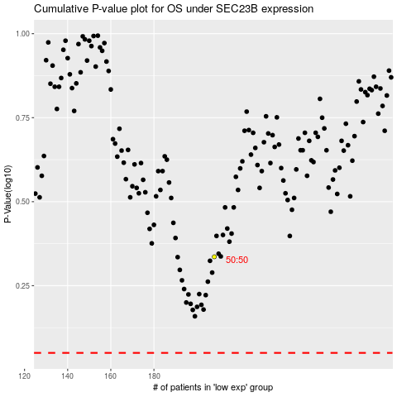

 |  |  |  |  |  | cases_OS | p_OS | rank | exp
 |  |  |  |  |  |  | cases_RFS | p_RFS | rank | exp

