SEC31A _multivariate
Reported by Tex Li-Hsing Chi. tex@gate.sinica.edu.tw 2019-08-16

Table 2. The clinicopathological features of HNSCC cohort and SEC31A expression. (Chi square test)
Cutoff at 0.018 (50.0%)
 |  | SEC31A expression |  | SEC31A expression |  | (Optimised)
 | Features | Low | (%) | High | (%) | Case no | P-value | Remark | Matthews
Gender | Female | 163 | 39.3 | 143 | 34.5 | 415 | 0.0277 | 1 | 0
2 | Male | 44 | 10.6 | 65 | 15.7
Age at diagnosis | <=65y | 134 | 32.3 | 140 | 33.7 | 415 | 0.6529 | 0 | 0
4 | >65y | 73 | 17.6 | 68 | 16.4
Clinical T Status | T1+T2 | 75 | 18.1 | 74 | 17.8 | 415 | 0.9707 | 0 | 0
6 | T3+T4 | 132 | 31.8 | 134 | 32.3
Clinical N Status | N0 | 105 | 25.3 | 111 | 26.7 | 415 | 0.6598 | 0 | 0
8 | N1-3 | 102 | 24.6 | 97 | 23.4
Clinical M Status | M0 | 205 | 49.4 | 207 | 49.9 | 415 | 0.6232 | 0 | 0
10 | M1 | 2 | 0.5 | 1 | 0.2
Clinical Stage | Stage I+II | 50 | 12 | 52 | 12.5 | 415 | 0.9315 | 0 | 0
12 | Stage III+IV | 157 | 37.8 | 156 | 37.6
Surgical Margin status | Negative | 152 | 36.6 | 166 | 40 | 415 | 0.1329 | 0 | 0
14 | Positive | 55 | 13.3 | 42 | 10.1
Tobacco Exposure | Low | 72 | 17.3 | 89 | 21.4 | 415 | 0.1071 | 0 | 0
16 | High | 135 | 32.5 | 119 | 28.7

Table 3. Univariate/Multivariate Cox's proportional hazards regression analyses on OS time of SEC31A gene expression in HNSCC

 |  | Univariate |  |  |  | Multivariate
 | Features | HR | CI95%(L) | CI95%(H) | P-value | HR | CI95%(L) | CI95%(H) | P-value
1 | Female | 1 |  |  |  | 1
Gender | Male | 1.157 | 0.843 | 1.587 | 0.367 | 1.209 | 0.864 | 1.692 | 0.268
11 | <=65y | 1 |  |  |  | 1
Age at diagnosis | >65y | 1.329 | 0.99 | 1.784 | 0.058 | 1.388 | 1.021 | 1.888 | 0.037
12 | T1+T2 | 1 |  |  |  | 1
Clinical T Status | T3+T4 | 1.409 | 1.028 | 1.931 | 0.033 | 2.203 | 1.165 | 4.166 | 0.015
13 | N0 | 1 |  |  |  | 1
Clinical N Status | N1-3 | 1.185 | 0.89 | 1.577 | 0.246 | 1.241 | 0.869 | 1.77 | 0.234
14 | M0 | 1 |  |  |  | 1
Clinical M Status | M1 | 4.097 | 1.009 | 16.644 | 0.049 | 9.358 | 2.041 | 42.906 | 0.004
15 | Stage I+II | 1 |  |  |  | 1
Clinical Stage | Stage III+IV | 1.245 | 0.882 | 1.759 | 0.213 | 0.503 | 0.234 | 1.08 | 0.078
16 | Negative | 1 |  |  |  | 1
Surgical Margin status | Positive | 1.591 | 1.155 | 2.191 | 0.004 | 1.66 | 1.199 | 2.298 | 0.002
17 | Low | 1 |  |  |  | 1
Tobacco Exposure | High | 1.364 | 1.008 | 1.844 | 0.044 | 1.447 | 1.049 | 1.995 | 0.024
18 | Low | 1 |  |  |  | 1
RNAseq(z-score) | High | 0.883 | 0.662 | 1.178 | 0.398 | 0.946 | 0.706 | 1.268 | 0.711

Table 4. Univariate/Multivariate Cox's proportional hazards regression analyses on RFS time of SEC31A gene expression in HNSCC

 |  | Univariate |  |  |  | Multivariate
 | Features | HR | CI95%(L) | CI95%(H) | P-value | HR | CI95%(L) | CI95%(H) | P-value
1 | Female | 1 |  |  |  | 1
Gender | Male | 1.157 | 0.843 | 1.587 | 0.367 | 1.209 | 0.864 | 1.692 | 0.268
11 | <=65y | 1 |  |  |  | 1
Age at diagnosis | >65y | 1.329 | 0.99 | 1.784 | 0.058 | 1.388 | 1.021 | 1.888 | 0.037
12 | T1+T2 | 1 |  |  |  | 1
Clinical T Status | T3+T4 | 1.409 | 1.028 | 1.931 | 0.033 | 2.203 | 1.165 | 4.166 | 0.015
13 | N0 | 1 |  |  |  | 1
Clinical N Status | N1-3 | 1.185 | 0.89 | 1.577 | 0.246 | 1.241 | 0.869 | 1.77 | 0.234
14 | M0 | 1 |  |  |  | 1
Clinical M Status | M1 | 4.097 | 1.009 | 16.644 | 0.049 | 9.358 | 2.041 | 42.906 | 0.004
15 | Stage I+II | 1 |  |  |  | 1
Clinical Stage | Stage III+IV | 1.245 | 0.882 | 1.759 | 0.213 | 0.503 | 0.234 | 1.08 | 0.078
16 | Negative | 1 |  |  |  | 1
Surgical Margin status | Positive | 1.591 | 1.155 | 2.191 | 0.004 | 1.66 | 1.199 | 2.298 | 0.002
17 | Low | 1 |  |  |  | 1
Tobacco Exposure | High | 1.364 | 1.008 | 1.844 | 0.044 | 1.447 | 1.049 | 1.995 | 0.024
18 | Low | 1 |  |  |  | 1
RNAseq(z-score) | High | 0.883 | 0.662 | 1.178 | 0.398 | 0.946 | 0.706 | 1.268 | 0.711

Kaplan-Meier survival estimate: Cutoff at 0.018 (50.0%)



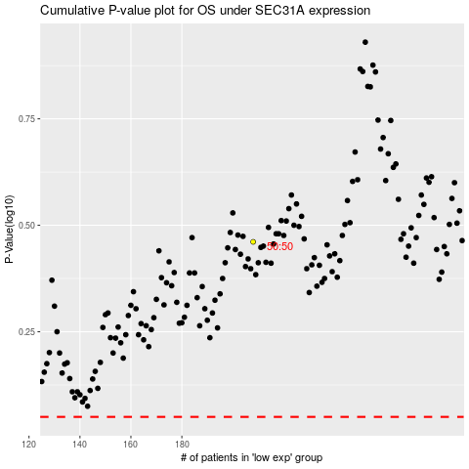

 |  |  |  |  |  | cases_OS | p_OS | rank | exp
 |  |  |  |  |  |  | cases_RFS | p_RFS | rank | exp

