SEC61A1 _multivariate
Reported by Tex Li-Hsing Chi. tex@gate.sinica.edu.tw 2019-08-16

Table 2. The clinicopathological features of HNSCC cohort and SEC61A1 expression. (Chi square test)
Cutoff at -0.036 (49.8%)
 |  | SEC61A1 expression |  | SEC61A1 expression |  | (Optimised)
 | Features | Low | (%) | High | (%) | Case no | P-value | Remark | Matthews
Gender | Female | 147 | 35.4 | 159 | 38.3 | 415 | 0.2523 | 0 | 0
2 | Male | 60 | 14.5 | 49 | 11.8
Age at diagnosis | <=65y | 139 | 33.5 | 135 | 32.5 | 415 | 0.7044 | 0 | 0
4 | >65y | 68 | 16.4 | 73 | 17.6
Clinical T Status | T1+T2 | 77 | 18.6 | 72 | 17.3 | 415 | 0.6556 | 0 | 0
6 | T3+T4 | 130 | 31.3 | 136 | 32.8
Clinical N Status | N0 | 108 | 26 | 108 | 26 | 415 | 1 | 0 | 0
8 | N1-3 | 99 | 23.9 | 100 | 24.1
Clinical M Status | M0 | 205 | 49.4 | 207 | 49.9 | 415 | 0.6232 | 0 | 0
10 | M1 | 2 | 0.5 | 1 | 0.2
Clinical Stage | Stage I+II | 51 | 12.3 | 51 | 12.3 | 415 | 1 | 0 | 0
12 | Stage III+IV | 156 | 37.6 | 157 | 37.8
Surgical Margin status | Negative | 154 | 37.1 | 164 | 39.5 | 415 | 0.2984 | 0 | 0
14 | Positive | 53 | 12.8 | 44 | 10.6
Tobacco Exposure | Low | 89 | 21.4 | 72 | 17.3 | 415 | 0.0872 | 0 | 0
16 | High | 118 | 28.4 | 136 | 32.8

Table 3. Univariate/Multivariate Cox's proportional hazards regression analyses on OS time of SEC61A1 gene expression in HNSCC

 |  | Univariate |  |  |  | Multivariate
 | Features | HR | CI95%(L) | CI95%(H) | P-value | HR | CI95%(L) | CI95%(H) | P-value
1 | Female | 1 |  |  |  | 1
Gender | Male | 1.157 | 0.843 | 1.587 | 0.367 | 1.219 | 0.871 | 1.706 | 0.247
11 | <=65y | 1 |  |  |  | 1
Age at diagnosis | >65y | 1.329 | 0.99 | 1.784 | 0.058 | 1.351 | 0.99 | 1.844 | 0.058
12 | T1+T2 | 1 |  |  |  | 1
Clinical T Status | T3+T4 | 1.409 | 1.028 | 1.931 | 0.033 | 2.191 | 1.158 | 4.144 | 0.016
13 | N0 | 1 |  |  |  | 1
Clinical N Status | N1-3 | 1.185 | 0.89 | 1.577 | 0.246 | 1.233 | 0.863 | 1.76 | 0.25
14 | M0 | 1 |  |  |  | 1
Clinical M Status | M1 | 4.097 | 1.009 | 16.644 | 0.049 | 9.521 | 2.076 | 43.663 | 0.004
15 | Stage I+II | 1 |  |  |  | 1
Clinical Stage | Stage III+IV | 1.245 | 0.882 | 1.759 | 0.213 | 0.508 | 0.237 | 1.091 | 0.082
16 | Negative | 1 |  |  |  | 1
Surgical Margin status | Positive | 1.591 | 1.155 | 2.191 | 0.004 | 1.714 | 1.236 | 2.375 | 0.001
17 | Low | 1 |  |  |  | 1
Tobacco Exposure | High | 1.364 | 1.008 | 1.844 | 0.044 | 1.433 | 1.039 | 1.976 | 0.028
18 | Low | 1 |  |  |  | 1
RNAseq(z-score) | High | 1.2 | 0.9 | 1.599 | 0.214 | 1.184 | 0.881 | 1.59 | 0.263

Table 4. Univariate/Multivariate Cox's proportional hazards regression analyses on RFS time of SEC61A1 gene expression in HNSCC

 |  | Univariate |  |  |  | Multivariate
 | Features | HR | CI95%(L) | CI95%(H) | P-value | HR | CI95%(L) | CI95%(H) | P-value
1 | Female | 1 |  |  |  | 1
Gender | Male | 1.157 | 0.843 | 1.587 | 0.367 | 1.219 | 0.871 | 1.706 | 0.247
11 | <=65y | 1 |  |  |  | 1
Age at diagnosis | >65y | 1.329 | 0.99 | 1.784 | 0.058 | 1.351 | 0.99 | 1.844 | 0.058
12 | T1+T2 | 1 |  |  |  | 1
Clinical T Status | T3+T4 | 1.409 | 1.028 | 1.931 | 0.033 | 2.191 | 1.158 | 4.144 | 0.016
13 | N0 | 1 |  |  |  | 1
Clinical N Status | N1-3 | 1.185 | 0.89 | 1.577 | 0.246 | 1.233 | 0.863 | 1.76 | 0.25
14 | M0 | 1 |  |  |  | 1
Clinical M Status | M1 | 4.097 | 1.009 | 16.644 | 0.049 | 9.521 | 2.076 | 43.663 | 0.004
15 | Stage I+II | 1 |  |  |  | 1
Clinical Stage | Stage III+IV | 1.245 | 0.882 | 1.759 | 0.213 | 0.508 | 0.237 | 1.091 | 0.082
16 | Negative | 1 |  |  |  | 1
Surgical Margin status | Positive | 1.591 | 1.155 | 2.191 | 0.004 | 1.714 | 1.236 | 2.375 | 0.001
17 | Low | 1 |  |  |  | 1
Tobacco Exposure | High | 1.364 | 1.008 | 1.844 | 0.044 | 1.433 | 1.039 | 1.976 | 0.028
18 | Low | 1 |  |  |  | 1
RNAseq(z-score) | High | 1.2 | 0.9 | 1.599 | 0.214 | 1.184 | 0.881 | 1.59 | 0.263

Kaplan-Meier survival estimate: Cutoff at -0.036 (49.8%)



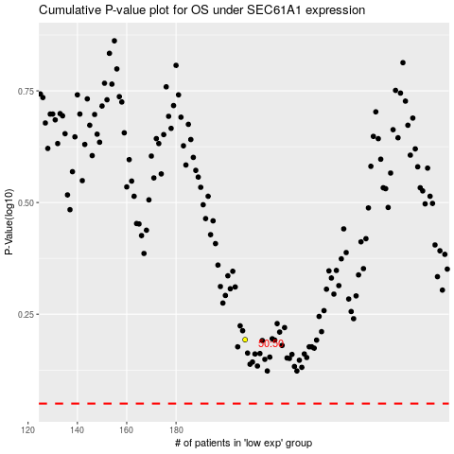

 |  |  |  |  |  | cases_OS | p_OS | rank | exp
 |  |  |  |  |  |  | cases_RFS | p_RFS | rank | exp

