SECISBP2 _multivariate
Reported by Tex Li-Hsing Chi. tex@gate.sinica.edu.tw 2019-08-16

Table 2. The clinicopathological features of HNSCC cohort and SECISBP2 expression. (Chi square test)
Cutoff at -0.079 (49.8%)
 |  | SECISBP2 expression |  | SECISBP2 expression |  | (Optimised)
 | Features | Low | (%) | High | (%) | Case no | P-value | Remark | Matthews
Gender | Female | 147 | 35.4 | 159 | 38.3 | 415 | 0.2523 | 0 | 0
2 | Male | 60 | 14.5 | 49 | 11.8
Age at diagnosis | <=65y | 146 | 35.2 | 128 | 30.8 | 415 | 0.0672 | 0 | 0
4 | >65y | 61 | 14.7 | 80 | 19.3
Clinical T Status | T1+T2 | 71 | 17.1 | 78 | 18.8 | 415 | 0.5638 | 0 | 0
6 | T3+T4 | 136 | 32.8 | 130 | 31.3
Clinical N Status | N0 | 112 | 27 | 104 | 25.1 | 415 | 0.4599 | 0 | 0
8 | N1-3 | 95 | 22.9 | 104 | 25.1
Clinical M Status | M0 | 205 | 49.4 | 207 | 49.9 | 415 | 0.6232 | 0 | 0
10 | M1 | 2 | 0.5 | 1 | 0.2
Clinical Stage | Stage I+II | 49 | 11.8 | 53 | 12.8 | 415 | 0.7535 | 0 | 0
12 | Stage III+IV | 158 | 38.1 | 155 | 37.3
Surgical Margin status | Negative | 170 | 41 | 148 | 35.7 | 415 | 0.0105 | 1 | 0
14 | Positive | 37 | 8.9 | 60 | 14.5
Tobacco Exposure | Low | 79 | 19 | 82 | 19.8 | 415 | 0.8405 | 0 | 0
16 | High | 128 | 30.8 | 126 | 30.4

Table 3. Univariate/Multivariate Cox's proportional hazards regression analyses on OS time of SECISBP2 gene expression in HNSCC

 |  | Univariate |  |  |  | Multivariate
 | Features | HR | CI95%(L) | CI95%(H) | P-value | HR | CI95%(L) | CI95%(H) | P-value
1 | Female | 1 |  |  |  | 1
Gender | Male | 1.157 | 0.843 | 1.587 | 0.367 | 1.202 | 0.86 | 1.679 | 0.282
11 | <=65y | 1 |  |  |  | 1
Age at diagnosis | >65y | 1.329 | 0.99 | 1.784 | 0.058 | 1.391 | 1.013 | 1.91 | 0.041
12 | T1+T2 | 1 |  |  |  | 1
Clinical T Status | T3+T4 | 1.409 | 1.028 | 1.931 | 0.033 | 2.203 | 1.164 | 4.167 | 0.015
13 | N0 | 1 |  |  |  | 1
Clinical N Status | N1-3 | 1.185 | 0.89 | 1.577 | 0.246 | 1.241 | 0.868 | 1.774 | 0.237
14 | M0 | 1 |  |  |  | 1
Clinical M Status | M1 | 4.097 | 1.009 | 16.644 | 0.049 | 9.412 | 2.044 | 43.341 | 0.004
15 | Stage I+II | 1 |  |  |  | 1
Clinical Stage | Stage III+IV | 1.245 | 0.882 | 1.759 | 0.213 | 0.505 | 0.235 | 1.083 | 0.079
16 | Negative | 1 |  |  |  | 1
Surgical Margin status | Positive | 1.591 | 1.155 | 2.191 | 0.004 | 1.671 | 1.206 | 2.315 | 0.002
17 | Low | 1 |  |  |  | 1
Tobacco Exposure | High | 1.364 | 1.008 | 1.844 | 0.044 | 1.453 | 1.054 | 2.003 | 0.022
18 | Low | 1 |  |  |  | 1
RNAseq(z-score) | High | 1.077 | 0.808 | 1.436 | 0.612 | 1.001 | 0.74 | 1.355 | 0.992

Table 4. Univariate/Multivariate Cox's proportional hazards regression analyses on RFS time of SECISBP2 gene expression in HNSCC

 |  | Univariate |  |  |  | Multivariate
 | Features | HR | CI95%(L) | CI95%(H) | P-value | HR | CI95%(L) | CI95%(H) | P-value
1 | Female | 1 |  |  |  | 1
Gender | Male | 1.157 | 0.843 | 1.587 | 0.367 | 1.202 | 0.86 | 1.679 | 0.282
11 | <=65y | 1 |  |  |  | 1
Age at diagnosis | >65y | 1.329 | 0.99 | 1.784 | 0.058 | 1.391 | 1.013 | 1.91 | 0.041
12 | T1+T2 | 1 |  |  |  | 1
Clinical T Status | T3+T4 | 1.409 | 1.028 | 1.931 | 0.033 | 2.203 | 1.164 | 4.167 | 0.015
13 | N0 | 1 |  |  |  | 1
Clinical N Status | N1-3 | 1.185 | 0.89 | 1.577 | 0.246 | 1.241 | 0.868 | 1.774 | 0.237
14 | M0 | 1 |  |  |  | 1
Clinical M Status | M1 | 4.097 | 1.009 | 16.644 | 0.049 | 9.412 | 2.044 | 43.341 | 0.004
15 | Stage I+II | 1 |  |  |  | 1
Clinical Stage | Stage III+IV | 1.245 | 0.882 | 1.759 | 0.213 | 0.505 | 0.235 | 1.083 | 0.079
16 | Negative | 1 |  |  |  | 1
Surgical Margin status | Positive | 1.591 | 1.155 | 2.191 | 0.004 | 1.671 | 1.206 | 2.315 | 0.002
17 | Low | 1 |  |  |  | 1
Tobacco Exposure | High | 1.364 | 1.008 | 1.844 | 0.044 | 1.453 | 1.054 | 2.003 | 0.022
18 | Low | 1 |  |  |  | 1
RNAseq(z-score) | High | 1.077 | 0.808 | 1.436 | 0.612 | 1.001 | 0.74 | 1.355 | 0.992

Kaplan-Meier survival estimate: Cutoff at -0.079 (49.8%)



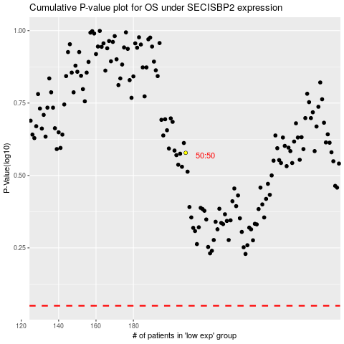

 |  |  |  |  |  | cases_OS | p_OS | rank | exp
 |  |  |  |  |  |  | cases_RFS | p_RFS | rank | exp

