SECTM1 _multivariate
Reported by Tex Li-Hsing Chi. tex@gate.sinica.edu.tw 2019-08-16

Table 2. The clinicopathological features of HNSCC cohort and SECTM1 expression. (Chi square test)
Cutoff at -0.637 (31.2%)
 |  | SECTM1 expression |  | SECTM1 expression |  | (Optimised)
 | Features | Low | (%) | High | (%) | Case no | P-value | Remark | Matthews
Gender | Female | 99 | 23.9 | 207 | 49.9 | 415 | 0.415 | 0 | 0
2 | Male | 30 | 7.2 | 79 | 19
Age at diagnosis | <=65y | 90 | 21.7 | 184 | 44.3 | 415 | 0.3324 | 0 | 0
4 | >65y | 39 | 9.4 | 102 | 24.6
Clinical T Status | T1+T2 | 43 | 10.4 | 106 | 25.5 | 415 | 0.5336 | 0 | 0
6 | T3+T4 | 86 | 20.7 | 180 | 43.4
Clinical N Status | N0 | 72 | 17.3 | 144 | 34.7 | 415 | 0.3549 | 0 | 0
8 | N1-3 | 57 | 13.7 | 142 | 34.2
Clinical M Status | M0 | 129 | 31.1 | 283 | 68.2 | 415 | 0.5554 | 0 | 0
10 | M1 | 0 | 0 | 3 | 0.7
Clinical Stage | Stage I+II | 34 | 8.2 | 68 | 16.4 | 415 | 0.6586 | 0 | 0
12 | Stage III+IV | 95 | 22.9 | 218 | 52.5
Surgical Margin status | Negative | 96 | 23.1 | 222 | 53.5 | 415 | 0.5311 | 0 | 0
14 | Positive | 33 | 8 | 64 | 15.4
Tobacco Exposure | Low | 45 | 10.8 | 116 | 28 | 415 | 0.279 | 0 | 0
16 | High | 84 | 20.2 | 170 | 41

Table 3. Univariate/Multivariate Cox's proportional hazards regression analyses on OS time of SECTM1 gene expression in HNSCC

 |  | Univariate |  |  |  | Multivariate
 | Features | HR | CI95%(L) | CI95%(H) | P-value | HR | CI95%(L) | CI95%(H) | P-value
1 | Female | 1 |  |  |  | 1
Gender | Male | 1.157 | 0.843 | 1.587 | 0.367 | 1.193 | 0.854 | 1.665 | 0.301
11 | <=65y | 1 |  |  |  | 1
Age at diagnosis | >65y | 1.329 | 0.99 | 1.784 | 0.058 | 1.392 | 1.026 | 1.89 | 0.034
12 | T1+T2 | 1 |  |  |  | 1
Clinical T Status | T3+T4 | 1.409 | 1.028 | 1.931 | 0.033 | 2.184 | 1.156 | 4.127 | 0.016
13 | N0 | 1 |  |  |  | 1
Clinical N Status | N1-3 | 1.185 | 0.89 | 1.577 | 0.246 | 1.263 | 0.885 | 1.802 | 0.198
14 | M0 | 1 |  |  |  | 1
Clinical M Status | M1 | 4.097 | 1.009 | 16.644 | 0.049 | 10.269 | 2.232 | 47.24 | 0.003
15 | Stage I+II | 1 |  |  |  | 1
Clinical Stage | Stage III+IV | 1.245 | 0.882 | 1.759 | 0.213 | 0.505 | 0.236 | 1.083 | 0.079
16 | Negative | 1 |  |  |  | 1
Surgical Margin status | Positive | 1.591 | 1.155 | 2.191 | 0.004 | 1.664 | 1.204 | 2.301 | 0.002
17 | Low | 1 |  |  |  | 1
Tobacco Exposure | High | 1.364 | 1.008 | 1.844 | 0.044 | 1.394 | 1.01 | 1.924 | 0.043
18 | Low | 1 |  |  |  | 1
RNAseq(z-score) | High | 0.732 | 0.542 | 0.99 | 0.043 | 0.735 | 0.542 | 0.998 | 0.049

Table 4. Univariate/Multivariate Cox's proportional hazards regression analyses on RFS time of SECTM1 gene expression in HNSCC

 |  | Univariate |  |  |  | Multivariate
 | Features | HR | CI95%(L) | CI95%(H) | P-value | HR | CI95%(L) | CI95%(H) | P-value
1 | Female | 1 |  |  |  | 1
Gender | Male | 1.157 | 0.843 | 1.587 | 0.367 | 1.193 | 0.854 | 1.665 | 0.301
11 | <=65y | 1 |  |  |  | 1
Age at diagnosis | >65y | 1.329 | 0.99 | 1.784 | 0.058 | 1.392 | 1.026 | 1.89 | 0.034
12 | T1+T2 | 1 |  |  |  | 1
Clinical T Status | T3+T4 | 1.409 | 1.028 | 1.931 | 0.033 | 2.184 | 1.156 | 4.127 | 0.016
13 | N0 | 1 |  |  |  | 1
Clinical N Status | N1-3 | 1.185 | 0.89 | 1.577 | 0.246 | 1.263 | 0.885 | 1.802 | 0.198
14 | M0 | 1 |  |  |  | 1
Clinical M Status | M1 | 4.097 | 1.009 | 16.644 | 0.049 | 10.269 | 2.232 | 47.24 | 0.003
15 | Stage I+II | 1 |  |  |  | 1
Clinical Stage | Stage III+IV | 1.245 | 0.882 | 1.759 | 0.213 | 0.505 | 0.236 | 1.083 | 0.079
16 | Negative | 1 |  |  |  | 1
Surgical Margin status | Positive | 1.591 | 1.155 | 2.191 | 0.004 | 1.664 | 1.204 | 2.301 | 0.002
17 | Low | 1 |  |  |  | 1
Tobacco Exposure | High | 1.364 | 1.008 | 1.844 | 0.044 | 1.394 | 1.01 | 1.924 | 0.043
18 | Low | 1 |  |  |  | 1
RNAseq(z-score) | High | 0.732 | 0.542 | 0.99 | 0.043 | 0.735 | 0.542 | 0.998 | 0.049

Kaplan-Meier survival estimate: Cutoff at -0.637 (31.2%)



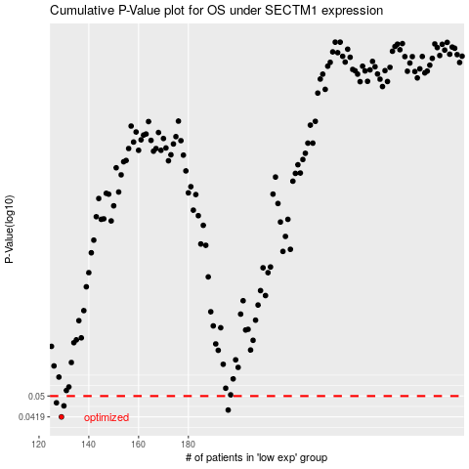

 |  |  |  |  |  | cases_OS | p_OS | rank | exp
 |  |  |  |  |  | 129 | 0.0419 | 374 | -0.63708800601
 |  |  |  |  |  | 196 | 0.0444 | 383 | -0.42136869205
 |  |  |  |  |  | 130 | 0.046 | 386 | -0.62509833099
 |  |  |  |  |  | 127 | 0.0472 | 174 | -0.64450560343
 |  |  |  |  |  |  | cases_RFS | p_RFS | rank | exp
 |  |  |  |  |  |  | 128 | 0.0419 | 377 | -0.64427617442
 |  |  |  |  |  |  | 195 | 0.0444 | 56 | -0.42269018601
 |  |  |  |  |  |  | 129 | 0.046 | 374 | -0.63708800601
 |  |  |  |  |  |  | 126 | 0.0472 | 229 | -0.64473599688

