SEL1L3 _multivariate
Reported by Tex Li-Hsing Chi. tex@gate.sinica.edu.tw 2019-08-16

Table 2. The clinicopathological features of HNSCC cohort and SEL1L3 expression. (Chi square test)
Cutoff at -0.227 (49.8%)
 |  | SEL1L3 expression |  | SEL1L3 expression |  | (Optimised)
 | Features | Low | (%) | High | (%) | Case no | P-value | Remark | Matthews
Gender | Female | 151 | 36.4 | 155 | 37.3 | 415 | 0.8007 | 0 | 0
2 | Male | 56 | 13.5 | 53 | 12.8
Age at diagnosis | <=65y | 139 | 33.5 | 135 | 32.5 | 415 | 0.7044 | 0 | 0
4 | >65y | 68 | 16.4 | 73 | 17.6
Clinical T Status | T1+T2 | 79 | 19 | 70 | 16.9 | 415 | 0.3924 | 0 | 0
6 | T3+T4 | 128 | 30.8 | 138 | 33.3
Clinical N Status | N0 | 109 | 26.3 | 107 | 25.8 | 415 | 0.8812 | 0 | 0
8 | N1-3 | 98 | 23.6 | 101 | 24.3
Clinical M Status | M0 | 205 | 49.4 | 207 | 49.9 | 415 | 0.6232 | 0 | 0
10 | M1 | 2 | 0.5 | 1 | 0.2
Clinical Stage | Stage I+II | 58 | 14 | 44 | 10.6 | 415 | 0.131 | 0 | 0
12 | Stage III+IV | 149 | 35.9 | 164 | 39.5
Surgical Margin status | Negative | 163 | 39.3 | 155 | 37.3 | 415 | 0.3537 | 0 | 0
14 | Positive | 44 | 10.6 | 53 | 12.8
Tobacco Exposure | Low | 89 | 21.4 | 72 | 17.3 | 415 | 0.0872 | 0 | 0
16 | High | 118 | 28.4 | 136 | 32.8

Table 3. Univariate/Multivariate Cox's proportional hazards regression analyses on OS time of SEL1L3 gene expression in HNSCC

 |  | Univariate |  |  |  | Multivariate
 | Features | HR | CI95%(L) | CI95%(H) | P-value | HR | CI95%(L) | CI95%(H) | P-value
1 | Female | 1 |  |  |  | 1
Gender | Male | 1.157 | 0.843 | 1.587 | 0.367 | 1.196 | 0.855 | 1.672 | 0.297
11 | <=65y | 1 |  |  |  | 1
Age at diagnosis | >65y | 1.329 | 0.99 | 1.784 | 0.058 | 1.399 | 1.028 | 1.903 | 0.033
12 | T1+T2 | 1 |  |  |  | 1
Clinical T Status | T3+T4 | 1.409 | 1.028 | 1.931 | 0.033 | 2.154 | 1.138 | 4.078 | 0.018
13 | N0 | 1 |  |  |  | 1
Clinical N Status | N1-3 | 1.185 | 0.89 | 1.577 | 0.246 | 1.229 | 0.861 | 1.755 | 0.256
14 | M0 | 1 |  |  |  | 1
Clinical M Status | M1 | 4.097 | 1.009 | 16.644 | 0.049 | 9.073 | 1.977 | 41.64 | 0.005
15 | Stage I+II | 1 |  |  |  | 1
Clinical Stage | Stage III+IV | 1.245 | 0.882 | 1.759 | 0.213 | 0.526 | 0.244 | 1.133 | 0.101
16 | Negative | 1 |  |  |  | 1
Surgical Margin status | Positive | 1.591 | 1.155 | 2.191 | 0.004 | 1.686 | 1.22 | 2.33 | 0.002
17 | Low | 1 |  |  |  | 1
Tobacco Exposure | High | 1.364 | 1.008 | 1.844 | 0.044 | 1.497 | 1.08 | 2.074 | 0.015
18 | Low | 1 |  |  |  | 1
RNAseq(z-score) | High | 0.882 | 0.663 | 1.175 | 0.392 | 0.837 | 0.625 | 1.122 | 0.234

Table 4. Univariate/Multivariate Cox's proportional hazards regression analyses on RFS time of SEL1L3 gene expression in HNSCC

 |  | Univariate |  |  |  | Multivariate
 | Features | HR | CI95%(L) | CI95%(H) | P-value | HR | CI95%(L) | CI95%(H) | P-value
1 | Female | 1 |  |  |  | 1
Gender | Male | 1.157 | 0.843 | 1.587 | 0.367 | 1.196 | 0.855 | 1.672 | 0.297
11 | <=65y | 1 |  |  |  | 1
Age at diagnosis | >65y | 1.329 | 0.99 | 1.784 | 0.058 | 1.399 | 1.028 | 1.903 | 0.033
12 | T1+T2 | 1 |  |  |  | 1
Clinical T Status | T3+T4 | 1.409 | 1.028 | 1.931 | 0.033 | 2.154 | 1.138 | 4.078 | 0.018
13 | N0 | 1 |  |  |  | 1
Clinical N Status | N1-3 | 1.185 | 0.89 | 1.577 | 0.246 | 1.229 | 0.861 | 1.755 | 0.256
14 | M0 | 1 |  |  |  | 1
Clinical M Status | M1 | 4.097 | 1.009 | 16.644 | 0.049 | 9.073 | 1.977 | 41.64 | 0.005
15 | Stage I+II | 1 |  |  |  | 1
Clinical Stage | Stage III+IV | 1.245 | 0.882 | 1.759 | 0.213 | 0.526 | 0.244 | 1.133 | 0.101
16 | Negative | 1 |  |  |  | 1
Surgical Margin status | Positive | 1.591 | 1.155 | 2.191 | 0.004 | 1.686 | 1.22 | 2.33 | 0.002
17 | Low | 1 |  |  |  | 1
Tobacco Exposure | High | 1.364 | 1.008 | 1.844 | 0.044 | 1.497 | 1.08 | 2.074 | 0.015
18 | Low | 1 |  |  |  | 1
RNAseq(z-score) | High | 0.882 | 0.663 | 1.175 | 0.392 | 0.837 | 0.625 | 1.122 | 0.234

Kaplan-Meier survival estimate: Cutoff at -0.227 (49.8%)



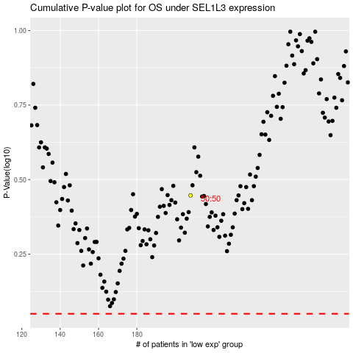

 |  |  |  |  |  | cases_OS | p_OS | rank | exp
 |  |  |  |  |  |  | cases_RFS | p_RFS | rank | exp

