SELK _multivariate
Reported by Tex Li-Hsing Chi. tex@gate.sinica.edu.tw 2019-08-16

Table 2. The clinicopathological features of HNSCC cohort and SELK expression. (Chi square test)
Cutoff at -0.365 (49.8%)
 |  | SELK expression |  | SELK expression |  | (Optimised)
 | Features | Low | (%) | High | (%) | Case no | P-value | Remark | Matthews
Gender | Female | 152 | 36.6 | 154 | 37.1 | 415 | 0.9766 | 0 | 0
2 | Male | 55 | 13.3 | 54 | 13
Age at diagnosis | <=65y | 131 | 31.6 | 143 | 34.5 | 415 | 0.2839 | 0 | 0
4 | >65y | 76 | 18.3 | 65 | 15.7
Clinical T Status | T1+T2 | 77 | 18.6 | 72 | 17.3 | 415 | 0.6556 | 0 | 0
6 | T3+T4 | 130 | 31.3 | 136 | 32.8
Clinical N Status | N0 | 110 | 26.5 | 106 | 25.5 | 415 | 0.7294 | 0 | 0
8 | N1-3 | 97 | 23.4 | 102 | 24.6
Clinical M Status | M0 | 205 | 49.4 | 207 | 49.9 | 415 | 0.6232 | 0 | 0
10 | M1 | 2 | 0.5 | 1 | 0.2
Clinical Stage | Stage I+II | 59 | 14.2 | 43 | 10.4 | 415 | 0.0822 | 0 | 0
12 | Stage III+IV | 148 | 35.7 | 165 | 39.8
Surgical Margin status | Negative | 170 | 41 | 148 | 35.7 | 415 | 0.0105 | 1 | 0
14 | Positive | 37 | 8.9 | 60 | 14.5
Tobacco Exposure | Low | 79 | 19 | 82 | 19.8 | 415 | 0.8405 | 0 | 0
16 | High | 128 | 30.8 | 126 | 30.4

Table 3. Univariate/Multivariate Cox's proportional hazards regression analyses on OS time of SELK gene expression in HNSCC

 |  | Univariate |  |  |  | Multivariate
 | Features | HR | CI95%(L) | CI95%(H) | P-value | HR | CI95%(L) | CI95%(H) | P-value
1 | Female | 1 |  |  |  | 1
Gender | Male | 1.157 | 0.843 | 1.587 | 0.367 | 1.212 | 0.867 | 1.696 | 0.261
11 | <=65y | 1 |  |  |  | 1
Age at diagnosis | >65y | 1.329 | 0.99 | 1.784 | 0.058 | 1.378 | 1.012 | 1.877 | 0.042
12 | T1+T2 | 1 |  |  |  | 1
Clinical T Status | T3+T4 | 1.409 | 1.028 | 1.931 | 0.033 | 2.184 | 1.155 | 4.132 | 0.016
13 | N0 | 1 |  |  |  | 1
Clinical N Status | N1-3 | 1.185 | 0.89 | 1.577 | 0.246 | 1.235 | 0.865 | 1.762 | 0.246
14 | M0 | 1 |  |  |  | 1
Clinical M Status | M1 | 4.097 | 1.009 | 16.644 | 0.049 | 9.254 | 2.017 | 42.454 | 0.004
15 | Stage I+II | 1 |  |  |  | 1
Clinical Stage | Stage III+IV | 1.245 | 0.882 | 1.759 | 0.213 | 0.513 | 0.239 | 1.103 | 0.087
16 | Negative | 1 |  |  |  | 1
Surgical Margin status | Positive | 1.591 | 1.155 | 2.191 | 0.004 | 1.691 | 1.221 | 2.34 | 0.002
17 | Low | 1 |  |  |  | 1
Tobacco Exposure | High | 1.364 | 1.008 | 1.844 | 0.044 | 1.453 | 1.054 | 2.003 | 0.022
18 | Low | 1 |  |  |  | 1
RNAseq(z-score) | High | 0.915 | 0.687 | 1.219 | 0.544 | 0.908 | 0.679 | 1.215 | 0.516

Table 4. Univariate/Multivariate Cox's proportional hazards regression analyses on RFS time of SELK gene expression in HNSCC

 |  | Univariate |  |  |  | Multivariate
 | Features | HR | CI95%(L) | CI95%(H) | P-value | HR | CI95%(L) | CI95%(H) | P-value
1 | Female | 1 |  |  |  | 1
Gender | Male | 1.157 | 0.843 | 1.587 | 0.367 | 1.212 | 0.867 | 1.696 | 0.261
11 | <=65y | 1 |  |  |  | 1
Age at diagnosis | >65y | 1.329 | 0.99 | 1.784 | 0.058 | 1.378 | 1.012 | 1.877 | 0.042
12 | T1+T2 | 1 |  |  |  | 1
Clinical T Status | T3+T4 | 1.409 | 1.028 | 1.931 | 0.033 | 2.184 | 1.155 | 4.132 | 0.016
13 | N0 | 1 |  |  |  | 1
Clinical N Status | N1-3 | 1.185 | 0.89 | 1.577 | 0.246 | 1.235 | 0.865 | 1.762 | 0.246
14 | M0 | 1 |  |  |  | 1
Clinical M Status | M1 | 4.097 | 1.009 | 16.644 | 0.049 | 9.254 | 2.017 | 42.454 | 0.004
15 | Stage I+II | 1 |  |  |  | 1
Clinical Stage | Stage III+IV | 1.245 | 0.882 | 1.759 | 0.213 | 0.513 | 0.239 | 1.103 | 0.087
16 | Negative | 1 |  |  |  | 1
Surgical Margin status | Positive | 1.591 | 1.155 | 2.191 | 0.004 | 1.691 | 1.221 | 2.34 | 0.002
17 | Low | 1 |  |  |  | 1
Tobacco Exposure | High | 1.364 | 1.008 | 1.844 | 0.044 | 1.453 | 1.054 | 2.003 | 0.022
18 | Low | 1 |  |  |  | 1
RNAseq(z-score) | High | 0.915 | 0.687 | 1.219 | 0.544 | 0.908 | 0.679 | 1.215 | 0.516

Kaplan-Meier survival estimate: Cutoff at -0.365 (49.8%)



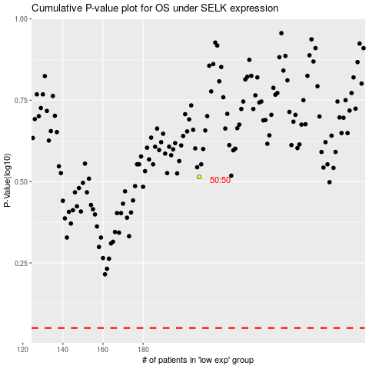

 |  |  |  |  |  | cases_OS | p_OS | rank | exp
 |  |  |  |  |  |  | cases_RFS | p_RFS | rank | exp

