SELPLG _multivariate
Reported by Tex Li-Hsing Chi. tex@gate.sinica.edu.tw 2019-08-16

Table 2. The clinicopathological features of HNSCC cohort and SELPLG expression. (Chi square test)
Cutoff at -0.611 (30.7%)
 |  | SELPLG expression |  | SELPLG expression |  | (Optimised)
 | Features | Low | (%) | High | (%) | Case no | P-value | Remark | Matthews
Gender | Female | 99 | 23.9 | 207 | 49.9 | 415 | 0.2398 | 0 | 0
2 | Male | 28 | 6.7 | 81 | 19.5
Age at diagnosis | <=65y | 87 | 21 | 187 | 45.1 | 415 | 0.5513 | 0 | 0
4 | >65y | 40 | 9.6 | 101 | 24.3
Clinical T Status | T1+T2 | 39 | 9.4 | 110 | 26.5 | 415 | 0.1758 | 0 | 0
6 | T3+T4 | 88 | 21.2 | 178 | 42.9
Clinical N Status | N0 | 68 | 16.4 | 148 | 35.7 | 415 | 0.7655 | 0 | 0
8 | N1-3 | 59 | 14.2 | 140 | 33.7
Clinical M Status | M0 | 126 | 30.4 | 286 | 68.9 | 415 | 1 | 0 | 0
10 | M1 | 1 | 0.2 | 2 | 0.5
Clinical Stage | Stage I+II | 29 | 7 | 73 | 17.6 | 415 | 0.6714 | 0 | 0
12 | Stage III+IV | 98 | 23.6 | 215 | 51.8
Surgical Margin status | Negative | 90 | 21.7 | 228 | 54.9 | 415 | 0.0779 | 0 | 0
14 | Positive | 37 | 8.9 | 60 | 14.5
Tobacco Exposure | Low | 46 | 11.1 | 115 | 27.7 | 415 | 0.5128 | 0 | 0
16 | High | 81 | 19.5 | 173 | 41.7

Table 3. Univariate/Multivariate Cox's proportional hazards regression analyses on OS time of SELPLG gene expression in HNSCC

 |  | Univariate |  |  |  | Multivariate
 | Features | HR | CI95%(L) | CI95%(H) | P-value | HR | CI95%(L) | CI95%(H) | P-value
1 | Female | 1 |  |  |  | 1
Gender | Male | 1.157 | 0.843 | 1.587 | 0.367 | 1.221 | 0.873 | 1.708 | 0.243
11 | <=65y | 1 |  |  |  | 1
Age at diagnosis | >65y | 1.329 | 0.99 | 1.784 | 0.058 | 1.384 | 1.02 | 1.879 | 0.037
12 | T1+T2 | 1 |  |  |  | 1
Clinical T Status | T3+T4 | 1.409 | 1.028 | 1.931 | 0.033 | 2.151 | 1.138 | 4.065 | 0.018
13 | N0 | 1 |  |  |  | 1
Clinical N Status | N1-3 | 1.185 | 0.89 | 1.577 | 0.246 | 1.255 | 0.879 | 1.791 | 0.211
14 | M0 | 1 |  |  |  | 1
Clinical M Status | M1 | 4.097 | 1.009 | 16.644 | 0.049 | 9.625 | 2.099 | 44.131 | 0.004
15 | Stage I+II | 1 |  |  |  | 1
Clinical Stage | Stage III+IV | 1.245 | 0.882 | 1.759 | 0.213 | 0.505 | 0.236 | 1.082 | 0.079
16 | Negative | 1 |  |  |  | 1
Surgical Margin status | Positive | 1.591 | 1.155 | 2.191 | 0.004 | 1.664 | 1.204 | 2.299 | 0.002
17 | Low | 1 |  |  |  | 1
Tobacco Exposure | High | 1.364 | 1.008 | 1.844 | 0.044 | 1.421 | 1.031 | 1.958 | 0.032
18 | Low | 1 |  |  |  | 1
RNAseq(z-score) | High | 0.693 | 0.515 | 0.932 | 0.015 | 0.704 | 0.522 | 0.949 | 0.021

Table 4. Univariate/Multivariate Cox's proportional hazards regression analyses on RFS time of SELPLG gene expression in HNSCC

 |  | Univariate |  |  |  | Multivariate
 | Features | HR | CI95%(L) | CI95%(H) | P-value | HR | CI95%(L) | CI95%(H) | P-value
1 | Female | 1 |  |  |  | 1
Gender | Male | 1.157 | 0.843 | 1.587 | 0.367 | 1.221 | 0.873 | 1.708 | 0.243
11 | <=65y | 1 |  |  |  | 1
Age at diagnosis | >65y | 1.329 | 0.99 | 1.784 | 0.058 | 1.384 | 1.02 | 1.879 | 0.037
12 | T1+T2 | 1 |  |  |  | 1
Clinical T Status | T3+T4 | 1.409 | 1.028 | 1.931 | 0.033 | 2.151 | 1.138 | 4.065 | 0.018
13 | N0 | 1 |  |  |  | 1
Clinical N Status | N1-3 | 1.185 | 0.89 | 1.577 | 0.246 | 1.255 | 0.879 | 1.791 | 0.211
14 | M0 | 1 |  |  |  | 1
Clinical M Status | M1 | 4.097 | 1.009 | 16.644 | 0.049 | 9.625 | 2.099 | 44.131 | 0.004
15 | Stage I+II | 1 |  |  |  | 1
Clinical Stage | Stage III+IV | 1.245 | 0.882 | 1.759 | 0.213 | 0.505 | 0.236 | 1.082 | 0.079
16 | Negative | 1 |  |  |  | 1
Surgical Margin status | Positive | 1.591 | 1.155 | 2.191 | 0.004 | 1.664 | 1.204 | 2.299 | 0.002
17 | Low | 1 |  |  |  | 1
Tobacco Exposure | High | 1.364 | 1.008 | 1.844 | 0.044 | 1.421 | 1.031 | 1.958 | 0.032
18 | Low | 1 |  |  |  | 1
RNAseq(z-score) | High | 0.693 | 0.515 | 0.932 | 0.015 | 0.704 | 0.522 | 0.949 | 0.021

Kaplan-Meier survival estimate: Cutoff at -0.611 (30.7%)

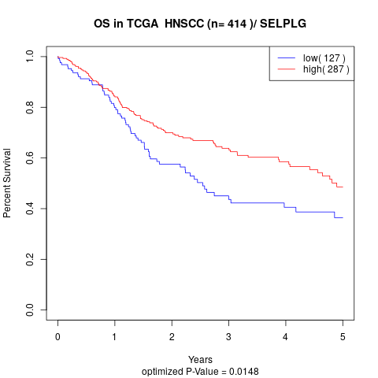

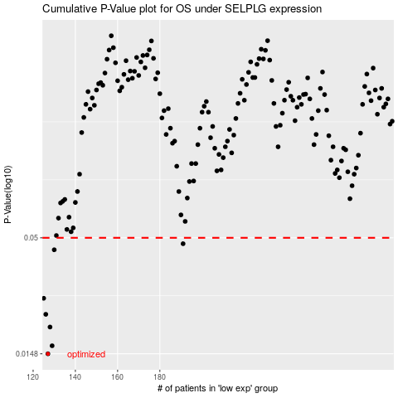

 |  |  |  |  |  | cases_OS | p_OS | rank | exp
 |  |  |  |  |  | 127 | 0.0148 | 126 | -0.61057967309
 |  |  |  |  |  | 129 | 0.0161 | 271 | -0.60877575496
 |  |  |  |  |  | 128 | 0.0196 | 118 | -0.61048558245
 |  |  |  |  |  | 126 | 0.0224 | 394 | -0.6191871673
 |  |  |  |  |  | 125 | 0.0265 | 273 | -0.61938203262
 |  |  |  |  |  | 130 | 0.0441 | 16 | -0.60618389197
 |  |  |  |  |  | 191 | 0.047 | 242 | -0.35769641885
 |  |  |  |  |  |  | cases_RFS | p_RFS | rank | exp
 |  |  |  |  |  |  | 126 | 0.0148 | 394 | -0.6191871673
 |  |  |  |  |  |  | 128 | 0.0161 | 118 | -0.61048558245
 |  |  |  |  |  |  | 127 | 0.0196 | 126 | -0.61057967309
 |  |  |  |  |  |  | 125 | 0.0224 | 273 | -0.61938203262
 |  |  |  |  |  |  |  | 0.0265 | 57 | -0.62312277834
 |  |  |  |  |  |  | 129 | 0.0441 | 271 | -0.60877575496
 |  |  |  |  |  |  | 190 | 0.047 | 377 | -0.36084716997

