SELT _multivariate
Reported by Tex Li-Hsing Chi. tex@gate.sinica.edu.tw 2019-08-16

Table 2. The clinicopathological features of HNSCC cohort and SELT expression. (Chi square test)
Cutoff at -0.478 (31.2%)
 |  | SELT expression |  | SELT expression |  | (Optimised)
 | Features | Low | (%) | High | (%) | Case no | P-value | Remark | Matthews
Gender | Female | 93 | 22.4 | 213 | 51.3 | 415 | 0.6966 | 0 | 0
2 | Male | 36 | 8.7 | 73 | 17.6
Age at diagnosis | <=65y | 83 | 20 | 191 | 46 | 415 | 0.7083 | 0 | 0
4 | >65y | 46 | 11.1 | 95 | 22.9
Clinical T Status | T1+T2 | 47 | 11.3 | 102 | 24.6 | 415 | 0.9675 | 0 | 0
6 | T3+T4 | 82 | 19.8 | 184 | 44.3
Clinical N Status | N0 | 67 | 16.1 | 149 | 35.9 | 415 | 1 | 0 | 0
8 | N1-3 | 62 | 14.9 | 137 | 33
Clinical M Status | M0 | 129 | 31.1 | 283 | 68.2 | 415 | 0.5554 | 0 | 0
10 | M1 | 0 | 0 | 3 | 0.7
Clinical Stage | Stage I+II | 30 | 7.2 | 72 | 17.3 | 415 | 0.7664 | 0 | 0
12 | Stage III+IV | 99 | 23.9 | 214 | 51.6
Surgical Margin status | Negative | 103 | 24.8 | 215 | 51.8 | 415 | 0.3186 | 0 | 0
14 | Positive | 26 | 6.3 | 71 | 17.1
Tobacco Exposure | Low | 55 | 13.3 | 106 | 25.5 | 415 | 0.3274 | 0 | 0
16 | High | 74 | 17.8 | 180 | 43.4

Table 3. Univariate/Multivariate Cox's proportional hazards regression analyses on OS time of SELT gene expression in HNSCC

 |  | Univariate |  |  |  | Multivariate
 | Features | HR | CI95%(L) | CI95%(H) | P-value | HR | CI95%(L) | CI95%(H) | P-value
1 | Female | 1 |  |  |  | 1
Gender | Male | 1.157 | 0.843 | 1.587 | 0.367 | 1.214 | 0.87 | 1.694 | 0.254
11 | <=65y | 1 |  |  |  | 1
Age at diagnosis | >65y | 1.329 | 0.99 | 1.784 | 0.058 | 1.365 | 1.004 | 1.855 | 0.047
12 | T1+T2 | 1 |  |  |  | 1
Clinical T Status | T3+T4 | 1.409 | 1.028 | 1.931 | 0.033 | 2.153 | 1.138 | 4.074 | 0.018
13 | N0 | 1 |  |  |  | 1
Clinical N Status | N1-3 | 1.185 | 0.89 | 1.577 | 0.246 | 1.259 | 0.882 | 1.798 | 0.204
14 | M0 | 1 |  |  |  | 1
Clinical M Status | M1 | 4.097 | 1.009 | 16.644 | 0.049 | 8.351 | 1.814 | 38.449 | 0.006
15 | Stage I+II | 1 |  |  |  | 1
Clinical Stage | Stage III+IV | 1.245 | 0.882 | 1.759 | 0.213 | 0.528 | 0.246 | 1.134 | 0.102
16 | Negative | 1 |  |  |  | 1
Surgical Margin status | Positive | 1.591 | 1.155 | 2.191 | 0.004 | 1.657 | 1.198 | 2.291 | 0.002
17 | Low | 1 |  |  |  | 1
Tobacco Exposure | High | 1.364 | 1.008 | 1.844 | 0.044 | 1.401 | 1.017 | 1.93 | 0.039
18 | Low | 1 |  |  |  | 1
RNAseq(z-score) | High | 1.384 | 1.003 | 1.912 | 0.048 | 1.343 | 0.966 | 1.866 | 0.079

Table 4. Univariate/Multivariate Cox's proportional hazards regression analyses on RFS time of SELT gene expression in HNSCC

 |  | Univariate |  |  |  | Multivariate
 | Features | HR | CI95%(L) | CI95%(H) | P-value | HR | CI95%(L) | CI95%(H) | P-value
1 | Female | 1 |  |  |  | 1
Gender | Male | 1.157 | 0.843 | 1.587 | 0.367 | 1.214 | 0.87 | 1.694 | 0.254
11 | <=65y | 1 |  |  |  | 1
Age at diagnosis | >65y | 1.329 | 0.99 | 1.784 | 0.058 | 1.365 | 1.004 | 1.855 | 0.047
12 | T1+T2 | 1 |  |  |  | 1
Clinical T Status | T3+T4 | 1.409 | 1.028 | 1.931 | 0.033 | 2.153 | 1.138 | 4.074 | 0.018
13 | N0 | 1 |  |  |  | 1
Clinical N Status | N1-3 | 1.185 | 0.89 | 1.577 | 0.246 | 1.259 | 0.882 | 1.798 | 0.204
14 | M0 | 1 |  |  |  | 1
Clinical M Status | M1 | 4.097 | 1.009 | 16.644 | 0.049 | 8.351 | 1.814 | 38.449 | 0.006
15 | Stage I+II | 1 |  |  |  | 1
Clinical Stage | Stage III+IV | 1.245 | 0.882 | 1.759 | 0.213 | 0.528 | 0.246 | 1.134 | 0.102
16 | Negative | 1 |  |  |  | 1
Surgical Margin status | Positive | 1.591 | 1.155 | 2.191 | 0.004 | 1.657 | 1.198 | 2.291 | 0.002
17 | Low | 1 |  |  |  | 1
Tobacco Exposure | High | 1.364 | 1.008 | 1.844 | 0.044 | 1.401 | 1.017 | 1.93 | 0.039
18 | Low | 1 |  |  |  | 1
RNAseq(z-score) | High | 1.384 | 1.003 | 1.912 | 0.048 | 1.343 | 0.966 | 1.866 | 0.079

Kaplan-Meier survival estimate: Cutoff at -0.478 (31.2%)

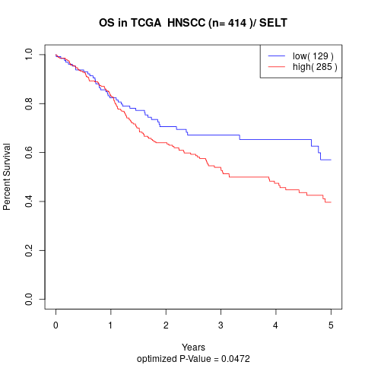

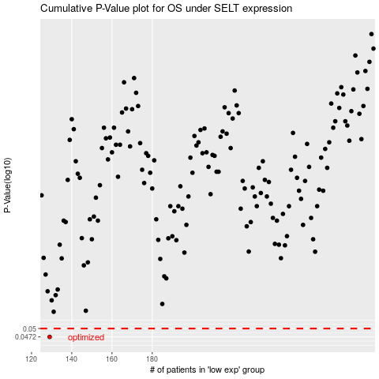

 |  |  |  |  |  | cases_OS | p_OS | rank | exp
 |  |  |  |  |  | 129 | 0.0472 | 163 | -0.47768409595
 |  |  |  |  |  |  | cases_RFS | p_RFS | rank | exp
 |  |  |  |  |  |  | 128 | 0.0472 | 110 | -0.47776649846

