SEMA4F _multivariate
Reported by Tex Li-Hsing Chi. tex@gate.sinica.edu.tw 2019-08-16

Table 2. The clinicopathological features of HNSCC cohort and SEMA4F expression. (Chi square test)
Cutoff at 0.163 (61.4%)
 |  | SEMA4F expression |  | SEMA4F expression |  | (Optimised)
 | Features | Low | (%) | High | (%) | Case no | P-value | Remark | Matthews
Gender | Female | 192 | 46.3 | 114 | 27.5 | 415 | 0.4257 | 0 | 0
2 | Male | 63 | 15.2 | 46 | 11.1
Age at diagnosis | <=65y | 164 | 39.5 | 110 | 26.5 | 415 | 0.4109 | 0 | 0
4 | >65y | 91 | 21.9 | 50 | 12
Clinical T Status | T1+T2 | 100 | 24.1 | 49 | 11.8 | 415 | 0.0948 | 0 | 0
6 | T3+T4 | 155 | 37.3 | 111 | 26.7
Clinical N Status | N0 | 127 | 30.6 | 89 | 21.4 | 415 | 0.2917 | 0 | 0
8 | N1-3 | 128 | 30.8 | 71 | 17.1
Clinical M Status | M0 | 252 | 60.7 | 160 | 38.6 | 415 | 0.2876 | 0 | 0
10 | M1 | 3 | 0.7 | 0 | 0
Clinical Stage | Stage I+II | 64 | 15.4 | 38 | 9.2 | 415 | 0.8467 | 0 | 0
12 | Stage III+IV | 191 | 46 | 122 | 29.4
Surgical Margin status | Negative | 193 | 46.5 | 125 | 30.1 | 415 | 0.634 | 0 | 0
14 | Positive | 62 | 14.9 | 35 | 8.4
Tobacco Exposure | Low | 105 | 25.3 | 56 | 13.5 | 415 | 0.2161 | 0 | 0
16 | High | 150 | 36.1 | 104 | 25.1

Table 3. Univariate/Multivariate Cox's proportional hazards regression analyses on OS time of SEMA4F gene expression in HNSCC

 |  | Univariate |  |  |  | Multivariate
 | Features | HR | CI95%(L) | CI95%(H) | P-value | HR | CI95%(L) | CI95%(H) | P-value
1 | Female | 1 |  |  |  | 1
Gender | Male | 1.157 | 0.843 | 1.587 | 0.367 | 1.175 | 0.839 | 1.645 | 0.348
11 | <=65y | 1 |  |  |  | 1
Age at diagnosis | >65y | 1.329 | 0.99 | 1.784 | 0.058 | 1.454 | 1.068 | 1.979 | 0.017
12 | T1+T2 | 1 |  |  |  | 1
Clinical T Status | T3+T4 | 1.409 | 1.028 | 1.931 | 0.033 | 2.131 | 1.126 | 4.031 | 0.02
13 | N0 | 1 |  |  |  | 1
Clinical N Status | N1-3 | 1.185 | 0.89 | 1.577 | 0.246 | 1.288 | 0.9 | 1.843 | 0.166
14 | M0 | 1 |  |  |  | 1
Clinical M Status | M1 | 4.097 | 1.009 | 16.644 | 0.049 | 10.375 | 2.254 | 47.751 | 0.003
15 | Stage I+II | 1 |  |  |  | 1
Clinical Stage | Stage III+IV | 1.245 | 0.882 | 1.759 | 0.213 | 0.502 | 0.234 | 1.077 | 0.077
16 | Negative | 1 |  |  |  | 1
Surgical Margin status | Positive | 1.591 | 1.155 | 2.191 | 0.004 | 1.704 | 1.231 | 2.357 | 0.001
17 | Low | 1 |  |  |  | 1
Tobacco Exposure | High | 1.364 | 1.008 | 1.844 | 0.044 | 1.418 | 1.029 | 1.956 | 0.033
18 | Low | 1 |  |  |  | 1
RNAseq(z-score) | High | 1.339 | 1.001 | 1.791 | 0.049 | 1.384 | 1.026 | 1.865 | 0.033

Table 4. Univariate/Multivariate Cox's proportional hazards regression analyses on RFS time of SEMA4F gene expression in HNSCC

 |  | Univariate |  |  |  | Multivariate
 | Features | HR | CI95%(L) | CI95%(H) | P-value | HR | CI95%(L) | CI95%(H) | P-value
1 | Female | 1 |  |  |  | 1
Gender | Male | 1.157 | 0.843 | 1.587 | 0.367 | 1.175 | 0.839 | 1.645 | 0.348
11 | <=65y | 1 |  |  |  | 1
Age at diagnosis | >65y | 1.329 | 0.99 | 1.784 | 0.058 | 1.454 | 1.068 | 1.979 | 0.017
12 | T1+T2 | 1 |  |  |  | 1
Clinical T Status | T3+T4 | 1.409 | 1.028 | 1.931 | 0.033 | 2.131 | 1.126 | 4.031 | 0.02
13 | N0 | 1 |  |  |  | 1
Clinical N Status | N1-3 | 1.185 | 0.89 | 1.577 | 0.246 | 1.288 | 0.9 | 1.843 | 0.166
14 | M0 | 1 |  |  |  | 1
Clinical M Status | M1 | 4.097 | 1.009 | 16.644 | 0.049 | 10.375 | 2.254 | 47.751 | 0.003
15 | Stage I+II | 1 |  |  |  | 1
Clinical Stage | Stage III+IV | 1.245 | 0.882 | 1.759 | 0.213 | 0.502 | 0.234 | 1.077 | 0.077
16 | Negative | 1 |  |  |  | 1
Surgical Margin status | Positive | 1.591 | 1.155 | 2.191 | 0.004 | 1.704 | 1.231 | 2.357 | 0.001
17 | Low | 1 |  |  |  | 1
Tobacco Exposure | High | 1.364 | 1.008 | 1.844 | 0.044 | 1.418 | 1.029 | 1.956 | 0.033
18 | Low | 1 |  |  |  | 1
RNAseq(z-score) | High | 1.339 | 1.001 | 1.791 | 0.049 | 1.384 | 1.026 | 1.865 | 0.033

Kaplan-Meier survival estimate: Cutoff at 0.163 (61.4%)



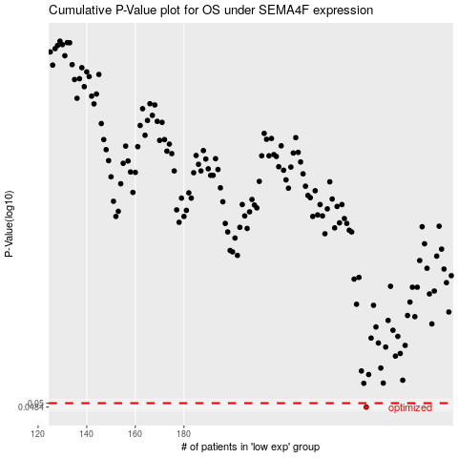

 |  |  |  |  |  | cases_OS | p_OS | rank | exp
 |  |  |  |  |  | 255 | 0.0484 | 52 | 0.16297667324
 |  |  |  |  |  |  | cases_RFS | p_RFS | rank | exp
 |  |  |  |  |  |  | 254 | 0.0484 | 119 | 0.16260130097

