SEMA4G _multivariate
Reported by Tex Li-Hsing Chi. tex@gate.sinica.edu.tw 2019-08-16

Table 2. The clinicopathological features of HNSCC cohort and SEMA4G expression. (Chi square test)
Cutoff at -0.288 (50.0%)
 |  | SEMA4G expression |  | SEMA4G expression |  | (Optimised)
 | Features | Low | (%) | High | (%) | Case no | P-value | Remark | Matthews
Gender | Female | 150 | 36.1 | 156 | 37.6 | 415 | 0.6344 | 0 | 0
2 | Male | 57 | 13.7 | 52 | 12.5
Age at diagnosis | <=65y | 138 | 33.3 | 136 | 32.8 | 415 | 0.8634 | 0 | 0
4 | >65y | 69 | 16.6 | 72 | 17.3
Clinical T Status | T1+T2 | 85 | 20.5 | 64 | 15.4 | 415 | 0.0372 | 1 | 0
6 | T3+T4 | 122 | 29.4 | 144 | 34.7
Clinical N Status | N0 | 103 | 24.8 | 113 | 27.2 | 415 | 0.4047 | 0 | 0
8 | N1-3 | 104 | 25.1 | 95 | 22.9
Clinical M Status | M0 | 206 | 49.6 | 206 | 49.6 | 415 | 1 | 0 | 0
10 | M1 | 1 | 0.2 | 2 | 0.5
Clinical Stage | Stage I+II | 55 | 13.3 | 47 | 11.3 | 415 | 0.4087 | 0 | 0
12 | Stage III+IV | 152 | 36.6 | 161 | 38.8
Surgical Margin status | Negative | 161 | 38.8 | 157 | 37.8 | 415 | 0.6429 | 0 | 0
14 | Positive | 46 | 11.1 | 51 | 12.3
Tobacco Exposure | Low | 90 | 21.7 | 71 | 17.1 | 415 | 0.0559 | 0 | 0
16 | High | 117 | 28.2 | 137 | 33

Table 3. Univariate/Multivariate Cox's proportional hazards regression analyses on OS time of SEMA4G gene expression in HNSCC

 |  | Univariate |  |  |  | Multivariate
 | Features | HR | CI95%(L) | CI95%(H) | P-value | HR | CI95%(L) | CI95%(H) | P-value
1 | Female | 1 |  |  |  | 1
Gender | Male | 1.157 | 0.843 | 1.587 | 0.367 | 1.217 | 0.871 | 1.701 | 0.251
11 | <=65y | 1 |  |  |  | 1
Age at diagnosis | >65y | 1.329 | 0.99 | 1.784 | 0.058 | 1.413 | 1.038 | 1.923 | 0.028
12 | T1+T2 | 1 |  |  |  | 1
Clinical T Status | T3+T4 | 1.409 | 1.028 | 1.931 | 0.033 | 2.183 | 1.155 | 4.128 | 0.016
13 | N0 | 1 |  |  |  | 1
Clinical N Status | N1-3 | 1.185 | 0.89 | 1.577 | 0.246 | 1.29 | 0.9 | 1.849 | 0.166
14 | M0 | 1 |  |  |  | 1
Clinical M Status | M1 | 4.097 | 1.009 | 16.644 | 0.049 | 9.128 | 1.989 | 41.892 | 0.004
15 | Stage I+II | 1 |  |  |  | 1
Clinical Stage | Stage III+IV | 1.245 | 0.882 | 1.759 | 0.213 | 0.492 | 0.229 | 1.057 | 0.069
16 | Negative | 1 |  |  |  | 1
Surgical Margin status | Positive | 1.591 | 1.155 | 2.191 | 0.004 | 1.671 | 1.209 | 2.31 | 0.002
17 | Low | 1 |  |  |  | 1
Tobacco Exposure | High | 1.364 | 1.008 | 1.844 | 0.044 | 1.458 | 1.058 | 2.009 | 0.021
18 | Low | 1 |  |  |  | 1
RNAseq(z-score) | High | 1.225 | 0.917 | 1.636 | 0.17 | 1.25 | 0.932 | 1.678 | 0.137

Table 4. Univariate/Multivariate Cox's proportional hazards regression analyses on RFS time of SEMA4G gene expression in HNSCC

 |  | Univariate |  |  |  | Multivariate
 | Features | HR | CI95%(L) | CI95%(H) | P-value | HR | CI95%(L) | CI95%(H) | P-value
1 | Female | 1 |  |  |  | 1
Gender | Male | 1.157 | 0.843 | 1.587 | 0.367 | 1.217 | 0.871 | 1.701 | 0.251
11 | <=65y | 1 |  |  |  | 1
Age at diagnosis | >65y | 1.329 | 0.99 | 1.784 | 0.058 | 1.413 | 1.038 | 1.923 | 0.028
12 | T1+T2 | 1 |  |  |  | 1
Clinical T Status | T3+T4 | 1.409 | 1.028 | 1.931 | 0.033 | 2.183 | 1.155 | 4.128 | 0.016
13 | N0 | 1 |  |  |  | 1
Clinical N Status | N1-3 | 1.185 | 0.89 | 1.577 | 0.246 | 1.29 | 0.9 | 1.849 | 0.166
14 | M0 | 1 |  |  |  | 1
Clinical M Status | M1 | 4.097 | 1.009 | 16.644 | 0.049 | 9.128 | 1.989 | 41.892 | 0.004
15 | Stage I+II | 1 |  |  |  | 1
Clinical Stage | Stage III+IV | 1.245 | 0.882 | 1.759 | 0.213 | 0.492 | 0.229 | 1.057 | 0.069
16 | Negative | 1 |  |  |  | 1
Surgical Margin status | Positive | 1.591 | 1.155 | 2.191 | 0.004 | 1.671 | 1.209 | 2.31 | 0.002
17 | Low | 1 |  |  |  | 1
Tobacco Exposure | High | 1.364 | 1.008 | 1.844 | 0.044 | 1.458 | 1.058 | 2.009 | 0.021
18 | Low | 1 |  |  |  | 1
RNAseq(z-score) | High | 1.225 | 0.917 | 1.636 | 0.17 | 1.25 | 0.932 | 1.678 | 0.137

Kaplan-Meier survival estimate: Cutoff at -0.288 (50.0%)



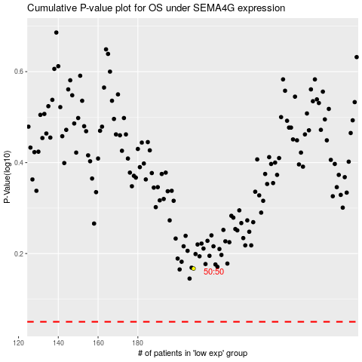

 |  |  |  |  |  | cases_OS | p_OS | rank | exp
 |  |  |  |  |  |  | cases_RFS | p_RFS | rank | exp

