SEMA6D _multivariate
Reported by Tex Li-Hsing Chi. tex@gate.sinica.edu.tw 2019-08-16

Table 2. The clinicopathological features of HNSCC cohort and SEMA6D expression. (Chi square test)
Cutoff at -0.265 (56.8%)
 |  | SEMA6D expression |  | SEMA6D expression |  | (Optimised)
 | Features | Low | (%) | High | (%) | Case no | P-value | Remark | Matthews
Gender | Female | 167 | 40.2 | 139 | 33.5 | 415 | 0.1423 | 0 | 0
2 | Male | 69 | 16.6 | 40 | 9.6
Age at diagnosis | <=65y | 151 | 36.4 | 123 | 29.6 | 415 | 0.3663 | 0 | 0
4 | >65y | 85 | 20.5 | 56 | 13.5
Clinical T Status | T1+T2 | 74 | 17.8 | 75 | 18.1 | 415 | 0.0345 | 1 | 0
6 | T3+T4 | 162 | 39 | 104 | 25.1
Clinical N Status | N0 | 113 | 27.2 | 103 | 24.8 | 415 | 0.0641 | 0 | 0
8 | N1-3 | 123 | 29.6 | 76 | 18.3
Clinical M Status | M0 | 233 | 56.1 | 179 | 43.1 | 415 | 0.2624 | 0 | 0
10 | M1 | 3 | 0.7 | 0 | 0
Clinical Stage | Stage I+II | 49 | 11.8 | 53 | 12.8 | 415 | 0.0502 | 0 | 0
12 | Stage III+IV | 187 | 45.1 | 126 | 30.4
Surgical Margin status | Negative | 182 | 43.9 | 136 | 32.8 | 415 | 0.8154 | 0 | 0
14 | Positive | 54 | 13 | 43 | 10.4
Tobacco Exposure | Low | 96 | 23.1 | 65 | 15.7 | 415 | 0.416 | 0 | 0
16 | High | 140 | 33.7 | 114 | 27.5

Table 3. Univariate/Multivariate Cox's proportional hazards regression analyses on OS time of SEMA6D gene expression in HNSCC

 |  | Univariate |  |  |  | Multivariate
 | Features | HR | CI95%(L) | CI95%(H) | P-value | HR | CI95%(L) | CI95%(H) | P-value
1 | Female | 1 |  |  |  | 1
Gender | Male | 1.157 | 0.843 | 1.587 | 0.367 | 1.136 | 0.809 | 1.597 | 0.462
11 | <=65y | 1 |  |  |  | 1
Age at diagnosis | >65y | 1.329 | 0.99 | 1.784 | 0.058 | 1.363 | 1.001 | 1.856 | 0.049
12 | T1+T2 | 1 |  |  |  | 1
Clinical T Status | T3+T4 | 1.409 | 1.028 | 1.931 | 0.033 | 2.106 | 1.112 | 3.987 | 0.022
13 | N0 | 1 |  |  |  | 1
Clinical N Status | N1-3 | 1.185 | 0.89 | 1.577 | 0.246 | 1.206 | 0.845 | 1.723 | 0.302
14 | M0 | 1 |  |  |  | 1
Clinical M Status | M1 | 4.097 | 1.009 | 16.644 | 0.049 | 8.051 | 1.742 | 37.211 | 0.008
15 | Stage I+II | 1 |  |  |  | 1
Clinical Stage | Stage III+IV | 1.245 | 0.882 | 1.759 | 0.213 | 0.521 | 0.243 | 1.119 | 0.094
16 | Negative | 1 |  |  |  | 1
Surgical Margin status | Positive | 1.591 | 1.155 | 2.191 | 0.004 | 1.636 | 1.184 | 2.261 | 0.003
17 | Low | 1 |  |  |  | 1
Tobacco Exposure | High | 1.364 | 1.008 | 1.844 | 0.044 | 1.45 | 1.051 | 2.001 | 0.024
18 | Low | 1 |  |  |  | 1
RNAseq(z-score) | High | 0.677 | 0.504 | 0.91 | 0.01 | 0.76 | 0.56 | 1.033 | 0.079

Table 4. Univariate/Multivariate Cox's proportional hazards regression analyses on RFS time of SEMA6D gene expression in HNSCC

 |  | Univariate |  |  |  | Multivariate
 | Features | HR | CI95%(L) | CI95%(H) | P-value | HR | CI95%(L) | CI95%(H) | P-value
1 | Female | 1 |  |  |  | 1
Gender | Male | 1.157 | 0.843 | 1.587 | 0.367 | 1.136 | 0.809 | 1.597 | 0.462
11 | <=65y | 1 |  |  |  | 1
Age at diagnosis | >65y | 1.329 | 0.99 | 1.784 | 0.058 | 1.363 | 1.001 | 1.856 | 0.049
12 | T1+T2 | 1 |  |  |  | 1
Clinical T Status | T3+T4 | 1.409 | 1.028 | 1.931 | 0.033 | 2.106 | 1.112 | 3.987 | 0.022
13 | N0 | 1 |  |  |  | 1
Clinical N Status | N1-3 | 1.185 | 0.89 | 1.577 | 0.246 | 1.206 | 0.845 | 1.723 | 0.302
14 | M0 | 1 |  |  |  | 1
Clinical M Status | M1 | 4.097 | 1.009 | 16.644 | 0.049 | 8.051 | 1.742 | 37.211 | 0.008
15 | Stage I+II | 1 |  |  |  | 1
Clinical Stage | Stage III+IV | 1.245 | 0.882 | 1.759 | 0.213 | 0.521 | 0.243 | 1.119 | 0.094
16 | Negative | 1 |  |  |  | 1
Surgical Margin status | Positive | 1.591 | 1.155 | 2.191 | 0.004 | 1.636 | 1.184 | 2.261 | 0.003
17 | Low | 1 |  |  |  | 1
Tobacco Exposure | High | 1.364 | 1.008 | 1.844 | 0.044 | 1.45 | 1.051 | 2.001 | 0.024
18 | Low | 1 |  |  |  | 1
RNAseq(z-score) | High | 0.677 | 0.504 | 0.91 | 0.01 | 0.76 | 0.56 | 1.033 | 0.079

Kaplan-Meier survival estimate: Cutoff at -0.265 (56.8%)

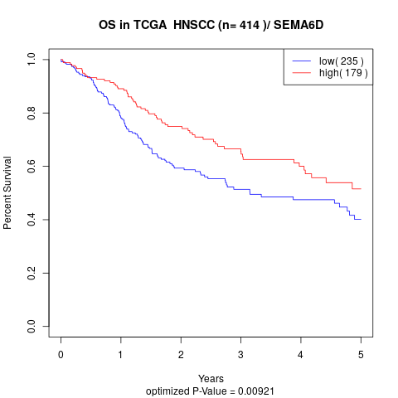

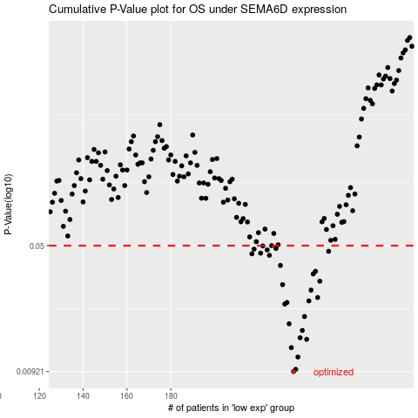

 |  |  |  |  |  | cases_OS | p_OS | rank | exp
 |  |  |  |  |  | 236 | 0.00921 | 173 | -0.26549800183
 |  |  |  |  |  | 237 | 0.00949 | 96 | -0.26274464233
 |  |  |  |  |  | 238 | 0.0112 | 60 | -0.25468953213
 |  |  |  |  |  | 235 | 0.0127 | 186 | -0.26592598144
 |  |  |  |  |  | 242 | 0.0142 | 26 | -0.2285098827
 |  |  |  |  |  | 239 | 0.0145 | 318 | -0.25074028359
 |  |  |  |  |  | 240 | 0.016 | 134 | -0.24297638717
 |  |  |  |  |  | 234 | 0.0175 | 12 | -0.26728353562
 |  |  |  |  |  | 241 | 0.0193 | 137 | -0.23775149959
 |  |  |  |  |  | 232 | 0.0228 | 13 | -0.26794499145
 |  |  |  |  |  | 233 | 0.0233 | 117 | -0.26792009213
 |  |  |  |  |  | 243 | 0.0238 | 53 | -0.22404352221
 |  |  |  |  |  | 247 | 0.0249 | 34 | -0.20845257892
 |  |  |  |  |  | 244 | 0.0275 | 192 | -0.21349884095
 |  |  |  |  |  | 231 | 0.0296 | 163 | -0.27838430168
 |  |  |  |  |  | 248 | 0.031 | 271 | -0.20796902693
 |  |  |  |  |  | 245 | 0.0342 | 20 | -0.21117057417
 |  |  |  |  |  | 246 | 0.0354 | 43 | -0.20914290353
 |  |  |  |  |  | 230 | 0.0383 | 258 | -0.2809673354
 |  |  |  |  |  | 225 | 0.0439 | 294 | -0.29723849922
 |  |  |  |  |  | 217 | 0.0448 | 144 | -0.32344340883
 |  |  |  |  |  | 221 | 0.0452 | 147 | -0.3043885733
 |  |  |  |  |  | 252 | 0.0463 | 162 | -0.20074714177
 |  |  |  |  |  | 224 | 0.0472 | 7 | -0.30001675804
 |  |  |  |  |  | 218 | 0.0477 | 346 | -0.32252466004
 |  |  |  |  |  | 228 | 0.0481 | 298 | -0.28431394825
 |  |  |  |  |  | 222 | 0.0498 | 49 | -0.30434563099
 |  |  |  |  |  | 226 | 0.05 | 17 | -0.29538331951
 |  |  |  |  |  |  | cases_RFS | p_RFS | rank | exp
 |  |  |  |  |  |  | 235 | 0.00921 | 186 | -0.26592598144
 |  |  |  |  |  |  | 236 | 0.00949 | 173 | -0.26549800183
 |  |  |  |  |  |  | 237 | 0.0112 | 96 | -0.26274464233
 |  |  |  |  |  |  | 234 | 0.0127 | 12 | -0.26728353562
 |  |  |  |  |  |  | 241 | 0.0142 | 137 | -0.23775149959
 |  |  |  |  |  |  | 238 | 0.0145 | 60 | -0.25468953213
 |  |  |  |  |  |  | 239 | 0.016 | 318 | -0.25074028359
 |  |  |  |  |  |  | 233 | 0.0175 | 117 | -0.26792009213
 |  |  |  |  |  |  | 240 | 0.0193 | 134 | -0.24297638717
 |  |  |  |  |  |  | 231 | 0.0228 | 163 | -0.27838430168
 |  |  |  |  |  |  | 232 | 0.0233 | 13 | -0.26794499145
 |  |  |  |  |  |  | 242 | 0.0238 | 26 | -0.2285098827
 |  |  |  |  |  |  | 246 | 0.0249 | 43 | -0.20914290353
 |  |  |  |  |  |  | 243 | 0.0275 | 53 | -0.22404352221
 |  |  |  |  |  |  | 230 | 0.0296 | 258 | -0.2809673354
 |  |  |  |  |  |  | 247 | 0.031 | 34 | -0.20845257892
 |  |  |  |  |  |  | 244 | 0.0342 | 192 | -0.21349884095
 |  |  |  |  |  |  | 245 | 0.0354 | 20 | -0.21117057417
 |  |  |  |  |  |  | 229 | 0.0383 | 138 | -0.28160208761
 |  |  |  |  |  |  | 224 | 0.0439 | 7 | -0.30001675804
 |  |  |  |  |  |  | 216 | 0.0448 | 404 | -0.32569156476
 |  |  |  |  |  |  | 220 | 0.0452 | 207 | -0.30504028591
 |  |  |  |  |  |  | 251 | 0.0463 | 199 | -0.20272104432
 |  |  |  |  |  |  | 223 | 0.0472 | 308 | -0.30164134841
 |  |  |  |  |  |  | 217 | 0.0477 | 144 | -0.32344340883
 |  |  |  |  |  |  | 227 | 0.0481 | 202 | -0.28593709517
 |  |  |  |  |  |  | 221 | 0.0498 | 147 | -0.3043885733
 |  |  |  |  |  |  | 225 | 0.05 | 294 | -0.29723849922

