SEPHS1 _multivariate
Reported by Tex Li-Hsing Chi. tex@gate.sinica.edu.tw 2019-08-16

Table 2. The clinicopathological features of HNSCC cohort and SEPHS1 expression. (Chi square test)
Cutoff at -0.161 (49.8%)
 |  | SEPHS1 expression |  | SEPHS1 expression |  | (Optimised)
 | Features | Low | (%) | High | (%) | Case no | P-value | Remark | Matthews
Gender | Female | 143 | 34.5 | 163 | 39.3 | 415 | 0.0416 | 1 | 0
2 | Male | 64 | 15.4 | 45 | 10.8
Age at diagnosis | <=65y | 129 | 31.1 | 145 | 34.9 | 415 | 0.1372 | 0 | 0
4 | >65y | 78 | 18.8 | 63 | 15.2
Clinical T Status | T1+T2 | 75 | 18.1 | 74 | 17.8 | 415 | 0.9707 | 0 | 0
6 | T3+T4 | 132 | 31.8 | 134 | 32.3
Clinical N Status | N0 | 113 | 27.2 | 103 | 24.8 | 415 | 0.3495 | 1 | 0
8 | N1-3 | 94 | 22.7 | 105 | 25.3
Clinical M Status | M0 | 205 | 49.4 | 207 | 49.9 | 415 | 0.6232 | 0 | 0
10 | M1 | 2 | 0.5 | 1 | 0.2
Clinical Stage | Stage I+II | 54 | 13 | 48 | 11.6 | 415 | 0.5498 | 0 | 0
12 | Stage III+IV | 153 | 36.9 | 160 | 38.6
Surgical Margin status | Negative | 159 | 38.3 | 159 | 38.3 | 415 | 1 | 0 | 0
14 | Positive | 48 | 11.6 | 49 | 11.8
Tobacco Exposure | Low | 96 | 23.1 | 65 | 15.7 | 415 | 0.0018 | 1 | 0
16 | High | 111 | 26.7 | 143 | 34.5

Table 3. Univariate/Multivariate Cox's proportional hazards regression analyses on OS time of SEPHS1 gene expression in HNSCC

 |  | Univariate |  |  |  | Multivariate
 | Features | HR | CI95%(L) | CI95%(H) | P-value | HR | CI95%(L) | CI95%(H) | P-value
1 | Female | 1 |  |  |  | 1
Gender | Male | 1.157 | 0.843 | 1.587 | 0.367 | 1.189 | 0.85 | 1.663 | 0.313
11 | <=65y | 1 |  |  |  | 1
Age at diagnosis | >65y | 1.329 | 0.99 | 1.784 | 0.058 | 1.389 | 1.022 | 1.889 | 0.036
12 | T1+T2 | 1 |  |  |  | 1
Clinical T Status | T3+T4 | 1.409 | 1.028 | 1.931 | 0.033 | 2.177 | 1.151 | 4.117 | 0.017
13 | N0 | 1 |  |  |  | 1
Clinical N Status | N1-3 | 1.185 | 0.89 | 1.577 | 0.246 | 1.244 | 0.872 | 1.775 | 0.229
14 | M0 | 1 |  |  |  | 1
Clinical M Status | M1 | 4.097 | 1.009 | 16.644 | 0.049 | 9.128 | 1.988 | 41.914 | 0.004
15 | Stage I+II | 1 |  |  |  | 1
Clinical Stage | Stage III+IV | 1.245 | 0.882 | 1.759 | 0.213 | 0.512 | 0.238 | 1.101 | 0.087
16 | Negative | 1 |  |  |  | 1
Surgical Margin status | Positive | 1.591 | 1.155 | 2.191 | 0.004 | 1.662 | 1.203 | 2.297 | 0.002
17 | Low | 1 |  |  |  | 1
Tobacco Exposure | High | 1.364 | 1.008 | 1.844 | 0.044 | 1.48 | 1.069 | 2.048 | 0.018
18 | Low | 1 |  |  |  | 1
RNAseq(z-score) | High | 0.901 | 0.675 | 1.203 | 0.478 | 0.893 | 0.664 | 1.202 | 0.456

Table 4. Univariate/Multivariate Cox's proportional hazards regression analyses on RFS time of SEPHS1 gene expression in HNSCC

 |  | Univariate |  |  |  | Multivariate
 | Features | HR | CI95%(L) | CI95%(H) | P-value | HR | CI95%(L) | CI95%(H) | P-value
1 | Female | 1 |  |  |  | 1
Gender | Male | 1.157 | 0.843 | 1.587 | 0.367 | 1.189 | 0.85 | 1.663 | 0.313
11 | <=65y | 1 |  |  |  | 1
Age at diagnosis | >65y | 1.329 | 0.99 | 1.784 | 0.058 | 1.389 | 1.022 | 1.889 | 0.036
12 | T1+T2 | 1 |  |  |  | 1
Clinical T Status | T3+T4 | 1.409 | 1.028 | 1.931 | 0.033 | 2.177 | 1.151 | 4.117 | 0.017
13 | N0 | 1 |  |  |  | 1
Clinical N Status | N1-3 | 1.185 | 0.89 | 1.577 | 0.246 | 1.244 | 0.872 | 1.775 | 0.229
14 | M0 | 1 |  |  |  | 1
Clinical M Status | M1 | 4.097 | 1.009 | 16.644 | 0.049 | 9.128 | 1.988 | 41.914 | 0.004
15 | Stage I+II | 1 |  |  |  | 1
Clinical Stage | Stage III+IV | 1.245 | 0.882 | 1.759 | 0.213 | 0.512 | 0.238 | 1.101 | 0.087
16 | Negative | 1 |  |  |  | 1
Surgical Margin status | Positive | 1.591 | 1.155 | 2.191 | 0.004 | 1.662 | 1.203 | 2.297 | 0.002
17 | Low | 1 |  |  |  | 1
Tobacco Exposure | High | 1.364 | 1.008 | 1.844 | 0.044 | 1.48 | 1.069 | 2.048 | 0.018
18 | Low | 1 |  |  |  | 1
RNAseq(z-score) | High | 0.901 | 0.675 | 1.203 | 0.478 | 0.893 | 0.664 | 1.202 | 0.456

Kaplan-Meier survival estimate: Cutoff at -0.161 (49.8%)



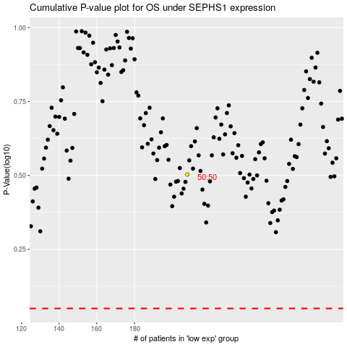

 |  |  |  |  |  | cases_OS | p_OS | rank | exp
 |  |  |  |  |  |  | cases_RFS | p_RFS | rank | exp

