SEPHS2 _multivariate
Reported by Tex Li-Hsing Chi. tex@gate.sinica.edu.tw 2019-08-16

Table 2. The clinicopathological features of HNSCC cohort and SEPHS2 expression. (Chi square test)
Cutoff at -0.185 (49.8%)
 |  | SEPHS2 expression |  | SEPHS2 expression |  | (Optimised)
 | Features | Low | (%) | High | (%) | Case no | P-value | Remark | Matthews
Gender | Female | 150 | 36.1 | 156 | 37.6 | 415 | 0.6344 | 0 | 0
2 | Male | 57 | 13.7 | 52 | 12.5
Age at diagnosis | <=65y | 137 | 33 | 137 | 33 | 415 | 1 | 0 | 0
4 | >65y | 70 | 16.9 | 71 | 17.1
Clinical T Status | T1+T2 | 67 | 16.1 | 82 | 19.8 | 415 | 0.1628 | 0 | 0
6 | T3+T4 | 140 | 33.7 | 126 | 30.4
Clinical N Status | N0 | 102 | 24.6 | 114 | 27.5 | 415 | 0.3031 | 0 | 0
8 | N1-3 | 105 | 25.3 | 94 | 22.7
Clinical M Status | M0 | 206 | 49.6 | 206 | 49.6 | 415 | 1 | 0 | 0
10 | M1 | 1 | 0.2 | 2 | 0.5
Clinical Stage | Stage I+II | 45 | 10.8 | 57 | 13.7 | 415 | 0.2202 | 0 | 0
12 | Stage III+IV | 162 | 39 | 151 | 36.4
Surgical Margin status | Negative | 162 | 39 | 156 | 37.6 | 415 | 0.4867 | 0 | 0
14 | Positive | 45 | 10.8 | 52 | 12.5
Tobacco Exposure | Low | 86 | 20.7 | 75 | 18.1 | 415 | 0.2687 | 0 | 0
16 | High | 121 | 29.2 | 133 | 32

Table 3. Univariate/Multivariate Cox's proportional hazards regression analyses on OS time of SEPHS2 gene expression in HNSCC

 |  | Univariate |  |  |  | Multivariate
 | Features | HR | CI95%(L) | CI95%(H) | P-value | HR | CI95%(L) | CI95%(H) | P-value
1 | Female | 1 |  |  |  | 1
Gender | Male | 1.157 | 0.843 | 1.587 | 0.367 | 1.205 | 0.863 | 1.683 | 0.273
11 | <=65y | 1 |  |  |  | 1
Age at diagnosis | >65y | 1.329 | 0.99 | 1.784 | 0.058 | 1.39 | 1.023 | 1.89 | 0.035
12 | T1+T2 | 1 |  |  |  | 1
Clinical T Status | T3+T4 | 1.409 | 1.028 | 1.931 | 0.033 | 2.22 | 1.173 | 4.199 | 0.014
13 | N0 | 1 |  |  |  | 1
Clinical N Status | N1-3 | 1.185 | 0.89 | 1.577 | 0.246 | 1.246 | 0.873 | 1.779 | 0.225
14 | M0 | 1 |  |  |  | 1
Clinical M Status | M1 | 4.097 | 1.009 | 16.644 | 0.049 | 9.133 | 1.988 | 41.972 | 0.004
15 | Stage I+II | 1 |  |  |  | 1
Clinical Stage | Stage III+IV | 1.245 | 0.882 | 1.759 | 0.213 | 0.505 | 0.235 | 1.085 | 0.08
16 | Negative | 1 |  |  |  | 1
Surgical Margin status | Positive | 1.591 | 1.155 | 2.191 | 0.004 | 1.657 | 1.198 | 2.292 | 0.002
17 | Low | 1 |  |  |  | 1
Tobacco Exposure | High | 1.364 | 1.008 | 1.844 | 0.044 | 1.432 | 1.037 | 1.978 | 0.029
18 | Low | 1 |  |  |  | 1
RNAseq(z-score) | High | 1.149 | 0.863 | 1.531 | 0.342 | 1.11 | 0.829 | 1.485 | 0.485

Table 4. Univariate/Multivariate Cox's proportional hazards regression analyses on RFS time of SEPHS2 gene expression in HNSCC

 |  | Univariate |  |  |  | Multivariate
 | Features | HR | CI95%(L) | CI95%(H) | P-value | HR | CI95%(L) | CI95%(H) | P-value
1 | Female | 1 |  |  |  | 1
Gender | Male | 1.157 | 0.843 | 1.587 | 0.367 | 1.205 | 0.863 | 1.683 | 0.273
11 | <=65y | 1 |  |  |  | 1
Age at diagnosis | >65y | 1.329 | 0.99 | 1.784 | 0.058 | 1.39 | 1.023 | 1.89 | 0.035
12 | T1+T2 | 1 |  |  |  | 1
Clinical T Status | T3+T4 | 1.409 | 1.028 | 1.931 | 0.033 | 2.22 | 1.173 | 4.199 | 0.014
13 | N0 | 1 |  |  |  | 1
Clinical N Status | N1-3 | 1.185 | 0.89 | 1.577 | 0.246 | 1.246 | 0.873 | 1.779 | 0.225
14 | M0 | 1 |  |  |  | 1
Clinical M Status | M1 | 4.097 | 1.009 | 16.644 | 0.049 | 9.133 | 1.988 | 41.972 | 0.004
15 | Stage I+II | 1 |  |  |  | 1
Clinical Stage | Stage III+IV | 1.245 | 0.882 | 1.759 | 0.213 | 0.505 | 0.235 | 1.085 | 0.08
16 | Negative | 1 |  |  |  | 1
Surgical Margin status | Positive | 1.591 | 1.155 | 2.191 | 0.004 | 1.657 | 1.198 | 2.292 | 0.002
17 | Low | 1 |  |  |  | 1
Tobacco Exposure | High | 1.364 | 1.008 | 1.844 | 0.044 | 1.432 | 1.037 | 1.978 | 0.029
18 | Low | 1 |  |  |  | 1
RNAseq(z-score) | High | 1.149 | 0.863 | 1.531 | 0.342 | 1.11 | 0.829 | 1.485 | 0.485

Kaplan-Meier survival estimate: Cutoff at -0.185 (49.8%)



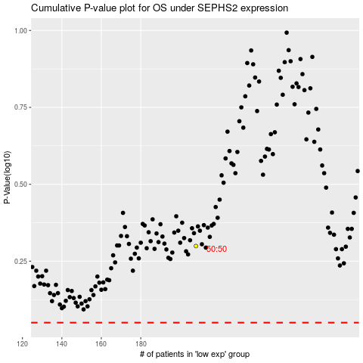

 |  |  |  |  |  | cases_OS | p_OS | rank | exp
 |  |  |  |  |  |  | cases_RFS | p_RFS | rank | exp

