SEPT11 _multivariate
Reported by Tex Li-Hsing Chi. tex@gate.sinica.edu.tw 2019-08-16

Table 2. The clinicopathological features of HNSCC cohort and SEPT11 expression. (Chi square test)
Cutoff at -0.057 (49.8%)
 |  | SEPT11 expression |  | SEPT11 expression |  | (Optimised)
 | Features | Low | (%) | High | (%) | Case no | P-value | Remark | Matthews
Gender | Female | 152 | 36.6 | 154 | 37.1 | 415 | 0.9766 | 0 | 0
2 | Male | 55 | 13.3 | 54 | 13
Age at diagnosis | <=65y | 143 | 34.5 | 131 | 31.6 | 415 | 0.2269 | 0 | 0
4 | >65y | 64 | 15.4 | 77 | 18.6
Clinical T Status | T1+T2 | 84 | 20.2 | 65 | 15.7 | 415 | 0.0603 | 0 | 0
6 | T3+T4 | 123 | 29.6 | 143 | 34.5
Clinical N Status | N0 | 106 | 25.5 | 110 | 26.5 | 415 | 0.8075 | 0 | 0
8 | N1-3 | 101 | 24.3 | 98 | 23.6
Clinical M Status | M0 | 204 | 49.2 | 208 | 50.1 | 415 | 0.1232 | 0 | 0
10 | M1 | 3 | 0.7 | 0 | 0
Clinical Stage | Stage I+II | 54 | 13 | 48 | 11.6 | 415 | 0.5498 | 0 | 0
12 | Stage III+IV | 153 | 36.9 | 160 | 38.6
Surgical Margin status | Negative | 162 | 39 | 156 | 37.6 | 415 | 0.4867 | 0 | 0
14 | Positive | 45 | 10.8 | 52 | 12.5
Tobacco Exposure | Low | 91 | 21.9 | 70 | 16.9 | 415 | 0.0346 | 1 | 0
16 | High | 116 | 28 | 138 | 33.3

Table 3. Univariate/Multivariate Cox's proportional hazards regression analyses on OS time of SEPT11 gene expression in HNSCC

 |  | Univariate |  |  |  | Multivariate
 | Features | HR | CI95%(L) | CI95%(H) | P-value | HR | CI95%(L) | CI95%(H) | P-value
1 | Female | 1 |  |  |  | 1
Gender | Male | 1.157 | 0.843 | 1.587 | 0.367 | 1.208 | 0.864 | 1.688 | 0.269
11 | <=65y | 1 |  |  |  | 1
Age at diagnosis | >65y | 1.329 | 0.99 | 1.784 | 0.058 | 1.401 | 1.03 | 1.905 | 0.031
12 | T1+T2 | 1 |  |  |  | 1
Clinical T Status | T3+T4 | 1.409 | 1.028 | 1.931 | 0.033 | 2.155 | 1.139 | 4.078 | 0.018
13 | N0 | 1 |  |  |  | 1
Clinical N Status | N1-3 | 1.185 | 0.89 | 1.577 | 0.246 | 1.254 | 0.878 | 1.791 | 0.213
14 | M0 | 1 |  |  |  | 1
Clinical M Status | M1 | 4.097 | 1.009 | 16.644 | 0.049 | 10.308 | 2.235 | 47.54 | 0.003
15 | Stage I+II | 1 |  |  |  | 1
Clinical Stage | Stage III+IV | 1.245 | 0.882 | 1.759 | 0.213 | 0.505 | 0.235 | 1.085 | 0.08
16 | Negative | 1 |  |  |  | 1
Surgical Margin status | Positive | 1.591 | 1.155 | 2.191 | 0.004 | 1.679 | 1.215 | 2.32 | 0.002
17 | Low | 1 |  |  |  | 1
Tobacco Exposure | High | 1.364 | 1.008 | 1.844 | 0.044 | 1.42 | 1.029 | 1.96 | 0.033
18 | Low | 1 |  |  |  | 1
RNAseq(z-score) | High | 1.253 | 0.938 | 1.674 | 0.127 | 1.228 | 0.914 | 1.651 | 0.173

Table 4. Univariate/Multivariate Cox's proportional hazards regression analyses on RFS time of SEPT11 gene expression in HNSCC

 |  | Univariate |  |  |  | Multivariate
 | Features | HR | CI95%(L) | CI95%(H) | P-value | HR | CI95%(L) | CI95%(H) | P-value
1 | Female | 1 |  |  |  | 1
Gender | Male | 1.157 | 0.843 | 1.587 | 0.367 | 1.208 | 0.864 | 1.688 | 0.269
11 | <=65y | 1 |  |  |  | 1
Age at diagnosis | >65y | 1.329 | 0.99 | 1.784 | 0.058 | 1.401 | 1.03 | 1.905 | 0.031
12 | T1+T2 | 1 |  |  |  | 1
Clinical T Status | T3+T4 | 1.409 | 1.028 | 1.931 | 0.033 | 2.155 | 1.139 | 4.078 | 0.018
13 | N0 | 1 |  |  |  | 1
Clinical N Status | N1-3 | 1.185 | 0.89 | 1.577 | 0.246 | 1.254 | 0.878 | 1.791 | 0.213
14 | M0 | 1 |  |  |  | 1
Clinical M Status | M1 | 4.097 | 1.009 | 16.644 | 0.049 | 10.308 | 2.235 | 47.54 | 0.003
15 | Stage I+II | 1 |  |  |  | 1
Clinical Stage | Stage III+IV | 1.245 | 0.882 | 1.759 | 0.213 | 0.505 | 0.235 | 1.085 | 0.08
16 | Negative | 1 |  |  |  | 1
Surgical Margin status | Positive | 1.591 | 1.155 | 2.191 | 0.004 | 1.679 | 1.215 | 2.32 | 0.002
17 | Low | 1 |  |  |  | 1
Tobacco Exposure | High | 1.364 | 1.008 | 1.844 | 0.044 | 1.42 | 1.029 | 1.96 | 0.033
18 | Low | 1 |  |  |  | 1
RNAseq(z-score) | High | 1.253 | 0.938 | 1.674 | 0.127 | 1.228 | 0.914 | 1.651 | 0.173

Kaplan-Meier survival estimate: Cutoff at -0.057 (49.8%)



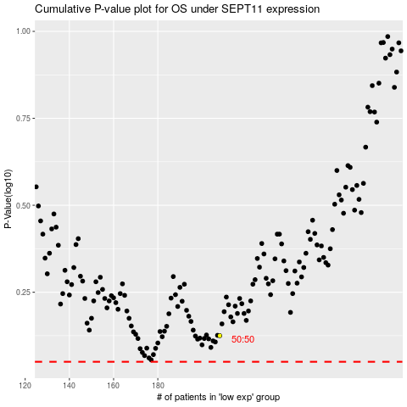

 |  |  |  |  |  | cases_OS | p_OS | rank | exp
 |  |  |  |  |  |  | cases_RFS | p_RFS | rank | exp

